Sheet1

 |  | Mallee Phallies Orchid Importers
 |  | Keva & Lesley Lloyd, 13 Glenwill Drive, Epsom, Vic. 3551
 |  | TEL: (03) 5448 3839 MOB: 0418 579998
 |  | E-mail: malleephallies@kevalloyd.com.au
 |  | Enter the desired Quantity of Plants in the Column "Q". The "Total" column will update automatically.
Spring 2022 |  |  | NB. This order form is for your benefit only - Code, Name & Quantity by return email is all that is needed to place an order. |  |  |  |  | ↓

Photos |  | Code | Name | Flower Size | Buds @ 18 mths | Pedical height | Price $AU | My Order | Cost excl. GST

 |  | ** Phalaenopsis - 12 plants per flask
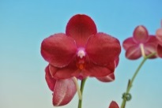 | 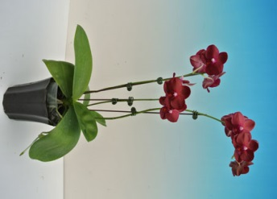 | 1719 | P. Yiching Fang Queen | 7cm | 10-12 | 30-40cm | $40.00 |  | $0.00
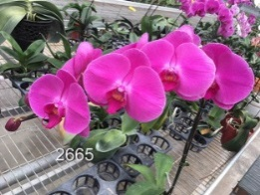 |  | 2665 | P. Lucky Pink Lady | 12.2cm | 10~12 | 55-65cm | $40.00 |  | $0.00
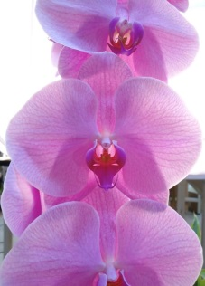 |  | 2666 | P. Unimax Blush 'CL243' | 15cm | 10-12 | 60-70cm | $40.00 |  | $0.00
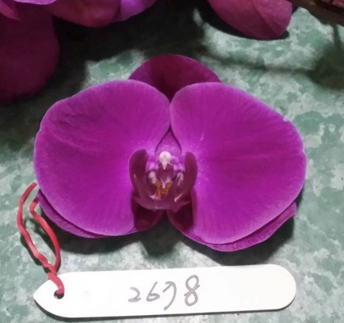 |  | 2678 | P. Lucky Brandy | 13cm | 10~12 | 60-70cm | $40.00 |  | $0.00
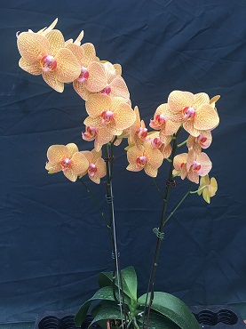 |  | 3809 | Dtps. Golden Jimmy 'No2' | 10cm | 10-12 | 45-50cm | $40.00 |  | $0.00
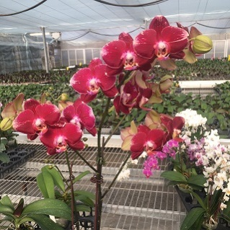 |  | 9106 | P. Yiching Fang Pride | 11cm | 12 | 40-45cm | $40.00 |  | $0.00
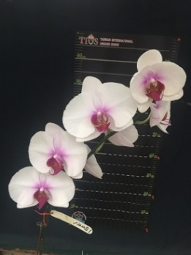 |  | 12082 | P. Lucky Relady | 12cm | 10-12 | 55-65cm | $40.00 |  | $0.00

 |  |  |  |  | Total inc. GST: |  |  |  | $0.00

 |  |  | Quantity Discounts: 1-5 flasks NETT,
 |  |  | 6-10 flasks less 2.5%,
 |  |  | 11-20 less 5%,
 |  |  | 21-30 less 10%,
 |  |  | 31-40 less 15%,
 |  |  | over 40 less 20%

