Sheet1
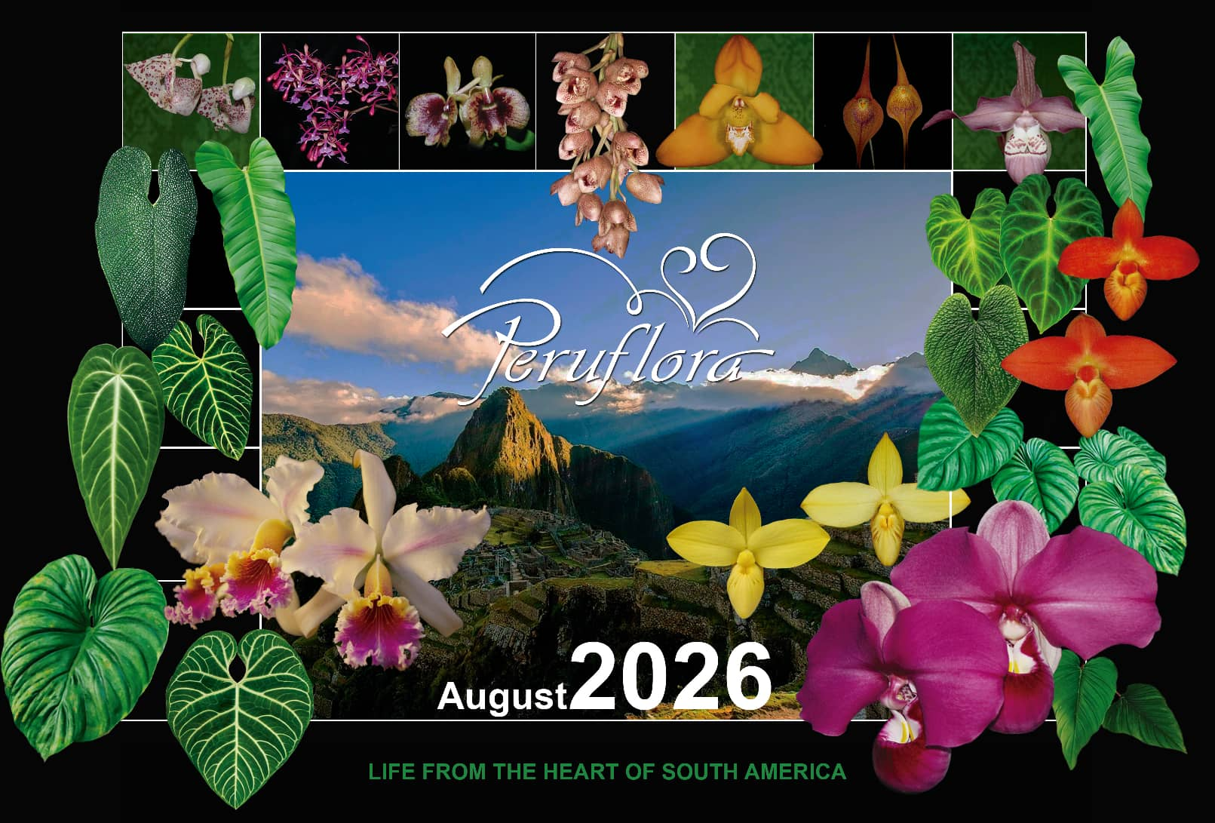
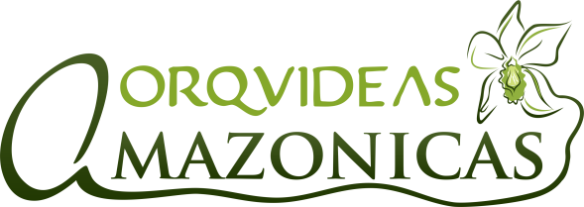
 |  |  | Mallee Phallies Orchid Importers
 |  |  | Keva Lloyd, 13 Glenwill Drive, Epsom, Vic. 3551
 |  |  | MOB: 0418 579998
 |  |  | E-mail: malleephallies@kevalloyd.com.au
 |  |  |  | ABN: 33 283 878 060
Peru - Spring 2026 |  |  | Enter the desired Quantity of Plants in the Column "Q". The "Total" column will update automatically.
 |  |  |  | NB. This order form is for your benefit only - Code, Name & Quantity by return email is all that is needed to place an order. |  |  |  | ↓

Photos |  | Size of seedlings | Code | Name |  | Available | Price ex-GST | My Order | Cost excl. GST

Peruflora …. |  |  | Flasks contain at least 10 seedlings!
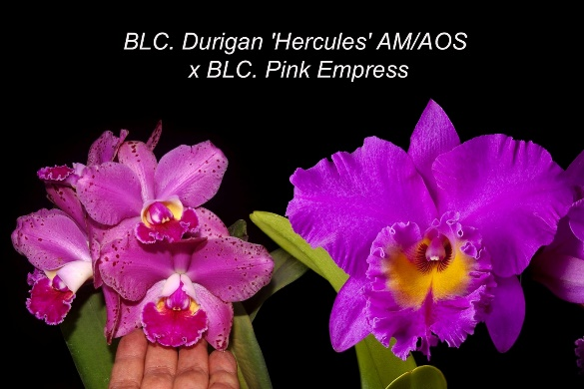 |  | Good size | PFSpr26-01 | Blc. Durigan 'Hercules' AM/AOS x Blc. Pink Empress (SEEDLING) |  | 3 | $70.00 |  | $0.00
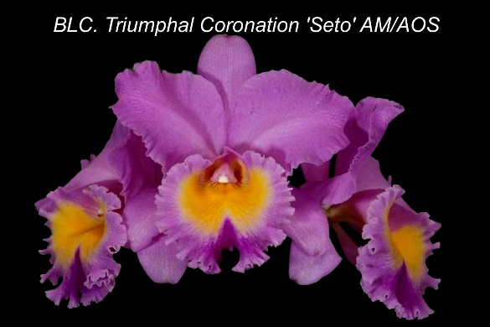 |  | Good size | PFSpr26-02 | Blc. Triumphal Coronation 'Seto' (MERISTEM) |  | 3 | $70.00 |  | $0.00
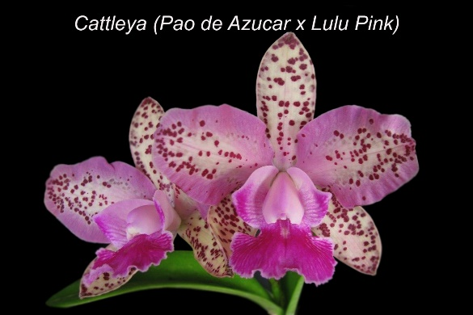 |  | Good size | PFSpr26-03 | Cattleya (Pan de Azucar x Lulu Pink) (MERISTEM) |  | 3 | $70.00 |  | $0.00
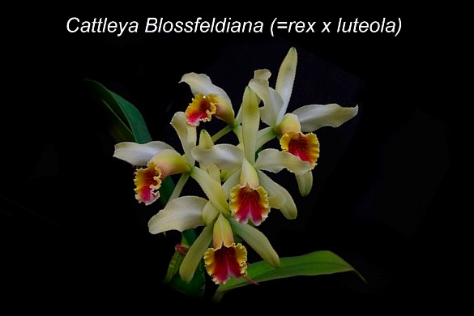 |  | Good size | PFSpr26-04 | Cattleya (rex x luteola) (SEEDLING) |  | 5 | $105.00 |  | $0.00
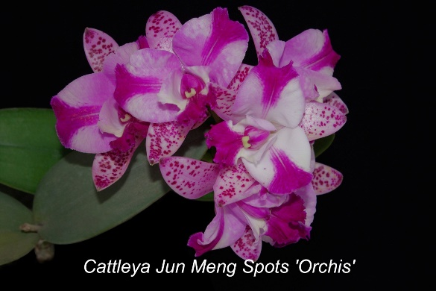 |  | Good size | PFSpr26-05 | Cattleya Jun Meng Spots (MERISTEM) |  | 4 | $70.00 |  | $0.00
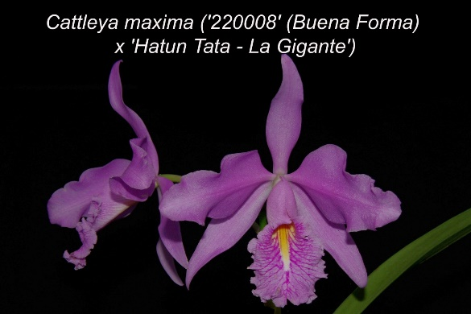 |  | Good size | PFSpr26-06 | Cattleya maxima ('220008' x 'Hatun Tata-La Grande') (SEEDLING) |  | 3 | $105.00 |  | $0.00
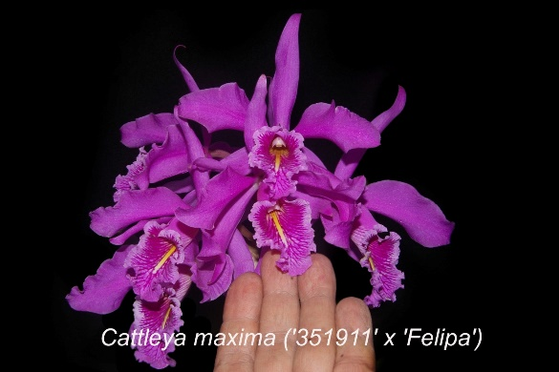 |  | Good size | PFSpr26-07 | Cattleya maxima ('Selected '351911' x 'Felipa') (SEEDLING) |  | 3 | $105.00 |  | $0.00
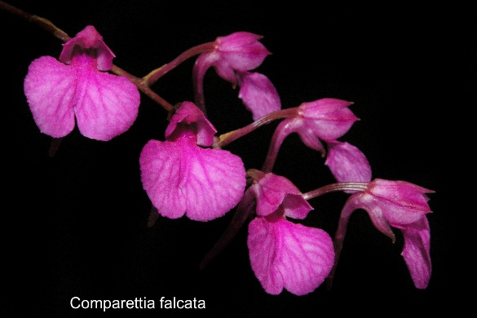 |  | Good size | PFSpr26-08 | Comparettia falcata (SEEDLING) |  | 5 | $120.00 |  | $0.00
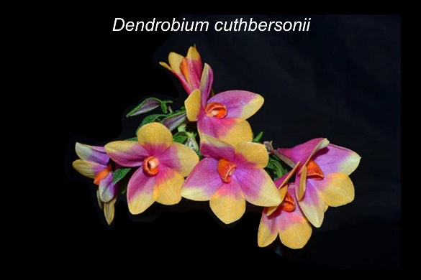 |  | Good size | PFSpr26-09 | Dendrobium cuthbertsonii (SEEDLING) |  | 10 | $105.00 |  | $0.00
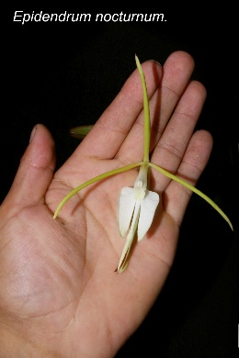 |  | Good size | PFSpr26-10 | Epidendrum nocturnum (SEEDLING) |  | 5 | $105.00 |  | $0.00
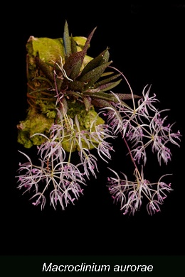 |  | Good size | PFSpr26-11 | Macroclinium aurorae (SEEDLING) - NOTE: 25 seedlings! = NEW PRICE! |  | 6 | $150.00 |  | $0.00
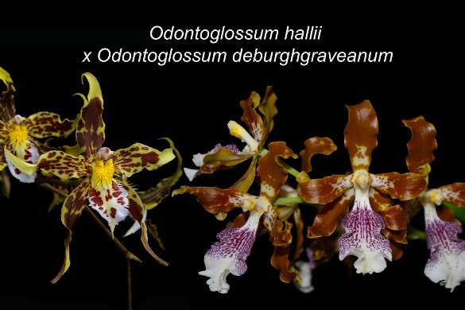 |  | Good size | PFSpr26-12 | Odontoglossum hallii x Odontoglossum deburghgraveanum (SEEDLING) |  | 3 | $90.00 |  | $0.00
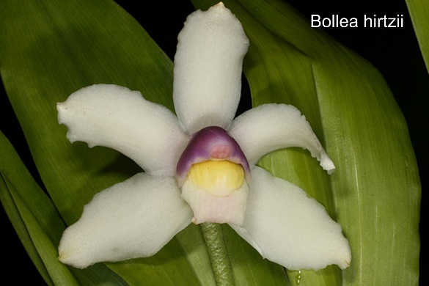 |  | Good size | PFSpr26-13 | Pescatoria (Bollea) hirtzii (SEEDLING) |  | 5 | $90.00 |  | $0.00
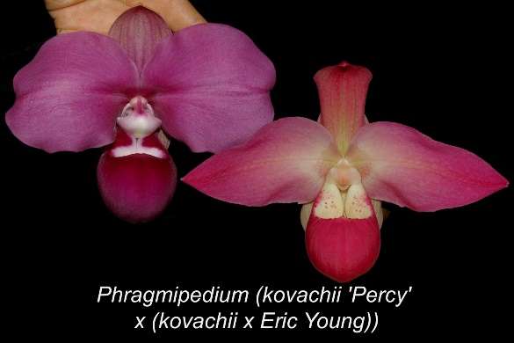 |  | Good size | PFSpr26-14 | Phragmipedium (kovachii 'Percy' x (kovachii x Eric Young)) (SEEDLING) |  | 4 | $175.00 |  | $0.00
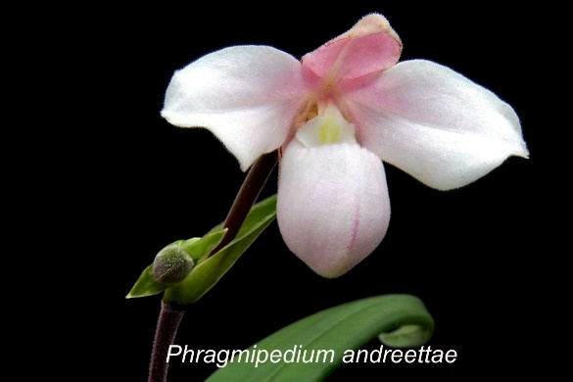 |  | Medium size | PFSpr26-15 | Phragmipedium andreettae (SEEDLING) |  | 4 | $90.00 |  | $0.00
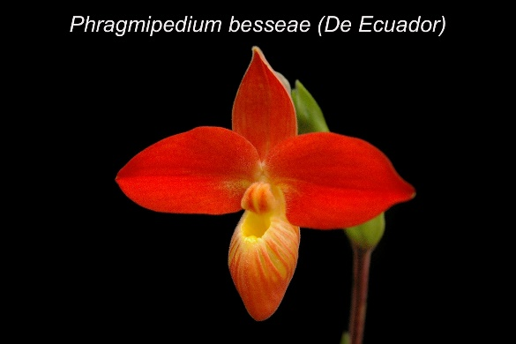 |  | Good size | PFSpr26-16 | Phragmipedium besseae (De Ecuador) (SEEDLING) |  | 3 | $125.00 |  | $0.00
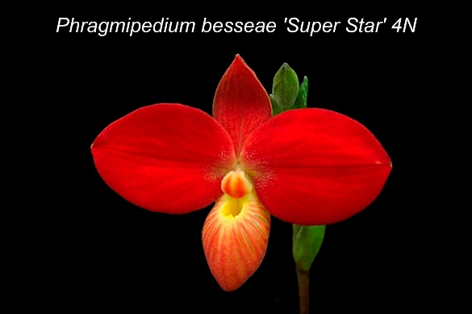 |  | Good size | PFSpr26-17 | Phragmipedium besseae 'Super Star' 4N (SEEDLING) |  | 4 | $210.00 |  | $0.00
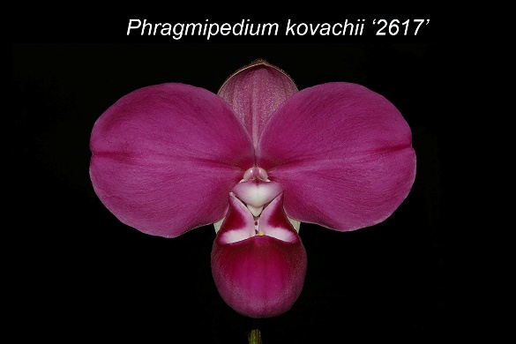 |  | Medium size | PFSpr26-18 | Phragmipedium kovachii (SEEDLING) |  | 5 | $125.00 |  | $0.00
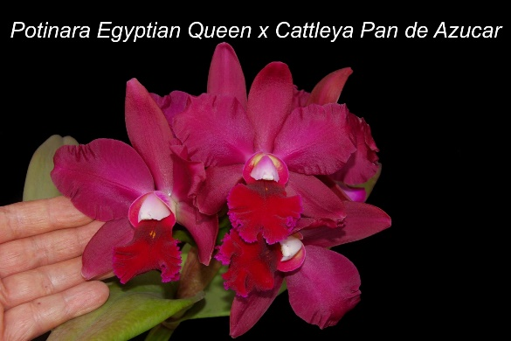 |  | Good size | PFSpr26-19 | Potinara Egyptian Queen x Cattleya Pan de Azucar (MERISTEM) |  | 3 | $105.00 |  | $0.00
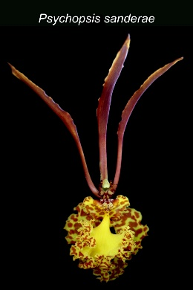 |  | Good size | PFSpr26-20 | Psychopsis sanderae (SEEDLING) |  | 5 | $120.00 |  | $0.00
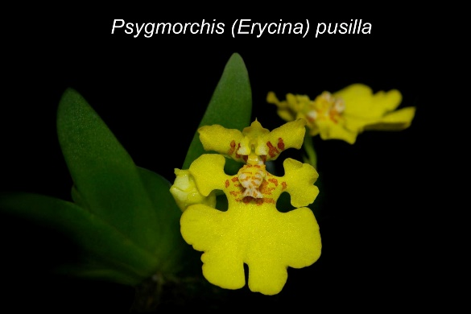 |  | Good size | PFSpr26-21 | Psygmorches pusilla (SEEDLING) - NOTE: 25 seedlings! = NEW PRICE! |  | 5 | $115.00 |  | $0.00
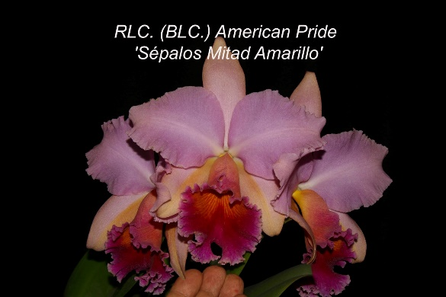 |  | Good size | PFSpr26-22 | Rlc. (Blc.) American Pride 'Sépalos Mitad Amarillo' (MERISTEM) |  | 4 | $90.00 |  | $0.00
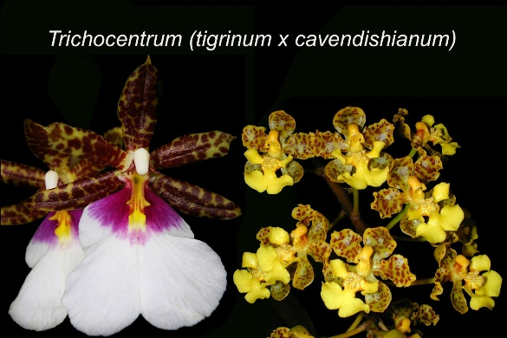 |  | Good size | PFSpr26-23 | Trichocentrum (tigrinum x cavendishianum) (SEEDLING) |  | 5 | $90.00 |  | $0.00
Orchideas Amazonicus ….
Photo Flower | PHOTO IN VITRO PLANT | Height of plant without considering roots | CODE | NAME OF SPECIE OR HYBRID | QTY per Bag | Available | Price $AU
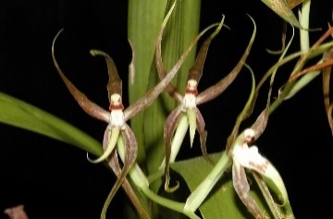 | 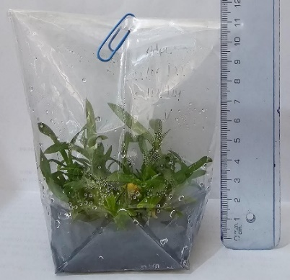 | 6cm | ADPE | Ada peruviana | 12 Seedlings | 4 | $75.00 |  | $0.00
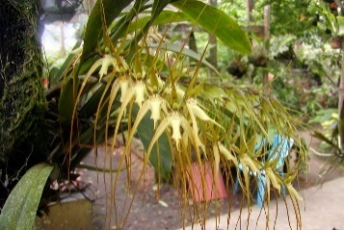 | 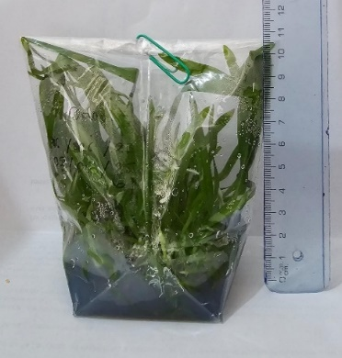 | 9 cm | BRLO | Brassia longissima | 15 Seedlings | 5 | $90.00 |  | $0.00
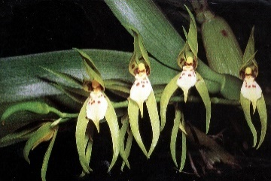 | 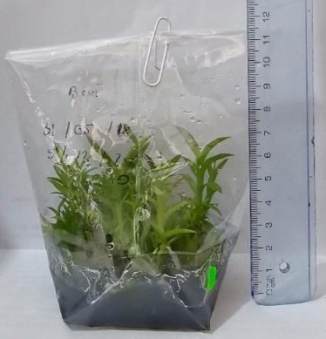 | 5.5 cm | BRVI | Brassia villosa | 18 Seedlings | 4 | $90.00 |  | $0.00
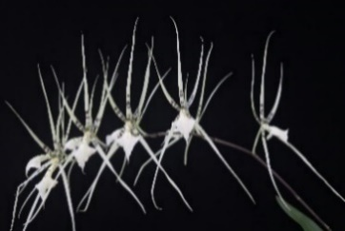 | 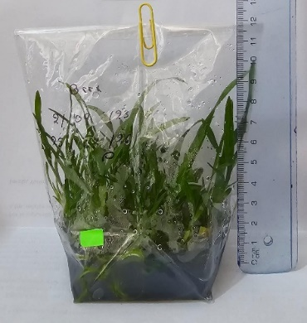 | 8 cm | MOAN | Brassia rex | 15 Seedlings | 6 | $90.00 |  | $0.00
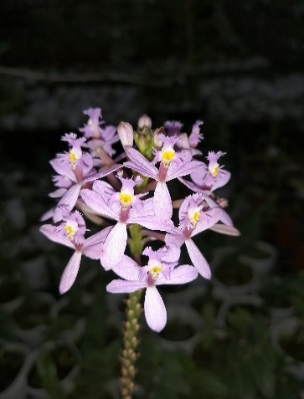 | 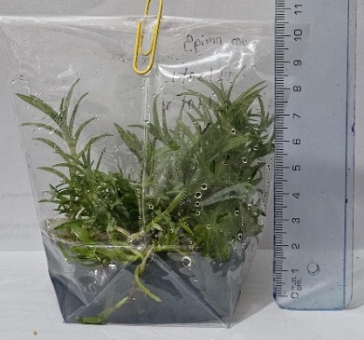 | 7 cm | EPIMA-ROEN | Epidendrum imathophyllum rosado enano | 10 Seedlings | 2 | $75.00 |  | $0.00
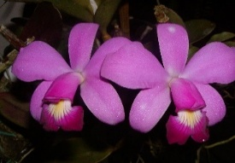 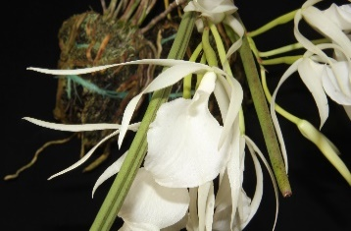 | 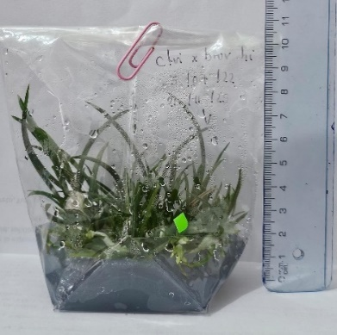 | 6 cm | CTVI x BROV HI | Cattleya violacea x Brassavola ovaliformis Hibrida | 10 Seedlings | 1 | $90.00 |  | $0.00
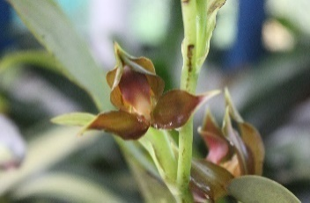 | 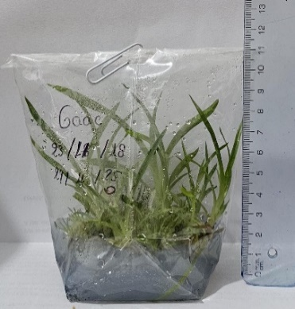 | 8 cm | GAAC | Galeottia acuminata | 1O Seedlings | 3 | $90.00 |  | $0.00
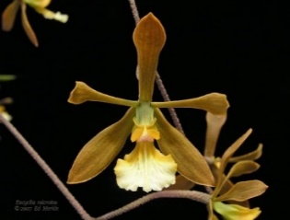 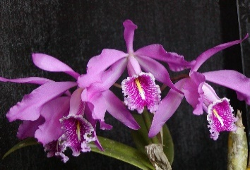 | 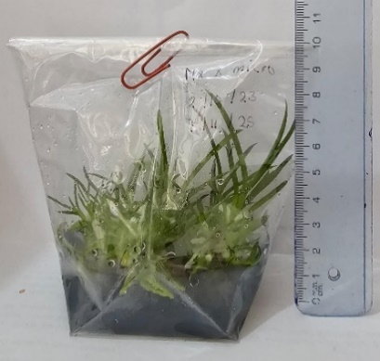 | 5 cm | Mx x Micro | Cattleya maxima x Encyclia microtos | 10 Seedlings | 1 | $90.00 |  | $0.00
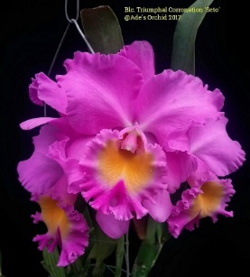 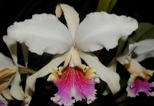 | 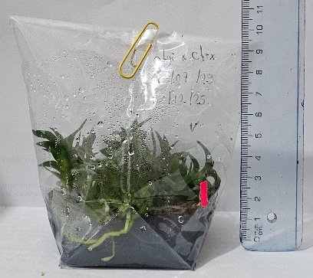 | 4 cm | CTGI x CTRx | Cattleya gigante x Cattleya rex | 10 Seedlings | 4 | $105.00 |  | $0.00
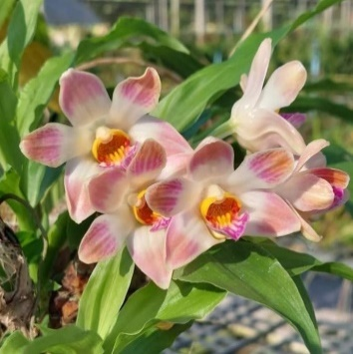 | 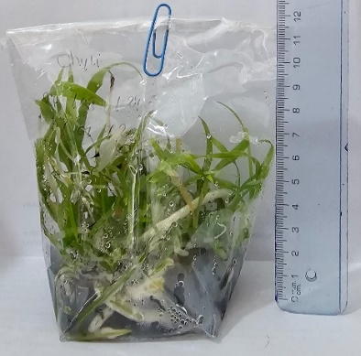 | 8 cm | CHYLI | Chysis limminghei | 10 Seedlings | 6 | $105.00 |  | $0.00
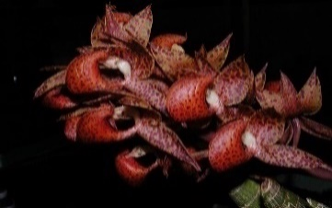 | 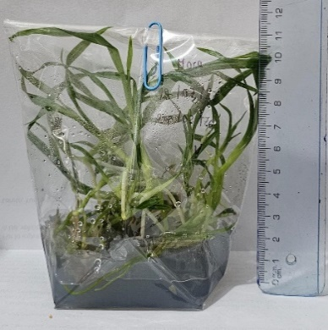 | 10 cm | MORE | Mormodes revolutum | 10 Seedlings | 3 | $90.00 |  | $0.00
 |  | 4 cm | MIBI | Miltoniopsis bismarkii | 10 Seedlings | 3 | $90.00 |  | $0.00
 |  | 8 cm | EPSPLE | Epidendrum splendens | 20 Seedlings | 4 | $75.00 |  | $0.00
 |  | 8 cm | ENCY | Encyclia cyperifolia | 8 Seedlings | 3 | $90.00 |  | $0.00
 |  | 9.5 cm | Peel | Peristeria elata | 10 Seedlings | 2 | $90.00 |  | $0.00
 |  | 9 cm | Moan | Mormodes andicola | 15 Seedlings | 6 | $120.00 |  | $0.00
 |  |  | More | Mormodes revolutum | 10 Seedlings | 6 | $75.00 |  | $0.00
 |  |  | Enra | Encyclia randii | 10 Seedlings | 2 | $75.00 |  | $0.00
 |  |  | Psve | Psychopsis versteegianum | 8 Seedlings | 4 | $75.00 |  | $0.00
 |  |  | PHfs | Phragmipedium Fritz schomburkii | 10 Seedlings | 6 | $90.00 |  | $0.00
 |  |  | Zeon | Zelenkoa onusta | 10 Seedlings | 5 | $75.00 |  | $0.00
 |  |  | PHpe | Phragmipedium besseae Peru | 5 Seedlings | 5 | $90.00 |  | $0.00
 |  |  | Soti | Solenidiopsis tigroides | 10 Seedlings | 6 | $90.00 |  | $0.00
 |  |  | Calu | Cattleya luteola | 10 Seedlings | 3 | $90.00 |  | $0.00
 |  |  | Odbl | Odontoglossum blandum | 15 Seedlings | 5 | $90.00 |  | $0.00
 |  |  | Bohi | Bollea hirtzii | 10 Seedlings | 6 | $105.00 |  | $0.00
 |  |  | Cyco | Cycnoches cooperii | 8 Seedlings | 6 | $90.00 |  | $0.00

 |  |  |  |  |  |  |  |  | $0.00

 |  |  |  | Quantity Discounts: 1-5 flasks NETT,
 |  |  |  | 6-10 flasks less 2.5%,
 |  |  |  | 11-20 less 5%,
 |  |  |  | 21-30 less 10%,
 |  |  |  | 31-40 less 15%,
 |  |  |  | over 40 less 20%

