Sheet1
Oriental Exotic Flora - Khunchai Chang |  | Mallee Phallies Orchid Importers
 |  | Keva & Lesley Lloyd, 13 Glenwill Drive, Epsom, Vic. 3551
 |  | TEL: (03) 5448 3839 MOB: 0418 579998
 |  | E-mail: malleephallies@kevalloyd.com.au
 |  | Enter the desired Quantity of Plants in the Column "Q". The "Total" column will update automatically.
Spring 2022 |  |  | NB. This order form is for your benefit only - Code, Name & Quantity by return email is all that is needed to place an order. |  |  | ↓

Photos |  | Code | Name | Available | Price $AU | My Order | Cost excl. GST

Around 30 seedlings per flask - List updated Sept. 5 to reflect stock on hand …..
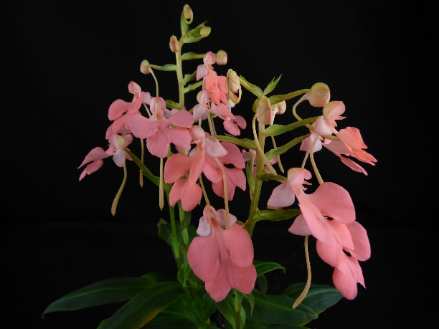 | …............ Similar to | OESpr22-1 | Habenaria carnea 'deep pink' | 5 | $175.00 |  | $0.00
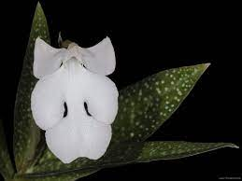 |  | OESpr22-2 | Habenaria carnea 'beautiful leaves' | 2 | $175.00 |  | $0.00
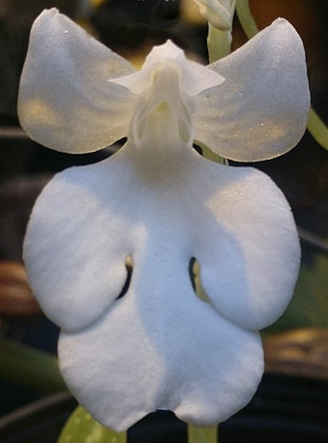 |  | OESpr22-3 | Habenaria carnea 'alba' | 4 | $220.00 |  | $0.00
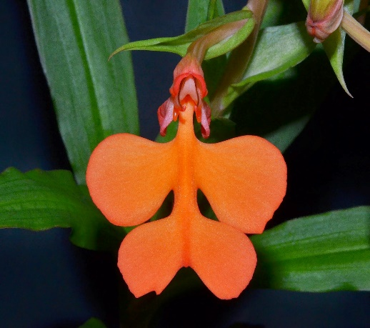 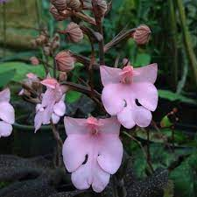 |  | OESpr22-4 | Habenaria roebelenii x Habenaria carnea | 5 | $175.00 |  | $0.00
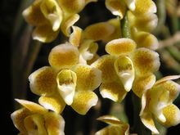 |  | OESpr22-5 | Chiloschista ramifera (fragrant) | 4 | $175.00 |  | $0.00
 |  |  |  |  |  |  | $0.00
 |  |  |  |  |  |  | $0.00

 |  |  |  |  |  |  | $0.00

 |  |  | Quantity Discounts: 1-5 flasks NETT,
 |  |  | 6-10 flasks less 2.5%,
 |  |  | 11-20 less 5%,
 |  |  | 21-30 less 10%,
 |  |  | 31-40 less 15%,
 |  |  | over 40 less 20%

