Sheet1
Kasorn Orchids Thailand |  | Mallee Phallies Orchid Importers
 |  | Keva Lloyd, 13 Glenwill Drive, Epsom, Vic. 3551
 |  | MOB: 0418 579998
 |  | E-mail: malleephallies@kevalloyd.com.au
 |  | ABN: 33 283 878 060
Spring 2026 |  | Enter the desired Quantity of Plants in the Column "Q". The "Total" column will update automatically.
 |  |  | NB. This order form is for your benefit only - Code, Name & Quantity by return email is all that is needed to place an order. |  |  | ↓

Photos |  | Memo | Name | Available | Price $AU | My Order | Cost excl. GST

NB: Photos shown here have been sourced from the web and may therefore be subjected to copyright!
 | NB: The "Available" column indicates which is in stock …..
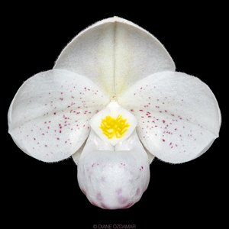 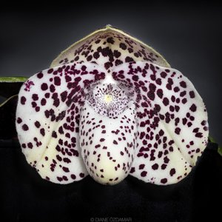 |  | MCD-2341 | Paphiopedilum (thianum x bellatulum) | 6 | $90.00 |  | $0.00
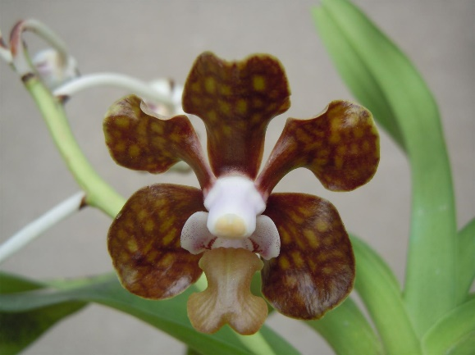 | 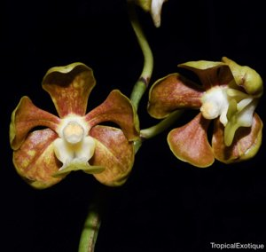 | MCD-2360 | Vanda (brunnea x petersiana) | 6 | $65.00 |  | $0.00
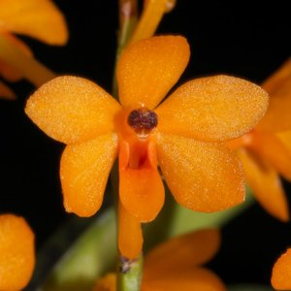 |  | MCD-2371 | Vanda garayi | 4 | $65.00 |  | $0.00
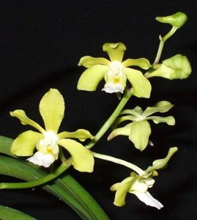 | 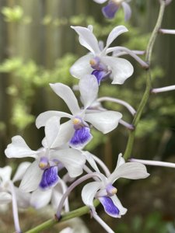 | MCD-2377 | (Vanda Chao Praya Emerald x Rhctm. Sagarik) x Vanda coerulescens | 6 | $65.00 |  | $0.00
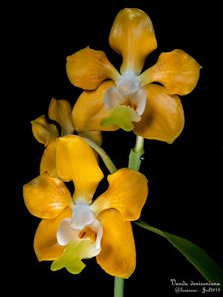 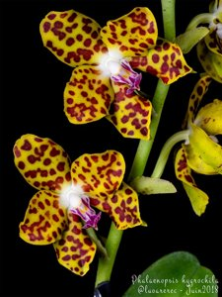 |  | MCD-2385 | Vanda denisoniana x Phalaenopsis marriottiana | 2 | $90.00 |  | $0.00

 |  |  |  |  |  |  | $0.00

 |  |  | Quantity Discounts: 1-5 flasks NETT,
 |  |  | 6-10 flasks less 2.5%,
 |  |  | 11-20 less 5%,
 |  |  | 21-30 less 10%,
 |  |  | 31-40 less 15%,
 |  |  | over 40 less 20%

