Sheet1
Kasorn Orchids, Thailand | Mallee Phallies Orchid Importers
 | Keva & Lesley Lloyd, 13 Glenwill Drive, Epsom, Vic. 3551
 | TEL: (03) 5448 3839 MOB: 0418 579998
 | E-mail: malleephallies@kevalloyd.com.au
 | ABN: 94 651 095 473
Spring-Summer 2023 | Enter the desired Quantity of Plants in the Column "Q". The "Total" column will update automatically.
 |  | NB. This order form is for your benefit only - Code, Name & Quantity by return email is all that is needed to place an order. |  |  | ↓

Photos | Memo | Name | Available | Price $AU | My Order | Cost excl. GST

NB: Photos shown here have been sourced from the web and may therefore be subjected to copyright!
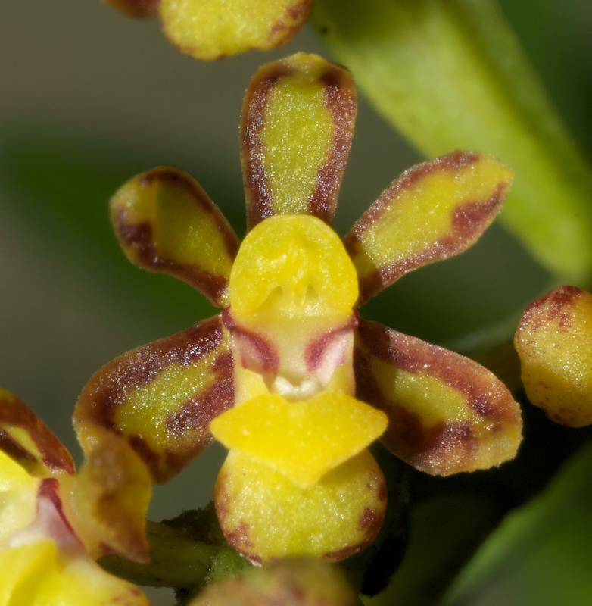 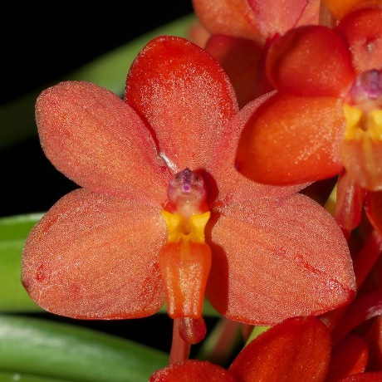 | MCD-2109 | Pomatocalpa diffusum x Vanda curvifolia | 8 flasks | $75.00 |  | $0.00
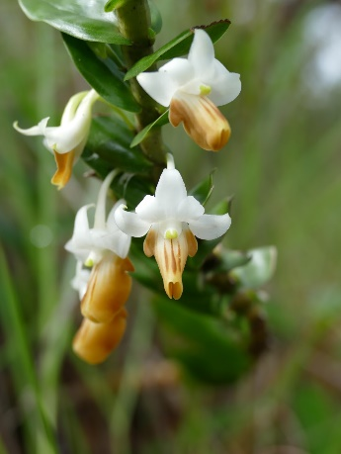 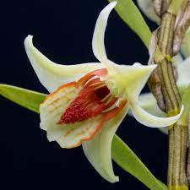 | MCD-2114 | Dendrobium (ellipsophyllum x cruentum) | 8 flasks | $75.00 |  | $0.00
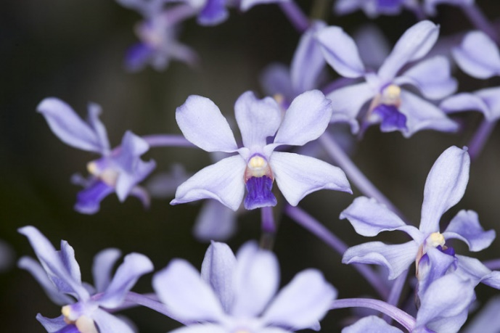 | MCD-2123 | Vanda coerulescens | 5 flasks | $80.00 |  | $0.00
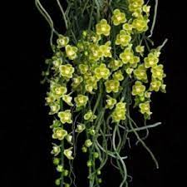 | MCD-2131 | Chiloschista viridiflava | 8 flasks | $75.00 |  | $0.00
 | MCH-8 | Paphiopedilum josianae | 3 flasks | $85.00 |  | $0.00
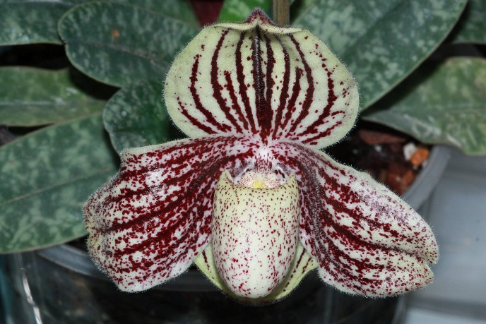 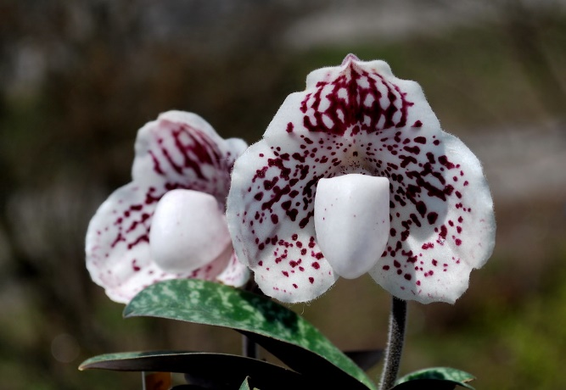 | MCH-34 | Paphiopedilum (godefroyae x myanmaricum) | 5 flasks | $85.00 |  | $0.00
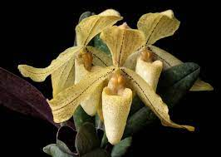 | MCH-48 | Paphiopedilum (josianae x myanmaricum) | 10 flasks | $85.00 |  | $0.00
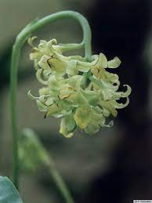 | MCH-61 | Geodorum siamense | 5 flasks | $75.00 |  | $0.00
 | MCH-103 | Vanda curvifolia | 2 flasks | $80.00 |  | $0.00
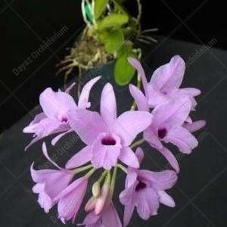 | MCH-104 | Laelia rubescens | 5 flasks | $75.00 |  | $0.00
 |  |  |  |  |  | $0.00

 |  |  |  |  |  | $0.00

 |  | Quantity Discounts: 1-5 flasks NETT,
 |  | 6-10 flasks less 2.5%,
 |  | 11-20 less 5%,
 |  | 21-30 less 10%,
 |  | 31-40 less 15%,
 |  | over 40 less 20%

