Sheet1
Kasorn Orchids, Thailand |  | Mallee Phallies Orchid Importers
 |  | Keva & Lesley Lloyd, 13 Glenwill Drive, Epsom, Vic. 3551
 |  | TEL: (03) 5448 3839 MOB: 0418 579998
Spring-Summer 2021 |  | E-mail: malleephallies@kevalloyd.com.au
 |  | Enter the desired Quantity of Plants in the Column "Q". The "Total" column will update automatically.
 |  |  | NB. This order form is for your benefit only - Code, Name & Quantity by return email is all that is needed to place an order. |  |  | ↓

Pre-orders are now OPEN! Stock is strictly limited. Please see the "Available" column …..

Photos |  | Code | Name | Available | Price $AU | My Order | Cost excl. GST

Photos below have been sourced from Google and may be subject to copyright!
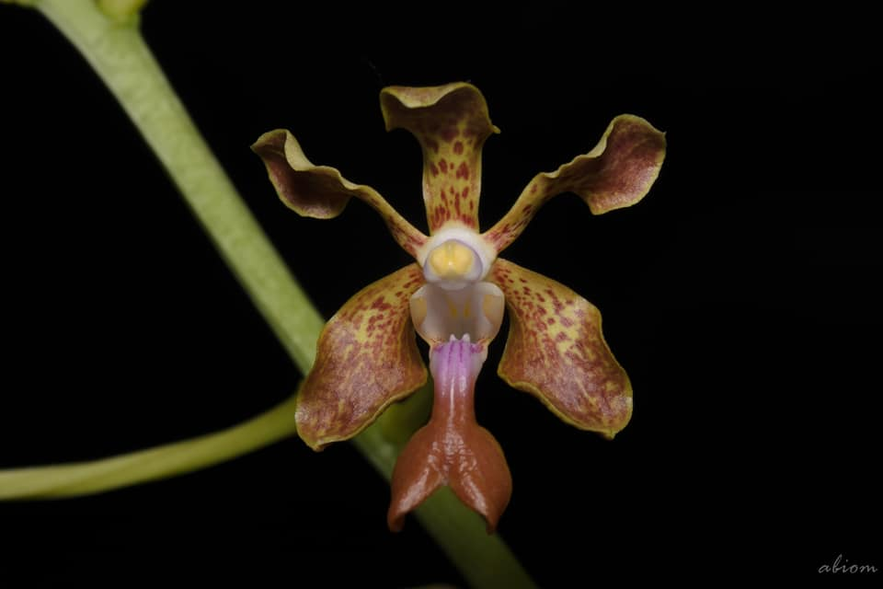 | 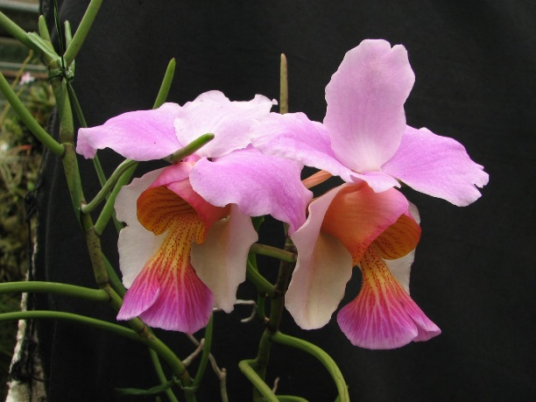 | MCD-1796 | Vanda (Kasorn Extraordinary x teres) | 1 | $79.00 |  | $0.00
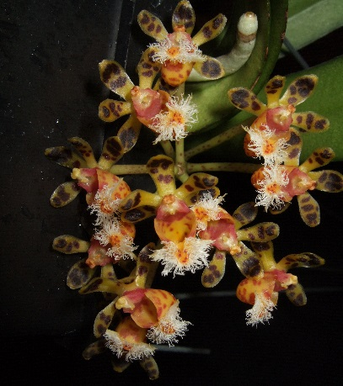 |  | MCD-1805 | Gastrochilus calceolaris | 2 | $79.00 |  | $0.00
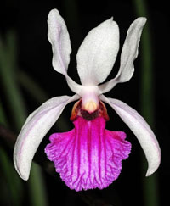 |  | MCD-1841 | Holcoglossum kimballianum | 12 | $69.00 |  | $0.00
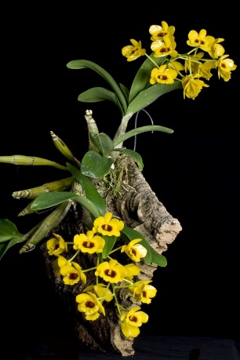 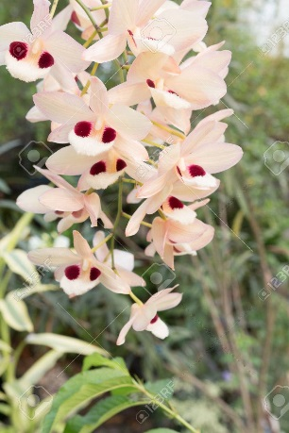 |  | MCD-1869 | Dendrobium (chrysotoxum x pulchellum) | 1 | $79.00 |  | $0.00
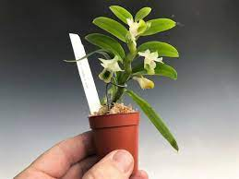 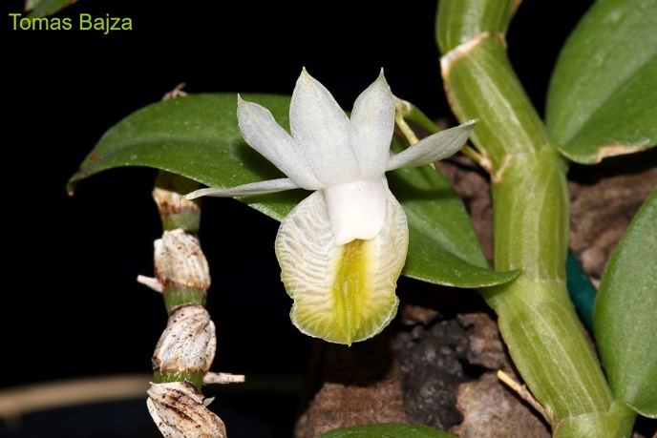 |  | MCD-1889 | Dendrobium trinervium | 4 | $79.00 |  | $0.00

 |  |  |  |  |  |  | $0.00

 |  |  | Quantity Discounts: 1-5 flasks NETT,
 |  |  | 6-10 flasks less 2.5%,
 |  |  | 11-20 less 5%,
 |  |  | 21-30 less 10%,
 |  |  | 31-40 less 15%,
 |  |  | over 40 less 20%

