Sheet1
Kasorn Orchids, Thailand | Mallee Phallies Orchid Importers
 | Keva & Lesley Lloyd, 13 Glenwill Drive, Epsom, Vic. 3551
 | TEL: (03) 5448 3839 MOB: 0418 579998
Autumn 2021 | E-mail: malleephallies@kevalloyd.com.au
 | Enter the desired Quantity of Plants in the Column "Q". The "Total" column will update automatically.
 |  | NB. This order form is for your benefit only - Code, Name & Quantity by return email is all that is needed to place an order. |  |  | ↓

Pre-orders are now open. Stock is strictly limited. Please see the "Available now!" column …..

Photos | Code | Name | Available | Price $AU | My Order | Cost excl. GST

Photos below have been sourced from Google and may be subject to copyright! |  | Paphs - 20 plants per flask, Others - 30. | Updated 10/2/21
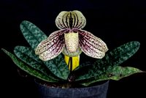 | MCD-1652 | Paphiopedilum myanmaricum | Sold out, sorry! | $79.00 |  | $0.00
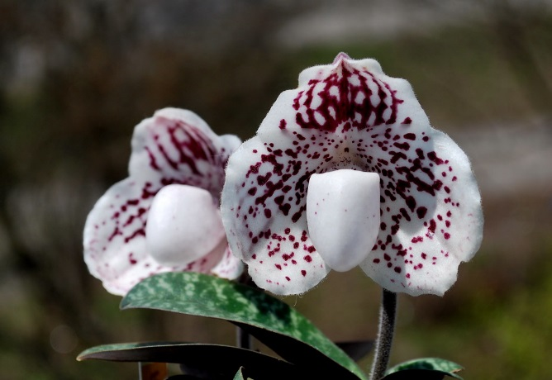 | MCD-1653 | Paphiopedilum (godefroyae x myanmaricum) | Sold out, sorry! | $69.00 |  | $0.00
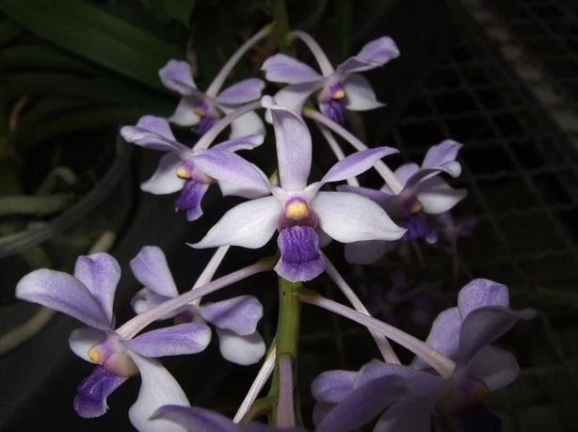 | MCD-1700 | Vanda coerulescens | 2 | $65.00 |  | $0.00
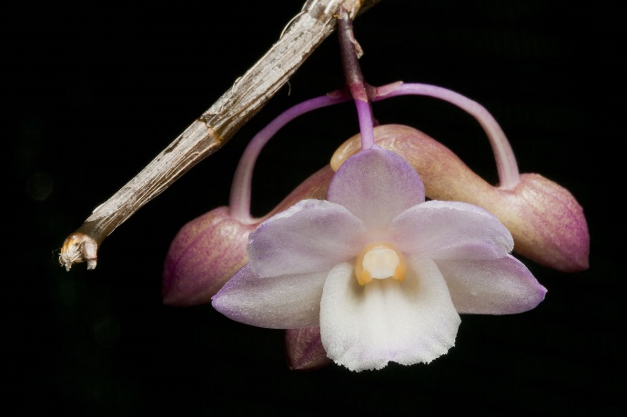 | MCD-1736 | Dendrobium cumulatum | 8 | $65.00 |  | $0.00
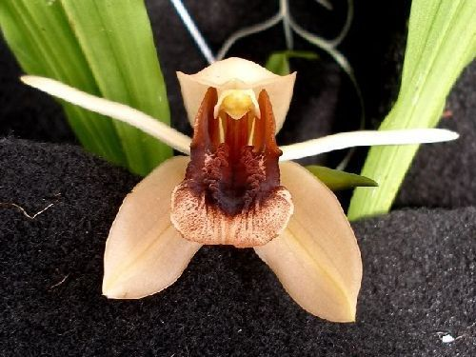 | MCD-1738 | Coelogyne xyrekes | 8 | $65.00 |  | $0.00

 |  |  |  |  |  | $0.00

 |  | Quantity Discounts: 1-5 flasks NETT,
 |  | 6-10 flasks less 2.5%,
 |  | 11-20 less 5%,
 |  | 21-30 less 10%,
 |  | 31-40 less 15%,
 |  | over 40 less 20%

