Sheet1
 |  | Mallee Phallies Orchid Importers
 |  | Keva Lloyd, 13 Glenwill Drive, Epsom, Vic. 3551
 |  | MOB: 0418 579998
 |  | E-mail: malleephallies@kevalloyd.com.au
 |  | ABN: 33 283 878 060
Spring 2026 |  | Enter the desired Quantity of Plants in the Column "Q". The "Total" column will update automatically.
 |  |  |  | NB. This order form is for your benefit only - Code, Name & Quantity by return email is all that is needed to place an order. |  |  | ↓

Photos |  | Code | Memo | Name | Available | Price $AU | My Order | Cost excl. GST

 |  | New releases highlighted in Gold …
Dendrobium Special 'Variegated' Variety (40 Plants/Flask)
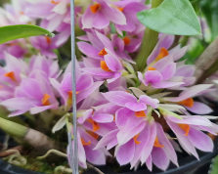 |  | KANSpr26-D1 | MKAN-575 | Dendrobium Sakurako | 1 | $80.00 |  | $0.00
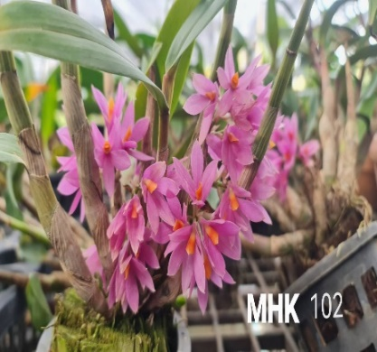 |  | KANSpr26-D2 | MHK-102, MHK-92 | Dendrobium Hibiki | 3 | $80.00 |  | $0.00
Dendrobium Special Variety (40 Plants/Flask)
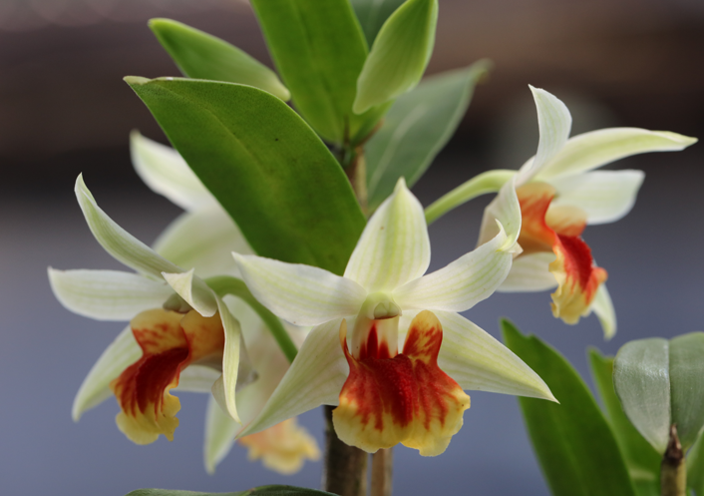 |  | KANSpr26-D3 | MHK-28 | Dendrobium (Frosty Dawn x Dawn Maree) x cruentum | 1 | $60.00 |  | $0.00
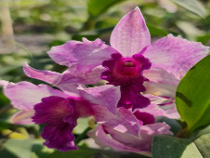 |  | KANSpr26-D4 | AUS-21 | Dendrobium Emma Proud King | 0 | $60.00 |  | $0.00
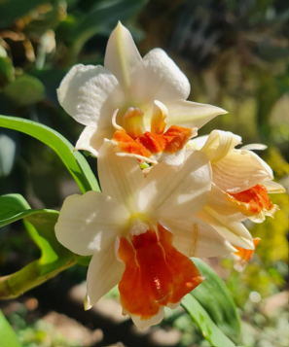 |  | KANSpr26-D5 | MHK-104 | Dendrobium Rungkamol | 0 | $60.00 |  | $0.00
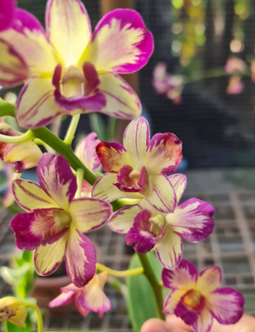 |  | KANSpr26-D6 | FAN-471 | Dendrobium Ang Peng Boon ( (5% variegation as motherplant) | 2 | $60.00 |  | $0.00
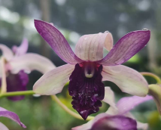 |  | KANSpr26-D7 | FAN-462 | Dendrobium Indonesia Raya Blue | 0 | $60.00 |  | $0.00
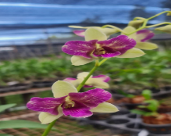 |  | KANSpr26-D8 | FAN-474 | Dendrobium Areedang Blue 3 lip | 0 | $60.00 |  | $0.00
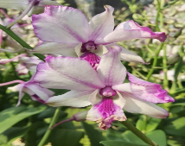 |  | KANSpr26-D9 | FAN-519 | Dendrobium Pop's Eye 'Varigrated' | 1 | $60.00 |  | $0.00
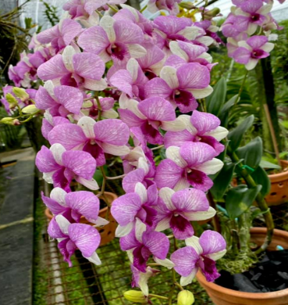 |  | KANSpr26-D10 | FAN-497 | Dendrobium Triple Fantasy # 497 | 3 | $60.00 |  | $0.00
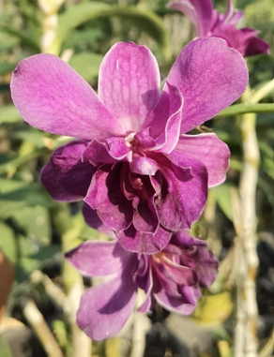 |  | KANSpr26-D11 | สส-305 | Dendrobium Betty Rose Purple | 0 | $60.00 |  | $0.00
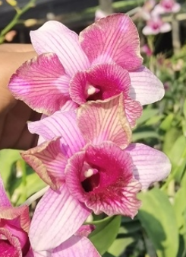 |  | KANSpr26-D12 | สส-306 | Dendrobium King Dragon Stripe | 1 | $60.00 |  | $0.00
Dendrobium King Dragon and Twisted Variety (40 Plants/Flask)
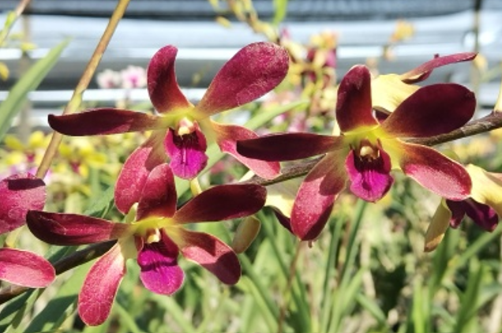 |  | KANSpr26-D13 | สส-300 | Dendrobium Uthai Brown | 0 | $45.00 |  | $0.00
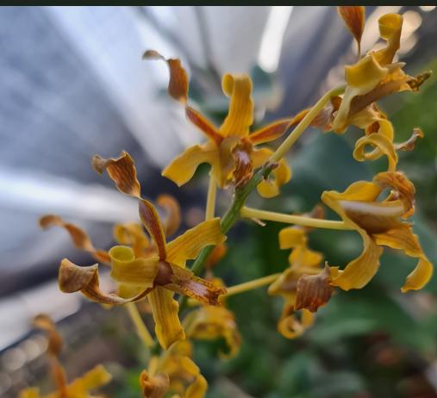 |  | KANSpr26-D14 | FAN-409 | Dendrobium Chan Chao 'Golden Horn' | 0 | $45.00 |  | $0.00
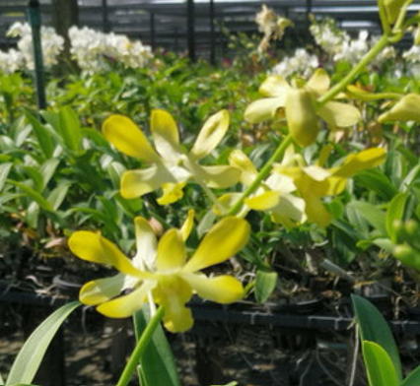 |  | KANSpr26-D15 | FAN-456 | Dendrobium Burana Royal | 1 | $45.00 |  | $0.00
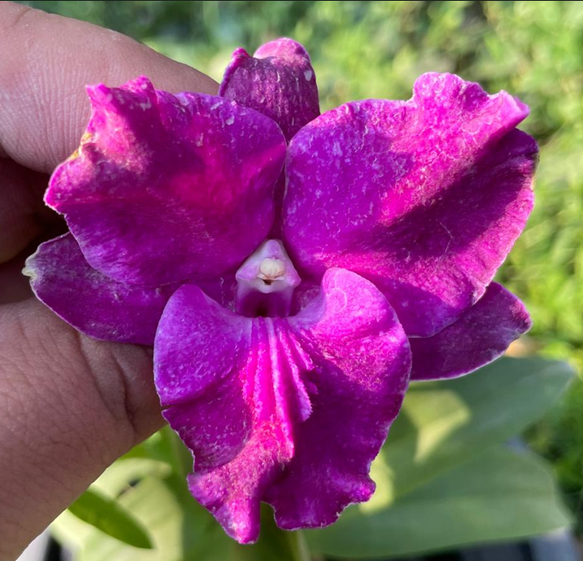 |  | KANSpr26-D16 | FAN-525 | Dendrobium King Dragon Purple | 3 | $45.00 |  | $0.00
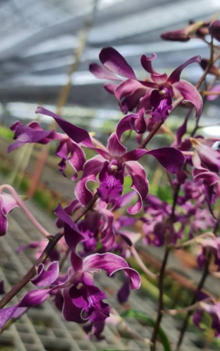 |  | KANSpr26-D17 | FAN-464 | Dendrobium King Caesar # 464 | 0 | $45.00 |  | $0.00
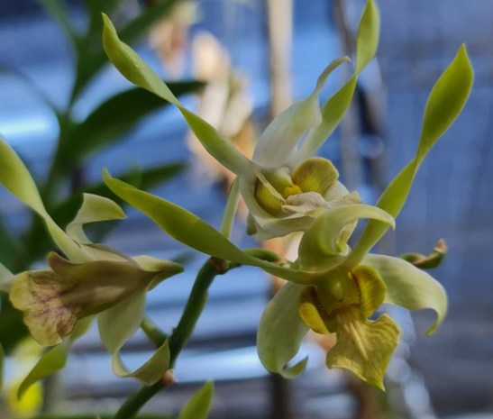 |  | KANSpr26-D18 | MHK-103 | Dendrobium Rabbi (Spatulata) | 0 | $45.00 |  | $0.00
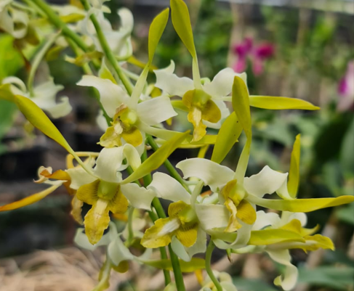 |  | KANSpr26-D19 | สส-292 | Dendrobium Chan Chao (Fragrant) | 0 | $45.00 |  | $0.00
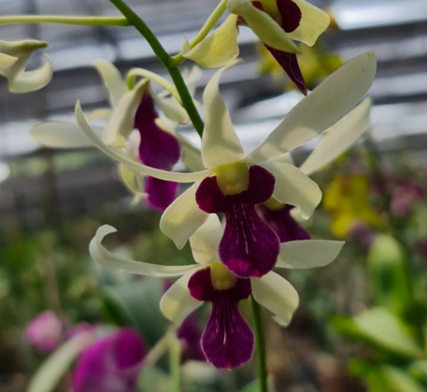 |  | KANSpr26-D20 | MHK-114 | Dendrobium (Mee Seang Nile x Stratiofes ) | 0 | $45.00 |  | $0.00
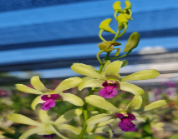 |  | KANSpr26-D21 | MHK-96 | Dendrobium Uthai Green | 0 | $45.00 |  | $0.00
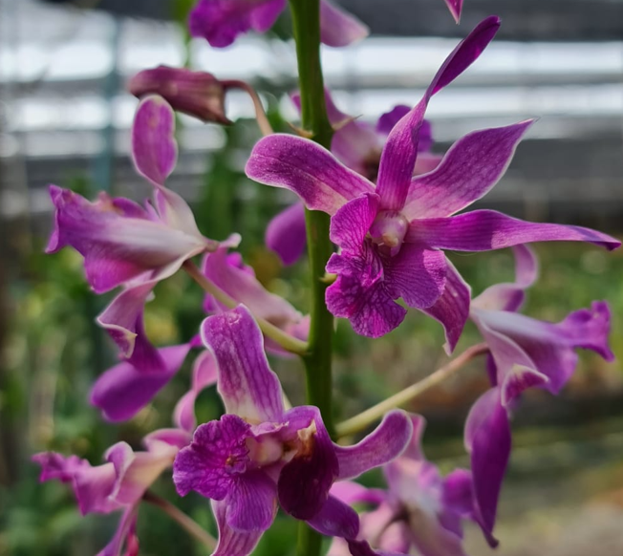 |  | KANSpr26-D22 | MHK-119 | Dendrobium (Caesar Pink x lasianthera) | 1 | $45.00 |  | $0.00
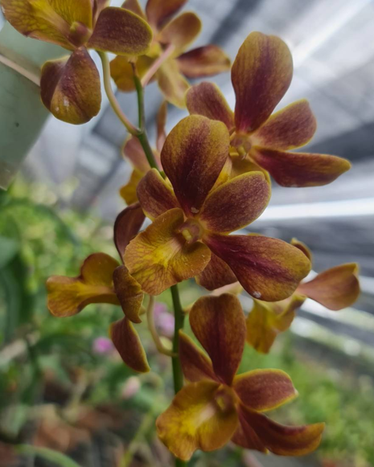 |  | KANSpr26-D23 | MHK-100 | Dendrobium (Jiad Gold x Jairak Min) | 2 | $45.00 |  | $0.00
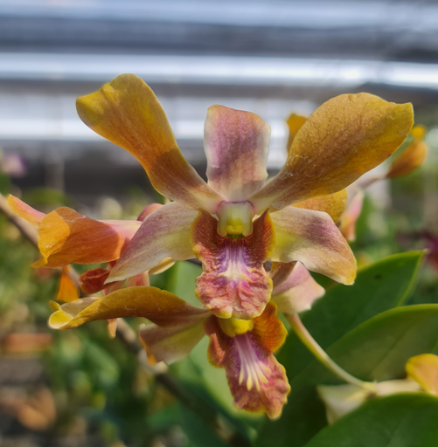 |  | KANSpr26-D24 | MHK-42 | Dendrobium (Brownderby x lasianthera) # 42 | 0 | $45.00 |  | $0.00
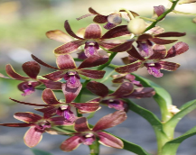 |  | KANSpr26-D25 | FAN-493 | Dendrobium (Sampran Brown x cobra) # 493 | 0 | $45.00 |  | $0.00
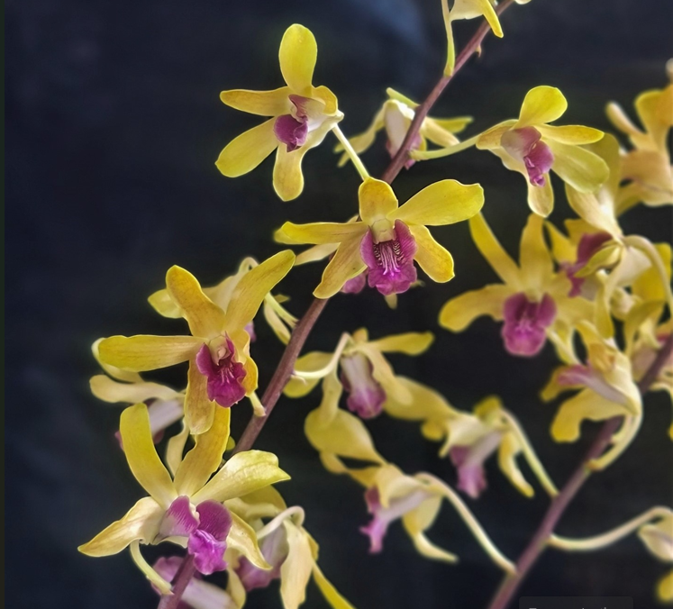 |  | KANSpr26-D26 | MHK-115 | Dendrobium Uraiwan Horizon | 0 | $45.00 |  | $0.00
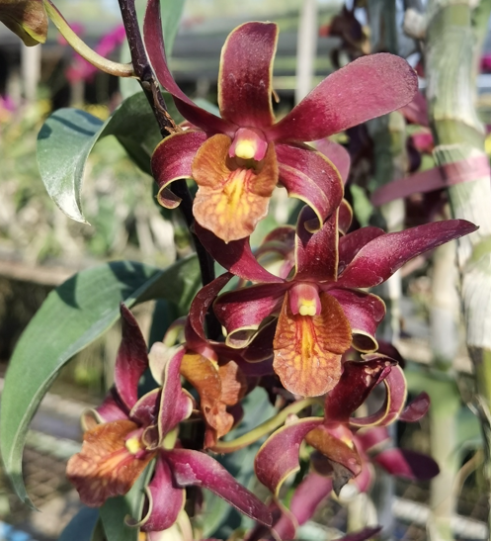 |  | KANSpr26-D27 | สส-301 | Dendrobium (Cobra x lasianthera) | 0 | $45.00 |  | $0.00
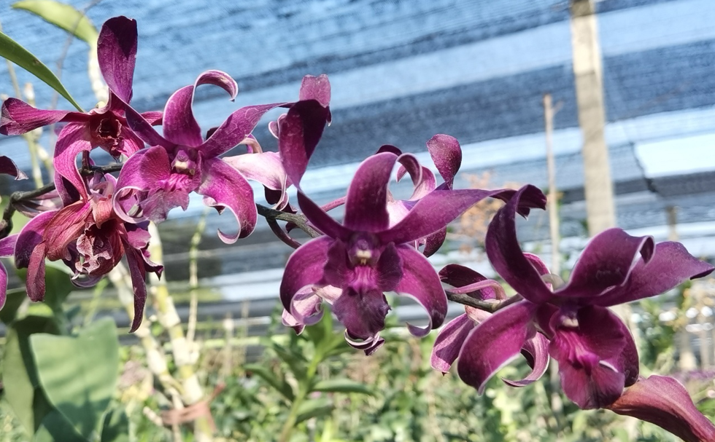 |  | KANSpr26-D28 | สส-302 | Dendrobium King Caesar # 302 | 1 | $45.00 |  | $0.00
Dendrobium (40 Plants/Flask)
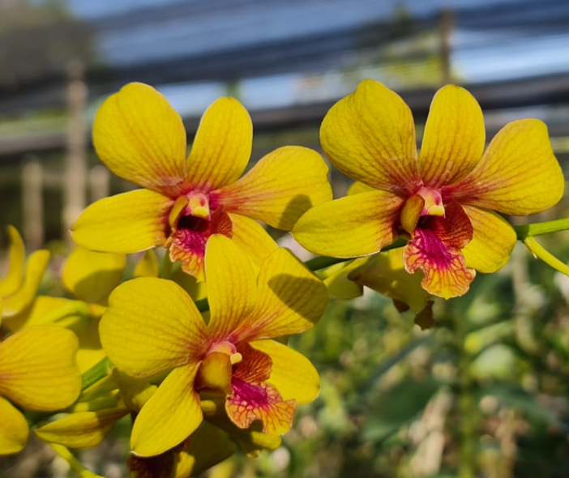 |  | KANSpr26-D29 | สส-294 | Dendrobium (Thongchai Gold x Boonchu Gold) | 1 | $40.00 |  | $0.00
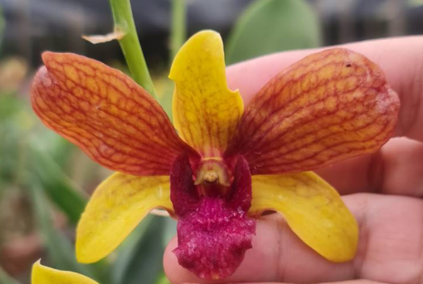 |  | KANSpr26-D30 | MHK-58 | Dendrobium Thongchai Gold Splash | 0 | $40.00 |  | $0.00
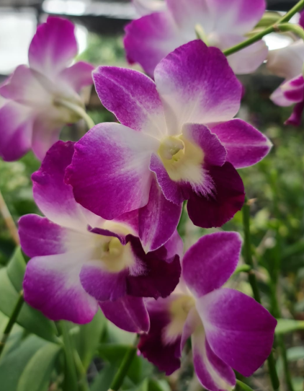 |  | KANSpr26-D31 | FAN-482 | Dendrobium Sonia Erika | 0 | $40.00 |  | $0.00
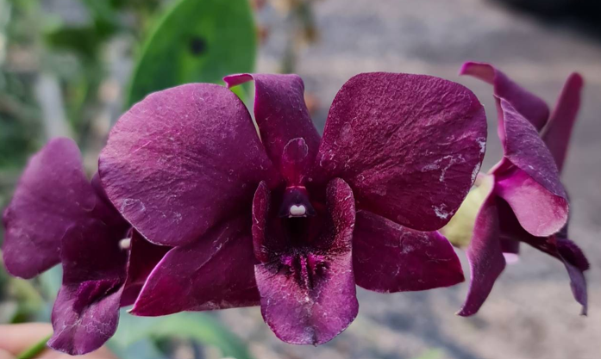 |  | KANSpr26-D32 | MHK-117สส-293 | Dendrobium Black Pearl | 3 | $40.00 |  | $0.00
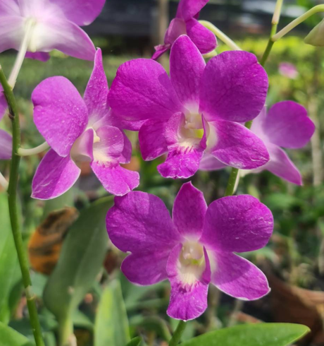 |  | KANSpr26-D33 | MHK-88 | Dendrobium Emma Queen | 0 | $40.00 |  | $0.00
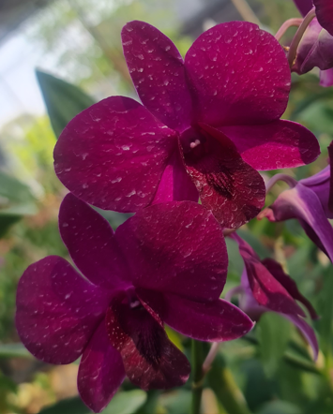 |  | KANSpr26-D34 | FAN-442 | Dendrobium (Sakda Beauty x Udomsri Beauty) | 0 | $40.00 |  | $0.00
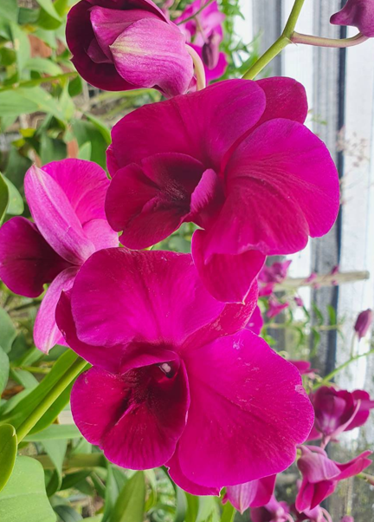 |  | KANSpr26-D35 | สส-287 | Dendrobium Orawan Red | 2 | $40.00 |  | $0.00
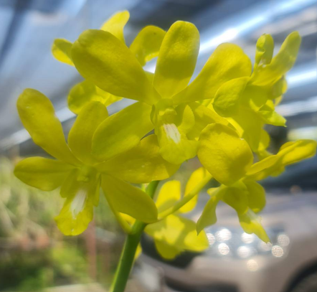 |  | KANSpr26-D36 | MHK-52 | Dendrobium Thongchai Gold 'Pure's Gold' | 2 | $40.00 |  | $0.00
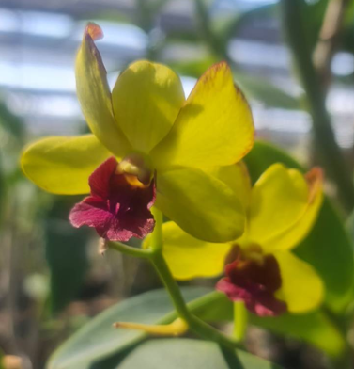 |  | KANSpr26-D37 | MHK-51 | Dendrobium Thongchai Gold 'Viroj' | 0 | $40.00 |  | $0.00
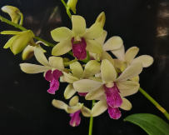 |  | KANSpr26-D38 | FAN-509 | Dendrobium Woon Leng | 0 | $40.00 |  | $0.00
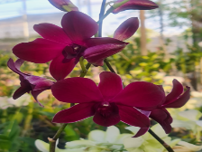 |  | KANSpr26-D39 | FAN-443 | Dendrobium Red Bull 'LD' Krating Daeng | 1 | $40.00 |  | $0.00
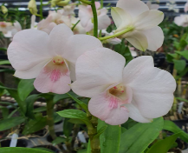 |  | KANSpr26-D40 | FAN-490 | Dendrobium Suree Peach var 'Kanjana' | 1 | $40.00 |  | $0.00
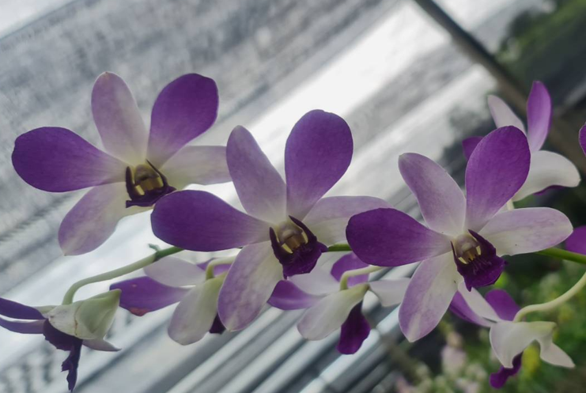 |  | KANSpr26-D41 | MHK-86 | Dendrobium Areedang Blue | 1 | $40.00 |  | $0.00
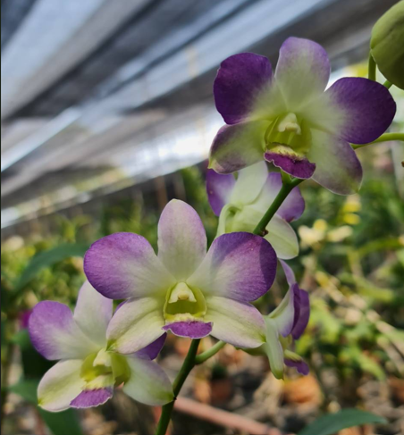 |  | KANSpr26-D42 | MHK-111 | Dendrobium Areedang Blue # 2 | 0 | $40.00 |  | $0.00
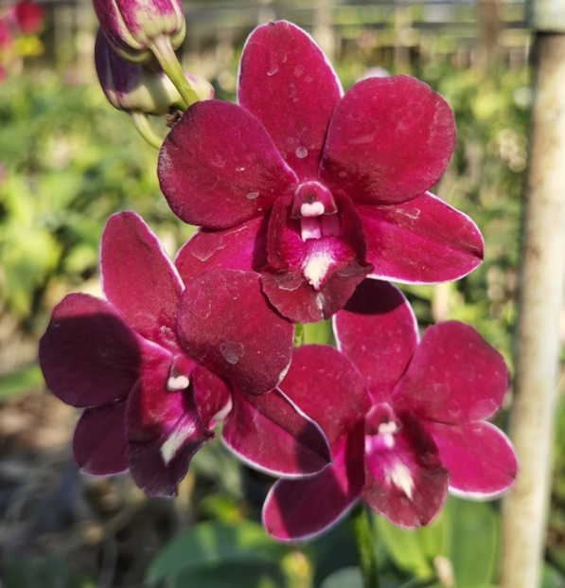 |  | KANSpr26-D43 | สส-296 | Dendrobium Red Dragon | 1 | $40.00 |  | $0.00
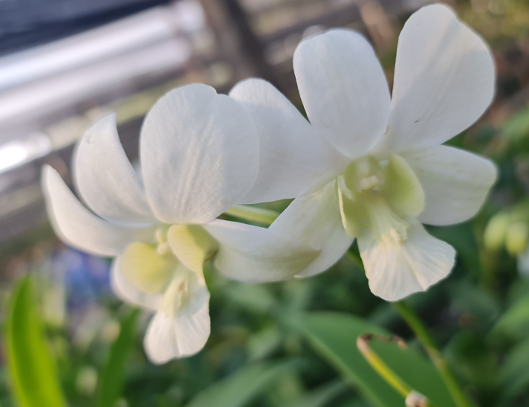 |  | KANSpr26-D44 | MHK-118 | Dendrobium Shavin White | 0 | $40.00 |  | $0.00
Extra Dendrobiums (40 Plants/Flask)
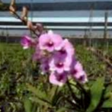 |  | KANSpr26-D45 |  | Dendrobium Noble Woman | 0 | $40.00 |  | $0.00
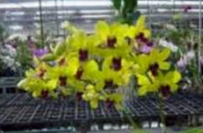 |  | KANSpr26-D46 |  | Dendrobium Maynin Uraiwan | 4 | $40.00 |  | $0.00
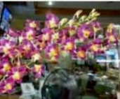 |  | KANSpr26-D47 |  | Dendrobium Burana Sunshine | 2 | $40.00 |  | $0.00
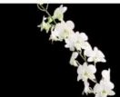 |  | KANSpr26-D48 |  | Dendorbium Vichian White | 0 | $40.00 |  | $0.00
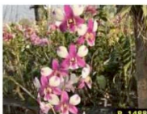 |  | KANSpr26-D49 |  | Dendrobium Tanida Panda | 5 | $40.00 |  | $0.00
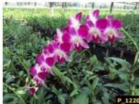 |  | KANSpr26-D50 |  | Dendrobium Sonia Earsakul | 0 | $40.00 |  | $0.00
 |  | KANSpr26-D51 |  | Dendrobium Sonia White | 0 | $40.00 |  | $0.00
 |  | KANSpr26-D52 |  | Dendrobium Airy Wealthy Stripe | 4 | $40.00 |  | $0.00
 |  | KANSpr26-D53 |  | Dendrobium Airy Lucky Pink | 4 | $40.00 |  | $0.00
 |  | KANSpr26-D54 |  | Dendrobium Airy Unicorn | 6 | $40.00 |  | $0.00
 |  | KANSpr26-D55 |  | Dendrobium Airy New Norn | 5 | $40.00 |  | $0.00
 |  | KANSpr26-D56 |  | Dendrobium (Big Ham x Thailand) | 3 | $40.00 |  | $0.00
 |  | KANSpr26-D57 |  | Dendrobium King Dragon #736 | 2 | $45.00 |  | $0.00
 |  | KANSpr26-D58 |  | Dendrobium Burana Green variegated | 4 | $60.00 |  | $0.00
 |  | KANSpr26-D59 |  | Dendrobium Bangkok Splash (5% variegation as motherplant) | 3 | $60.00 |  | $0.00
 |  | KANSpr26-D60 |  | Dendrobium Blue Planet | 2 | $40.00 |  | $0.00
 |  | KANSpr26-D61 |  | Dendrobium Jairak Min | 2 | $40.00 |  | $0.00
 |  | KANSpr26-D62 |  | Dendrobium Yellow Red Lip | 2 | $40.00 |  | $0.00
 |  | KANSpr26-D63 |  | Dendrobium (Toshiko Blue x Izumi) | 2 | $40.00 |  | $0.00
 |  | KANSpr26-D64 |  | Dendrobium Nopporn Star Bright | 2 | $45.00 |  | $0.00
 |  | KANSpr26-D65 |  | Dendrobium Caesar Green | 2 | $45.00 |  | $0.00
Tolumnia Mericlones (40 Plants/Flask)
 |  | KANSpr26-T1 | MKAN-577 | Tolumnia Jairak Flyer Super Red | 0 | $60.00 |  | $0.00
 |  | KANSpr26-T2 | MKAN-459 | Tolumnia Yellow / Brown #2 | 2 | $60.00 |  | $0.00
Oncidium (30 - 40 Plants/Flask)
 |  | KANSpr26-O1 | MKAN-486 | Onc. Yellow Star x Brassia On The Run | 0 | $60.00 |  | $0.00
 |  | KANSpr26-O2 |  | Oncidium Wildcat 'Bobcat' | 0 | $80.00 |  | $0.00
 |  | KANSpr26-O3 |  | Oncidium Wildcat 'Petite Sirah' | 0 | $80.00 |  | $0.00
 |  | KANSpr26-O4 |  | Oncidium Kawai's Choice 'Pacific Paradise' | 0 | $80.00 |  | $0.00
 |  | KANSpr26-O5 |  | Sharry Baby 'Red Fantasy' | 0 | $80.00 |  | $0.00
 |  | KANSpr26-O6 |  | Colm. Massaai Red Star | 0 | $80.00 |  | $0.00
 |  | KANSpr26-O7 |  | Wils. Space Mine 'Red Rendezvous' | 0 | $80.00 |  | $0.00
 |  | KANSpr26-O8 |  | Onc. Red Claw | 0 | $80.00 |  | $0.00
 |  | KANSpr26-O9 |  | Wils. Beauty | 0 | $80.00 |  | $0.00
 |  | KANSpr26-O10 |  | Colm. Song Red | 0 | $80.00 |  | $0.00
 |  | KANSpr26-O11 |  | Odcdm. Burgundy Sensation | 0 | $80.00 |  | $0.00
 |  | KANSpr26-O12 |  | Colm. Cheeta 'Gold' | 0 | $80.00 |  | $0.00
 |  | KANSpr26-O13 |  | Ionopsis utricularioides | 6 | $80.00 |  | $0.00
Grammatophyllum (40 Plants/Flask)
 |  | KANSpr26-G1 | MKAN-583 | Grammatophyllum wallisii | 3 | $60.00 |  | $0.00
 |  | KANSpr26-G2 |  | Grammatophyllum scriptum var. 'Killani' (compact) | 3 | $60.00 |  | $0.00
Cattleya (40 Plants/Flask) (NB: There may be some duplication!)
 |  | KANSpr26-C1 | MP-3164 | Blc. Rungnapa Fancy New | 0 | $60.00 |  | $0.00
 |  | KANSpr26-C2 | MKAN-202 | Blc. Almakee Tip Malee | 0 | $60.00 |  | $0.00
 |  | KANSpr26-C3 |  | C. Royal Cognac 'Wilson' | 1 | $85.00 |  | $0.00
 |  | KANSpr26-C4 |  | C. Monte Elegante | 1 | $85.00 |  | $0.00
 |  | KANSpr26-C5 |  | Ctt. Wassana Elegante | 1 | $85.00 |  | $0.00
 |  | KANSpr26-C6 |  | Rlc. Da-She Cognac | 0 | $85.00 |  | $0.00
 |  | KANSpr26-C7 |  | B. David Sander | 1 | $80.00 |  | $0.00
 |  | KANSpr26-C8 |  | Ctt. Portia Pink | 0 | $80.00 |  | $0.00
 |  | KANSpr26-C9 |  | Bc. STK Yellow Oriole = Bc. Yellow Bird x Landate | 1 | $80.00 |  | $0.00
 |  | KANSpr26-C10 |  | C. Dolosa alba | 1 | $80.00 |  | $0.00
 |  | KANSpr26-C11 |  | Rlc. Taiwan Fantasy | 0 | $80.00 |  | $0.00
 |  | KANSpr26-C12 |  | Rlc. Village Chief Headache | 0 | $80.00 |  | $0.00
 |  | KANSpr26-C13 |  | Rth. Chomyong Surprise | 0 | $80.00 |  | $0.00
 |  | KANSpr26-C14 |  | Rth. Siam Skyline 'Golden Crown' | 0 | $80.00 |  | $0.00
 |  | KANSpr26-C15 |  | Rth. Nell Hammer ' Payom' | 1 | $80.00 |  | $0.00
 |  | KANSpr26-C16 |  | Rth. Nell Hammer 'Suwan' | 0 | $80.00 |  | $0.00
 |  | KANSpr26-C17 |  | Rth. Siam Fancy 'Wing of Fire' | 0 | $80.00 |  | $0.00
 |  | KANSpr26-C18 |  | Rth. Siam Fancy ' Scarlet Needle' | 0 | $80.00 |  | $0.00
 |  | KANSpr26-C19 |  | Rth. Chomyong Fairy # 1 = Ctt. Little Fairy x Rth. Chomyong Beauty | 0 | $80.00 |  | $0.00
 |  | KANSpr26-C20 |  | Rth. River Kwai Rainbow | 1 | $80.00 |  | $0.00
 |  | KANSpr26-C21 |  | Rlc. Amazing Thailand 'Gold Star' | 0 | $80.00 |  | $0.00
 |  | KANSpr26-C22 |  | Rlc. Amazing Thailand 'Rainbow' | 0 | $80.00 |  | $0.00
 |  | KANSpr26-C23 |  | Rlc. Angkinantana x C. Tainan City | 1 | $80.00 |  | $0.00
 |  | KANSpr26-C24 |  | Rlc. Ann Joi # 2 | 1 | $80.00 |  | $0.00
 |  | KANSpr26-C25 |  | Rlc. Atadecer Palmoreno ' Thongsuk # 2 | 0 | $80.00 |  | $0.00
 |  | KANSpr26-C26 |  | Rlc. Bangkok Red | 1 | $80.00 |  | $0.00
 |  | KANSpr26-C27 |  | Rlc. Chao Praya Red | 1 | $80.00 |  | $0.00
 |  | KANSpr26-C28 |  | Rlc. Budai Smile | 0 | $80.00 |  | $0.00
 |  | KANSpr26-C29 |  | Rlc. Focus Taiwan | 0 | $80.00 |  | $0.00
 |  | KANSpr26-C30 |  | Rlc. Chomthong Delight 'Smile Lip' | 0 | $80.00 |  | $0.00
 |  | KANSpr26-C31 |  | Rlc. Chomthong Fancy | 0 | $80.00 |  | $0.00
 |  | KANSpr26-C32 |  | Rlc. Chunfong Little Sun | 1 | $80.00 |  | $0.00
 |  | KANSpr26-C33 |  | Rlc. Jaksudul Fancy | 0 | $80.00 |  | $0.00
 |  | KANSpr26-C34 |  | Rlc. Myanmar Sunset | 0 | $80.00 |  | $0.00
 |  | KANSpr26-C35 |  | Rlc. Lian Her Glory | 0 | $80.00 |  | $0.00
 |  | KANSpr26-C36 |  | Rlc. Liu's Joyance | 0 | $80.00 |  | $0.00
 |  | KANSpr26-C37 |  | Rlc. Lorenzo Samijo | 0 | $80.00 |  | $0.00
 |  | KANSpr26-C38 |  | Rlc. Nakornchaisri Delight 'Sra' | 0 | $80.00 |  | $0.00
 |  | KANSpr26-C39 |  | Rlc. Nuntanaporn | 0 | $80.00 |  | $0.00
 |  | KANSpr26-C40 |  | Rlc. Nonthaburi Fortune 'Asian Harmony' | 0 | $80.00 |  | $0.00
 |  | KANSpr26-C41 |  | Rlc. Pathom Gold | 0 | $80.00 |  | $0.00
 |  | KANSpr26-C42 |  | Rlc. P. S. Gold | 0 | $80.00 |  | $0.00
 |  | KANSpr26-C43 |  | Rlc. Pathom Fancy | 0 | $80.00 |  | $0.00
 |  | KANSpr26-C44 |  | Rlc. Petchnapha # 1 | 0 | $80.00 |  | $0.00
 |  | KANSpr26-C45 |  | Rlc. Phet Wangnamkhiew | 0 | $80.00 |  | $0.00
 |  | KANSpr26-C46 |  | Rlc. Pink Diamond 'Toy' | 0 | $80.00 |  | $0.00
 |  | KANSpr26-C47 |  | Rlc. Pink Diamond x Rl. Digbyana | 0 | $80.00 |  | $0.00
 |  | KANSpr26-C48 |  | Rlc. Prada Green Deluxe | 0 | $80.00 |  | $0.00
 |  | KANSpr26-C49 |  | Rlc. River Kwai Delight # 1 | 0 | $80.00 |  | $0.00
 |  | KANSpr26-C50 |  | Rlc. River Kwai Smile | 0 | $80.00 |  | $0.00
 |  | KANSpr26-C51 |  | Rlc. River Kwai Surprise | 0 | $80.00 |  | $0.00
 |  | KANSpr26-C52 |  | Rlc. Rungnapha Fancy # 2 -Pink Splashes | 0 | $80.00 |  | $0.00
 |  | KANSpr26-C53 |  | Rlc. Rungnapha Fancy # 3 'Warm Welcome' | 0 | $80.00 |  | $0.00
 |  | KANSpr26-C54 |  | Rlc. Samphran Gold | 1 | $80.00 |  | $0.00
 |  | KANSpr26-C55 |  | Rlc. STK Song = Rlc. Haadyai Delight x C. Mary's Song | 0 | $80.00 |  | $0.00
 |  | KANSpr26-C56 |  | Bct. Maikai x Ctt. Mini Red Dragon 'Thana' | 1 | $70.00 |  | $0.00
 |  | KANSpr26-C57 |  | Bct. Little Aiko # 4 all spots | 1 | $70.00 |  | $0.00
 |  | KANSpr26-C58 |  | Bct. River Kwai Charming | 1 | $70.00 |  | $0.00
 |  | KANSpr26-C59 |  | Ctt. Chocolate Drops 'Volcano Queen' | 1 | $70.00 |  | $0.00
 |  | KANSpr26-C60 |  | Ctt. Mister Jousiffe # 1 =Ctt. Galaxy Belle × Ctt. Loog Tone. | 1 | $70.00 |  | $0.00
 |  | KANSpr26-C61 |  | Ctt. Varut Star Track x Thiti | 0 | $70.00 |  | $0.00
 |  | KANSpr26-C62 |  | Ctt. Roungnapha Beauty Red | 0 | $70.00 |  | $0.00
 |  | KANSpr26-C63 |  | Pcv. Wufong Jade | 1 | $70.00 |  | $0.00
 |  | KANSpr26-C64 |  | C. Nakornchaisri Fancy | 0 | $70.00 |  | $0.00
 |  | KANSpr26-C65 |  | C. Hawaiian Wedding Song | 0 | $70.00 |  | $0.00
 |  | KANSpr26-C66 |  | C. STK Jewel | 1 | $70.00 |  | $0.00
 |  | KANSpr26-C67 |  | C. Wirote Delight | 0 | $70.00 |  | $0.00
 |  | KANSpr26-C68 |  | Ctt. Fitz Eugene Dixon 'Dark Blue' | 0 | $70.00 |  | $0.00
 |  | KANSpr26-C69 |  | Ctt. Portia Pink | 0 | $70.00 |  | $0.00
 |  | KANSpr26-C70 |  | Meloara Ching Sun Bright Star | 0 | $70.00 |  | $0.00
 |  | KANSpr26-C71 |  | Cattleya # 1283 | 5 | $85.00 |  | $0.00
 |  | KANSpr26-C72 |  | C. Jewel # 1291 | 0 | $85.00 |  | $0.00
 |  | KANSpr26-C73 |  | Rlc. River Kwai Delight # 1 | 0 | $85.00 |  | $0.00
 |  | KANSpr26-C74 |  | Rlc. Rungnapha Fancy # 2 Pink Splashes | 0 | $85.00 |  | $0.00
 |  | KANSpr26-C75 |  | Rlc. STK Song = Rlc. Haadyai Delight x Cattleya | 0 | $85.00 |  | $0.00
 |  | KANSpr26-C76 |  | Rlc. Taiwan Fantasy | 0 | $85.00 |  | $0.00
 |  | KANSpr26-C77 |  | Rth.Siam Skyline 'Golden Crown' | 0 | $85.00 |  | $0.00
 |  | KANSpr26-C78 |  | Rlc. Siam Fancy 'Wing of Fire' | 0 | $85.00 |  | $0.00
 |  | KANSpr26-C79 |  | Rlv. River Kwai Surprise | 0 | $85.00 |  | $0.00
 |  | KANSpr26-C80 |  | Rlc. Rungnapha Fancy # 3 'Warm Welcome' | 0 | $85.00 |  | $0.00
 |  | KANSpr26-C81 |  | Rlc. Sunshine of Hope | 0 | $85.00 |  | $0.00
 |  | KANSpr26-C82 |  | Rlc. Chomyong Surprise | 0 | $85.00 |  | $0.00
 |  | KANSpr26-C83 |  | Rlc. Nell Hammer 'Payom' | 0 | $85.00 |  | $0.00
 |  | KANSpr26-C84 |  | Rlc. Siam Fancy 'Scarlet Needle' | 0 | $85.00 |  | $0.00
 |  | KANSpr26-C85 |  | Rlc. Star of Siam | 4 | $85.00 |  | $0.00
 |  | KANSpr26-C86 |  | Rlc. Jairak Co Smos | 4 | $85.00 |  | $0.00
 |  | KANSpr26-C87 |  | Rlc. Pure Sou | 5 | $85.00 |  | $0.00
 |  | KANSpr26-C88 |  | Rlc. Rungnapa Fancy New | 2 | $85.00 |  | $0.00
Vanda (40 Plants/Flask)
 |  | KANSpr26-V1 | MKAN-461 | V. Yellow Butterfly # 252 | 0 | $65.00 |  | $0.00
 |  | KANSpr26-V2 | MKAN-176 | V. Kriengchai Brownie # 176 | 0 | $65.00 |  | $0.00
 |  | KANSpr26-V3 | MKAN-573 | V. Two Tone # 573 | 0 | $65.00 |  | $0.00
 |  | KANSpr26-V4 | MKAN-172 | V. (Bitz Heartthrob x Dr. Anek) | 0 | $65.00 |  | $0.00
 |  | KANSpr26-V5 | MKAN-424 | V. Kulvadee Fragrant # 424 | 0 | $65.00 |  | $0.00
 |  | KANSpr26-V6 | MKAN-450 | V. (Gordon Dillon x Ronnachai) | 0 | $65.00 |  | $0.00
 |  | KANSpr26-V7 | MKAN-181 | V. Pachara Delight Pink | 0 | $65.00 |  | $0.00
 |  | KANSpr26-V8 | MKAN-462 | V. Adisak Happiness | 1 | $65.00 |  | $0.00
 |  | KANSpr26-V9 | MKAN-437 | V. (Fuch Harvest Moon x Dhongchai Pulsawt) #329 | 0 | $65.00 |  | $0.00
 |  | KANSpr26-V10 | MKAN-475 | V. (Taweesuksa x Phaprathom Gold) | 0 | $65.00 |  | $0.00
 |  | KANSpr26-V11 | MKAN-525 | V. Yellow Butterfly # 463 | 2 | $65.00 |  | $0.00
 |  | KANSpr26-V12 | Mkan160 | V. Kriengchai Brownie #204 | 0 | $65.00 |  | $0.00
 |  | KANSpr26-V13 | MKAN-468 | V. (Gordon Dillon x Ronnachai) | 0 | $65.00 |  | $0.00
 |  | KANSpr26-V14 | MKAN-533 | V. Chulee Blue | 0 | $65.00 |  | $0.00
 |  | KANSpr26-V15 | MKAN-440 | V. Gordon Dillon Black | 0 | $65.00 |  | $0.00
 |  | KANSpr26-V16 | MKAN-473 | V. Kulvadee Fragrant # 22 | 0 | $65.00 |  | $0.00
 |  | KANSpr26-V17 | MKAN-464 | V. Kulvadee Fragrant # 464 | 0 | $65.00 |  | $0.00
 |  | KANSpr26-V18 | MKAN-409,TKB-231 | V. Kulwadee Fragrance Black #27 | 2 | $65.00 |  | $0.00
 |  | KANSpr26-V19 | MKAN-417 | V. (Adisak Hapiness x Kultana Gold) | 1 | $65.00 |  | $0.00
 |  | KANSpr26-V20 | MKAN-425 | V. Boonyarit Spots | 1 | $65.00 |  | $0.00
 |  | KANSpr26-V21 | MKAN-540 | V. (Bitz Hearthorb x Rasri Gold) New | 2 | $65.00 |  | $0.00
 |  | KANSpr26-V22 | MKAN-412 | V. (Prapathom Gold x sanderiana) | 0 | $65.00 |  | $0.00
 |  | KANSpr26-V23 | MKAN-402 | V. Chantra | 0 | $65.00 |  | $0.00
 |  | KANSpr26-V24 | MKAN-361 | V. Two Tone # 361 | 1 | $65.00 |  | $0.00
 |  | KANSpr26-V25 | MKAN-166 | V. Boonyarit Spot # 166 | 0 | $65.00 |  | $0.00
 |  | KANSpr26-V26 | MKAN-467 | V. (Primchai x Jindavat) | 1 | $65.00 |  | $0.00
 |  | KANSpr26-V27 | MKAN-512 | V. denisoniana x Asco. Virat #2 | 0 | $65.00 |  | $0.00
 |  | KANSpr26-V28 | MKAN-520 | V. (Fuch's Gold x Mem Tienchai) | 3 | $65.00 |  | $0.00
 |  | KANSpr26-V29 | MKAN-555 | V. denisoniana 'Orange' | 2 | $65.00 |  | $0.00
 |  | KANSpr26-V30 | MKAN-491 | V. denisoniana | 1 | $65.00 |  | $0.00
 |  | KANSpr26-V31 | MKAN-548 | V. [(Kenny x denisoniana) x (Guu Chia Long x Merilii)] | 1 | $65.00 |  | $0.00
 |  | KANSpr26-V32 | MKAN-478 | V. (Dr. Anek x philippines) | 0 | $65.00 |  | $0.00
 |  | KANSpr26-V33 | MKAN-190 | V. Bai Sunset | 0 | $65.00 |  | $0.00
 |  | KANSpr26-V34 | MKAN-568 | Asctm. miniatum x Ascda. Orange | 2 | $65.00 |  | $0.00
 |  | KANSpr26-V35 | MKAN-437,489 | V. (Fuch Harvest Moon x Dhongchai Pulsawt) #329 | 0 | $65.00 |  | $0.00
 |  | KANSpr26-V36 | MKAN-463 | V. (Prapathom Gold x Thorglor Sand) | 0 | $65.00 |  | $0.00
 |  | KANSpr26-V37 | TKB-235 | V. Siriporn Pink 'KC' | 0 | $65.00 |  | $0.00
 |  | KANSpr26-V38 | MKAN-518 | V. Memoria Thonchai x Rhy. Gigantea [Vandachostylis Ploenpit Prize] | 3 | $65.00 |  | $0.00
 |  | KANSpr26-V39 | MKAN-521 | Renanthera storiei x V. tessalata | 0 | $65.00 |  | $0.00
 |  | KANSpr26-V40 | MKAN-589 | V. Mini Palmer x Aerides flabellata | 1 | $65.00 |  | $0.00
 |  | KANSpr26-V41 | MKAN-563 | V. (Mini Palmer x denisoniana) | 0 | $65.00 |  | $0.00
 |  | KANSpr26-V42 | MKAN-508,482,497 | V. [(tessalata x brunnea) x (Pudtan x Yip Sum Wah)] | 1 | $65.00 |  | $0.00
 |  | KANSpr26-V43 | MKAN-522 | V. (Dhongchai x Happiness) #471 | 0 | $65.00 |  | $0.00
 |  | KANSpr26-V44 | สส-189 MKAN-460 | V. Yano Blue | 1 | $65.00 |  | $0.00
 |  | KANSpr26-V45 | สส-247 | V. Pure's Wax Blue # 247 | 1 | $65.00 |  | $0.00
 |  | KANSpr26-V46 | MKAN-506 | V. Pure's Wax Blue # 506 | 0 | $65.00 |  | $0.00
 |  | KANSpr26-V47 | สส-284 | V. falcata | 2 | $65.00 |  | $0.00
 |  | KANSpr26-V48 | สส-283 | V. (Vivian x Sankamphang Orange) | 1 | $65.00 |  | $0.00
 |  | KANSpr26-V49 | สส-316 | V. Kulwadee Fragrant #332 | 0 | $65.00 |  | $0.00
 |  | KANSpr26-V50 | สส-321 | V. Yellow Butterfly # 313 | 1 | $65.00 |  | $0.00
 |  | KANSpr26-V51 | สส-323 | V. (Chao Phaya x Kulvadee Fragrant )#326 | 0 | $65.00 |  | $0.00
 |  | KANSpr26-V52 | สส-337 | V. Kulvadee Fragrant # 337 | 0 | $65.00 |  | $0.00
 |  | KANSpr26-V53 | สส-340 | V. Kulvadee Fragrant # 526 | 0 | $65.00 |  | $0.00
 |  | KANSpr26-V54 | สส-225 | V. tesselata Brunnea x Aer. Iawrencea Blue | 0 | $65.00 |  | $0.00
 |  | KANSpr26-V55 | สส-226 MKAN-550 | V. coerulea 'Pink' | 1 | $65.00 |  | $0.00
 |  | KANSpr26-V56 | TKB-215 | Rhynchorides Bangkok Sunset | 0 | $65.00 |  | $0.00
 |  | KANSpr26-V57 | MKAN-469 | V. (Dr. Anek x Mini Palmer) | 2 | $65.00 |  | $0.00
 |  | KANSpr26-V58 | MKAN-574 | Renanthera (Ann Black x storiei) | 1 | $65.00 |  | $0.00
 |  | KANSpr26-V59 | สส-330 | Renanthera (philippinensis x Singaporeans) | 4 | $65.00 |  | $0.00
 |  | KANSpr26-V60 | สส-315 | V. Kulwadee Fragrant #525 | 0 | $65.00 |  | $0.00
 |  | KANSpr26-V61 | สส-314 | V. Kulwadee Fragrant #331 | 0 | $65.00 |  | $0.00
 |  | KANSpr26-V62 | สส-312 | Mokara Jairak Ink (Ramasamyara Jairak Ink) | 1 | $65.00 |  | $0.00
 |  | KANSpr26-V63 | MKAN-210 | V. (Veltihius x Bitz Heartthrob) | 10 | $65.00 |  | $0.00
 |  | KANSpr26-V64 |  | Arachnostylis Jittima | 4 | $65.00 |  | $0.00
 |  | KANSpr26-V65 |  | V. Two Tone Pink | 2 | $65.00 |  | $0.00
 |  | KANSpr26-V66 |  | V. (lawrenceae x Pine River Pink) | 1 | $65.00 |  | $0.00
 |  | KANSpr26-V67 |  | V. (Jiraprana x Davarak x Butterfly) | 2 | $65.00 |  | $0.00
 |  | KANSpr26-V68 |  | V. Warut Leopard | 2 | $65.00 |  | $0.00
 |  | KANSpr26-V69 |  | V. Robert's Delight Blue | 2 | $65.00 |  | $0.00
 |  | KANSpr26-V70 |  | V. denisoniana 'Yellow' Fragrant | 2 | $65.00 |  | $0.00
 |  | KANSpr26-V71 |  | Kagawara Chrissie Low | 4 | $65.00 |  | $0.00
 |  | KANSpr26-V72 |  | V. (Merilli x Pornpimol) x Dr. Anek #422 | 2 | $65.00 |  | $0.00
 |  | KANSpr26-V73 |  | Ascda. Guu Chia Long | 3 | $65.00 |  | $0.00
 |  | KANSpr26-V74 |  | V. (Wirat x Gordon Dillon) | 2 | $65.00 |  | $0.00
 |  | KANSpr26-V75 |  | V. (lamellata x Mem Thianchai) | 1 | $65.00 |  | $0.00
 |  | KANSpr26-V76 |  | Papillionanda Paksorn Fragrance | 3 | $65.00 |  | $0.00
 |  | KANSpr26-V77 |  | V. (Sanchai Gold Spot x Boonyarit Spot) #25 | 2 | $65.00 |  | $0.00
 |  | KANSpr26-V78 |  | V. Jairak Redden | 1 | $65.00 |  | $0.00
 |  | KANSpr26-V79 |  | V. (lamellata x denisoniana) x Aer. Flabellata | 2 | $65.00 |  | $0.00
Rhynchostylis Mericlones (30 Plants/Flask)
 |  | KANSpr26-R1 | MKAN-562 | Rhy. (gigantea Srisiam x Rhy. gigantea Red) | 0 | $65.00 |  | $0.00
Rhynchostylis Hybrids (30 Plants/Flask)
 |  | KANSpr26-R2 | HBBK-57 | Rhy. gigantea Orange x Sib | 2 | $60.00 |  | $0.00
 |  | KANSpr26-R3 | HBBK55,50 HMKR-7 MKS-115 | Rhy. gigantea Ply x sib | 1 | $60.00 |  | $0.00
 |  | KANSpr26-R4 | HBBK-41 | Rhy. gigantea Purple x sib | 1 | $60.00 |  | $0.00
 |  | KANSpr26-R5 | HBBK-33 | Rhy. (gigantea Dark Pink x gigantea Spot) | 1 | $60.00 |  | $0.00
 |  | KANSpr26-R6 | HBBK-28 | Rhy. (gigantea Red x gigantea Ply) | 1 | $60.00 |  | $0.00
 |  | KANSpr26-R7 | HMKR-4 | Rhy. (gigantea White x gigantea Cartoon) | 1 | $60.00 |  | $0.00
 |  | KANSpr26-R8 | HMKR-6 | Rhy. gigantea Blue x sib | 1 | $60.00 |  | $0.00
 |  | KANSpr26-R9 | HMKR-5 | Rhy. gigantea Cartoon x sib | 1 | $60.00 |  | $0.00
 |  | KANSpr26-R10 | HBBK-35 | Rhy. (gigantea Red x gigantea Blue) | 1 | $60.00 |  | $0.00
 |  | KANSpr26-R11 | HBBK-59,54 MKS-116 | Rhy. gigantea Red | 0 | $60.00 |  | $0.00
FLASKS LIST CATASETUM
 |  | KANSpr26-Csm1 | xxx160 | Monn. Millennium Magic 'Witchcraft' | 0 | $330.00 |  | $0.00
 |  | KANSpr26-Csm2 | xxx214 | Catasetum Double Down | 0 | $240.00 |  | $0.00
 |  | KANSpr26-Csm3 | xxx221 | Clo. Creative Lantern | 0 | $240.00 |  | $0.00
 |  | KANSpr26-Csm4 | xxx237 | Ctsm. pileatum x Jamie's Lawson 'XOXO' | 0 | $240.00 |  | $0.00
 |  | KANSpr26-Csm5 | xxx239 | Clo. Jumbo Waltz | 0 | $240.00 |  | $0.00
 |  | KANSpr26-Csm6 | xxx254 | Cycd. Jumbo Rosy | 0 | $270.00 |  | $0.00
 |  | KANSpr26-Csm7 | xxx315 | Ctsm. Susan Fuchs x Jose Abalo | 0 | $240.00 |  | $0.00
 |  | KANSpr26-Csm8 | xxx333 | FDK. After Midnight 'Dark Beauty' x Ctsm. John C Burchette 'Ursa Major' FCC/AOS | 0 | $330.00 |  | $0.00
 |  | KANSpr26-Csm9 | xxx346 | Ctsm. gnomus species | 0 | $270.00 |  | $0.00
 |  | KANSpr26-Csm10 | xxx399 | FDK. Enter Night | 0 | $330.00 |  | $0.00
 |  | KANSpr26-Csm11 | xxx441 | FDK. Dark Daze | 0 | $330.00 |  | $0.00
 |  | KANSpr26-Csm12 | xxx450 | Ctsm. Portage Star 'Rainbow' | 0 | $240.00 |  | $0.00
 |  | KANSpr26-Csm13 | xxx456 | Clo. Sandy Kasner 'Gramma Susan Price' AM/AOS | 0 | $240.00 |  | $0.00
 |  | KANSpr26-Csm14 | xxx478 | FDK. Dark Daze | 0 | $330.00 |  | $0.00
 |  | KANSpr26-Csm15 | xxx481 | Ctsm. Jumbo Tycoon x Ctsm. Susan Fuchs | 0 | $240.00 |  | $0.00
 |  | KANSpr26-Csm16 | xxx489 | FDK. Dark There After 'SVO Crazy Good' AM/AOS x Ctsm. Jose Abalo 'SVO' | 0 | $330.00 |  | $0.00
 |  | KANSpr26-Csm17 | xxx507 | Morm. Exotic Treat 'SVO' AM/AOS x Morm. Aftermath 'SVO Nuclear Fallout' AM/AOS | 0 | $240.00 |  | $0.00
 |  | KANSpr26-Csm18 | xxx512 | Catasetum Harlequin Lilly (Ctsm. Dentigrianum 'Very Nice' x Susan Fuchs 'Burgundy Chips' FCC/AOS) | 0 | $240.00 |  | $0.00
 |  | KANSpr26-Csm19 | xxx515 | Ctsm. Judy Wagner | 0 | $240.00 |  | $0.00
 |  | KANSpr26-Csm20 | xxx516 | FDK. After Dark | 0 | $330.00 |  | $0.00
 |  | KANSpr26-Csm21 | xxx517 | Ctsm. lanciferum species | 0 | $270.00 |  | $0.00
 |  | KANSpr26-Csm22 | xxx533 | Ctsm. expansum sp. | 0 | $270.00 |  | $0.00
 |  | KANSpr26-Csm23 | xxx545 | Cl. Rebecca Northen 'Grapefruit Pink' x Ctsm. Chuck Taylor 'SVO Sun Shine' | 0 | $240.00 |  | $0.00
 |  | KANSpr26-Csm24 | xxx558 | Ctsm. Alexis Pardo x Orchidglade | 0 | $240.00 |  | $0.00
 |  | KANSpr26-Csm25 | xxx341 | Cattleya trianae | 0 | $240.00 |  | $0.00
 |  | KANSpr26-Csm26 | xxx553 | Cattleya bicolor v. alba | 0 | $240.00 |  | $0.00
Paphiopedilum Flasks from Bio Beam Nursery - Showbench Quality! (20 Plants/Flask)
 |  | Flask List of Paphiopedilum (Species)
 |  | KANSpr26-P1 |  | P. christensonianum # 381 | 0 | $140.00 |  | $0.00
 |  | KANSpr26-P2 |  | P. urbanianum # 258 | 0 | $140.00 |  | $0.00
 |  | KANSpr26-P3 |  | P. tigrinum # 302 | 0 | $175.00 |  | $0.00
 |  | KANSpr26-P4 |  | P. lawrenceanum # 457 | 0 | $175.00 |  | $0.00
 |  | KANSpr26-P5 |  | P. christensonianum # 418 | 0 | $210.00 |  | $0.00
 |  | KANSpr26-P6 |  | P. papilio-laoticus # 428 | 0 | $270.00 |  | $0.00
 |  | KANSpr26-P7 |  | P. papilio-laoticus # 432 | 0 | $270.00 |  | $0.00
 |  | KANSpr26-P8 |  | P. papilio-laoticus # 463 | 0 | $270.00 |  | $0.00
 |  | Flask List of Paphiopedilum (Hybrids)
 |  | KANSpr26-P9 |  | P. christensonianum x P. hirsutissimum-285 | 0 | $95.00 |  | $0.00
 |  | KANSpr26-P10 |  | P. niveum x P. lowii-352 | 0 | $140.00 |  | $0.00
 |  | KANSpr26-P11 |  | P. urbanianum x P. sugiyamanum-234 | 0 | $160.00 |  | $0.00
 |  | KANSpr26-P12 |  | P. tigrinum x P. henryanum-328 | 0 | $160.00 |  | $0.00
 |  | KANSpr26-P13 |  | P. villosum x P. tigrinum # 474 | 0 | $160.00 |  | $0.00
 |  | KANSpr26-P14 |  | P. leucochilum x P. lowii # 344 | 0 | $175.00 |  | $0.00
 |  | KANSpr26-P15 |  | P. leucochilum x P. rungsuriyanum # 330 | 0 | $175.00 |  | $0.00
 |  | KANSpr26-P16 |  | P. leucochilum x P. rungsuriyanum #328 | 0 | $175.00 |  | $0.00
 |  | KANSpr26-P17 |  | P. urbanianum x P. mastersianum-231 | 0 | $175.00 |  | $0.00
 |  | KANSpr26-P18 |  | P. leucochilum x P. delenatii fma. vinicolor-363 | 0 | $175.00 |  | $0.00
 |  | KANSpr26-P19 |  | P. leucochilum x P. rungsuriyanum # 291 | 0 | $195.00 |  | $0.00
 |  | KANSpr26-P20 |  | P. leucochilum x P. papilio-laitucus # 311 | 0 | $195.00 |  | $0.00
Species List - a list of, perhaps, never seen varieties! Yes, the prices are pretty steep, but this is a chance of a lifetime! 40 plants per flask.
Code | Pod Parent |  |  | Pollen Parent |  | Price $AU
KANSpr26-SP1 | Acampe ochracea |  |  | Acampe ochracea | 0 | $255.00 |  | $0.00
KANSpr26-SP2 | Acampe thailandica |  |  | Acampe thailandica | 0 | $250.00 |  | $0.00
KANSpr26-SP3 | Adenoncos parviflora |  |  | Adenoncos parviflora | 0 | $275.00 |  | $0.00
KANSpr26-SP4 | Aerides crassifolia |  |  | Aerides crassifolia | 0 | $245.00 |  | $0.00
KANSpr26-SP5 | Aerides quinquevulnera |  |  | Aerides quinquevulnera | 0 | $260.00 |  | $0.00
KANSpr26-SP6 | Amesiella philippinensis |  |  | Amesiella philippinensis | 0 | $315.00 |  | $0.00
KANSpr26-SP7 | Angraecum rutenbergianum |  |  | Angraecum rutenbergianum | 0 | $330.00 |  | $0.00
KANSpr26-SP8 | Anoectochilus albolineatus "Alpha" |  |  | Tissue Culture | 0 | $895.00 |  | $0.00
KANSpr26-SP9 | Anoectochilus albolineatus "Green with white center" |  |  | Tissue Culture | 0 | $510.00 |  | $0.00
KANSpr26-SP10 | Anoectochilus albolineatus "Salmoneum Stardust" |  |  | Tissue Culture | 0 | $740.00 |  | $0.00
KANSpr26-SP11 | Anoectochilus rainwerdtii |  |  | Tissue Culture | 0 | $345.00 |  | $0.00
KANSpr26-SP12 | Anoectochilus reinwardtii "Distinction" |  |  | Tissue Culture | 0 | $1,785.00 |  | $0.00
KANSpr26-SP13 | Anoectochilus reinwardtii "Exotique Variegated" |  |  | Tissue Culture | 0 | $1,785.00 |  | $0.00
KANSpr26-SP14 | Anoectochilus reinwardtii "Variegated" |  |  | Tissue Culture | 0 | $1,150.00 |  | $0.00
KANSpr26-SP15 | Anoectochilus roxburghii (Laos) |  |  | Tissue Culture | 0 | $330.00 |  | $0.00
KANSpr26-SP16 | Anoectochilus sp. "Green Exotique" |  |  | Tissue Culture | 0 | $385.00 |  | $0.00
KANSpr26-SP17 | Anoectochilus tridentatus |  |  | Tissue Culture | 0 | $740.00 |  | $0.00
KANSpr26-SP18 | Arachnis clarkei |  |  | Arachnis clarkei | 0 | $650.00 |  | $0.00
KANSpr26-SP19 | Bulbophyllum affine |  |  | Bulbophyllum affine | 0 | $275.00 |  | $0.00
KANSpr26-SP20 | Bulbophyllum ankylochele |  |  | Bulbophyllum ankylochele | 0 | $755.00 |  | $0.00
KANSpr26-SP21 | Bulbophyllum beccarii |  |  | Bulbophyllum beccarii | 0 | $1,150.00 |  | $0.00
KANSpr26-SP22 | Bulbophyllum championii "Red" |  |  | Bulbophyllum championii "Yellow" | 0 | $385.00 |  | $0.00
KANSpr26-SP23 | Bulbophyllum dearei |  |  | Bulbophyllum dearei | 0 | $275.00 |  | $0.00
KANSpr26-SP24 | Bulbophyllum fascinator (Large form) |  |  | Bulbophyllum lasianthum | 0 | $275.00 |  | $0.00
KANSpr26-SP25 | Bulbophyllum fascinator forma album |  |  | Bulbophyllum fascinator forma album | 0 | $450.00 |  | $0.00
KANSpr26-SP26 | Bulbophyllum frostii |  |  | Bulbophyllum reticulatum | 0 | $285.00 |  | $0.00
KANSpr26-SP27 | Bulbophyllum japrii |  |  | Bulbophyllum japrii | 0 | $370.00 |  | $0.00
KANSpr26-SP28 | Bulbophyllum kanburiense |  |  | Bulbophyllum kanburiense | 0 | $330.00 |  | $0.00
KANSpr26-SP29 | Bulbophyllum kubahense |  |  | Bulbophyllum kubahense | 0 | $880.00 |  | $0.00
KANSpr26-SP30 | Bulbophyllum longissimum |  |  | Bulbophyllum longissimum | 0 | $275.00 |  | $0.00
KANSpr26-SP31 | Bulbophyllum mastersianum |  |  | Bulbophyllum mastersianum | 0 | $315.00 |  | $0.00
KANSpr26-SP32 | Bulbophyllum moniliforme |  |  | Bulbophyllum moniliforme | 0 | $315.00 |  | $0.00
KANSpr26-SP33 | Bulbophyllum polliculosum |  |  | Bulbophyllum ayuthayense | 0 | $465.00 |  | $0.00
KANSpr26-SP34 | Bulbophyllum polliculosum |  |  | Bulbophyllum polliculosum | 0 | $440.00 |  | $0.00
KANSpr26-SP35 | Bulbophyllum rothschildianum |  |  | Bulb. rothschildianum "Red Chimney" | 0 | $370.00 |  | $0.00
KANSpr26-SP36 | Bulbophyllum scotinochiton |  |  | Bulbophyllum scotinochiton | 0 | $275.00 |  | $0.00
KANSpr26-SP37 | Bulbophyllum skeatianum "Yellow" |  |  | Bulbophyllum skeatianum "Yellow" | 0 | $245.00 |  | $0.00
KANSpr26-SP38 | Bulbophyllum sutepense |  |  | Bulbophyllum sutepense | 0 | $440.00 |  | $0.00
KANSpr26-SP39 | Bulbophyllum tingabarinum |  |  | Bulbophyllum tingabarinum | 0 | $275.00 |  | $0.00
KANSpr26-SP40 | Bulbophyllum trigonobulbum |  |  | Bulbophyllum trigonobulbum | 0 | $245.00 |  | $0.00
KANSpr26-SP41 | Bulbophyllum trongquyetii |  |  | Bulbophyllum trongquyetii | 0 | $465.00 |  | $0.00
KANSpr26-SP42 | Bulbophyllum unitubum |  |  | Bulbophyllum unitubum | 0 | $465.00 |  | $0.00
KANSpr26-SP43 | Bulbophyllum virescens |  |  | Bulbophyllum phalaenopsis | 0 | $440.00 |  | $0.00
KANSpr26-SP44 | Bulbophyllum wendlandianum |  |  | Bulbophyllum wendlandianum | 0 | $385.00 |  | $0.00
KANSpr26-SP45 | Bulbophyllum zamboangense |  |  | Bulbophyllum zamboangense | 0 | $260.00 |  | $0.00
KANSpr26-SP46 | Bulbophylum aff. skertianum "Orange" |  |  | Bulbophylum aff. skertianum "Orange" | 0 | $465.00 |  | $0.00
KANSpr26-SP47 | Cadetia collina |  |  | Cadetia collina | 0 | $385.00 |  | $0.00
KANSpr26-SP48 | Calanthe ceciliae |  |  | Calanthe ceciliae | 0 | $385.00 |  | $0.00
KANSpr26-SP49 | Calanthe masuca |  |  | Calanthe masuca | 0 | $385.00 |  | $0.00
KANSpr26-SP50 | Calanthe rosea |  |  | Calanthe rosea | 0 | $275.00 |  | $0.00
KANSpr26-SP51 | Calanthe tripicata |  |  | Calanthe tripicata | 0 | $245.00 |  | $0.00
KANSpr26-SP52 | Cattleya alaorii oscura "Dark" |  |  | Cattleya alaorii oscura "Dark" | 0 | $330.00 |  | $0.00
KANSpr26-SP53 | Cattleya lueddemanniana "Type" |  |  | Cattleya lueddemanniana "Type" | 0 | $300.00 |  | $0.00
KANSpr26-SP54 | Cattleya luteola |  |  | Cattleya luteola | 0 | $330.00 |  | $0.00
KANSpr26-SP55 | Cattleya praestans "Concolor" |  |  | Cattleya praestans "Concolor" | 0 | $300.00 |  | $0.00
KANSpr26-SP56 | Ceratocentron fesselii |  |  | Ceratocentron fesselii | 0 | $630.00 |  | $0.00
KANSpr26-SP57 | Cheirostylis aff. montana |  |  | Tissue Culture | 0 | $465.00 |  | $0.00
KANSpr26-SP58 | Cleisocentron gokusingii |  |  | Cleisocentron gokusingii | 0 | $595.00 |  | $0.00
KANSpr26-SP59 | Cleisocentron malipoense |  |  | Cleisocentron malipoense | 0 | $385.00 |  | $0.00
KANSpr26-SP60 | Coelogyne annamensis |  |  | Coelogyne annamensis | 0 | $245.00 |  | $0.00
KANSpr26-SP61 | Coelogyne brunnea |  |  | Coelogyne brunnea | 0 | $245.00 |  | $0.00
KANSpr26-SP62 | Coelogyne chloroptera |  |  | Coelogyne chloroptera | 0 | $245.00 |  | $0.00
KANSpr26-SP63 | Coelogyne lawrenceana |  |  | Coelogyne lawrenceana | 0 | $330.00 |  | $0.00
KANSpr26-SP64 | Coelogyne lentiginosa |  |  | Coelogyne lentiginosa | 0 | $245.00 |  | $0.00
KANSpr26-SP65 | Coelogyne merrillii |  |  | Coelogyne merrillii | 0 | $300.00 |  | $0.00
KANSpr26-SP66 | Coelogyne odoardi |  |  | Coelogyne odoardi | 0 | $595.00 |  | $0.00
KANSpr26-SP67 | Coelogyne pachystachya |  |  | Coelogyne pachystachya | 0 | $275.00 |  | $0.00
KANSpr26-SP68 | Coelogyne pulchella |  |  | Coelogyne pulchella | 0 | $465.00 |  | $0.00
KANSpr26-SP69 | Coelogyne pulverula |  |  | Coelogyne pulverula | 0 | $260.00 |  | $0.00
KANSpr26-SP70 | Coelogyne schilleriana |  |  | Coelogyne marmorata | 0 | $260.00 |  | $0.00
KANSpr26-SP71 | Coelogyne schilleriana |  |  | Coelogyne pulverula | 0 | $465.00 |  | $0.00
KANSpr26-SP72 | Coelogyne schwadtkii |  |  | Coelogyne schwadtkii | 0 | $330.00 |  | $0.00
KANSpr26-SP73 | Coelogyne swaniana |  |  | Coelogyne swaniana | 0 | $275.00 |  | $0.00
KANSpr26-SP74 | Coelogyne testacea "Alba" |  |  | Coelogyne testacea "Alba" | 0 | $535.00 |  | $0.00
KANSpr26-SP75 | Coelogyne usitana |  |  | Coelogyne usitana | 0 | $370.00 |  | $0.00
KANSpr26-SP76 | Coelogyne ventrinigrata |  |  | Coelogyne ventrinigrata | 0 | $480.00 |  | $0.00
KANSpr26-SP77 | Cordiglottis filiformis |  |  | Cordiglottis filiformis | 0 | $275.00 |  | $0.00
KANSpr26-SP78 | Cystorchis javanica |  |  | Tissue Culture | 0 | $595.00 |  | $0.00
KANSpr26-SP79 | Cystorchis stenoglossa |  |  | Tissue Culture | 0 | $595.00 |  | $0.00
KANSpr26-SP80 | Cystorchis stenoglossa "Batik" |  |  | Tissue Culture | 0 | $1,730.00 |  | $0.00
KANSpr26-SP81 | Dendrobium acerosum |  |  | Dendrobium acerosum | 0 | $275.00 |  | $0.00
KANSpr26-SP82 | Dendrobium albosanguineum |  |  | Dendrobium braianense | 0 | $275.00 |  | $0.00
KANSpr26-SP83 | Dendrobium appendiculoides |  |  | Dendrobium appendiculoides | 0 | $330.00 |  | $0.00
KANSpr26-SP84 | Dendrobium aurantiflammeum |  |  | Dendrobium aurantiflammeum | 0 | $550.00 |  | $0.00
KANSpr26-SP85 | Dendrobium bensoniae |  |  | Dendrobium bensoniae | 0 | $275.00 |  | $0.00
KANSpr26-SP86 | Dendrobium biloculare |  |  | Tissue Culture | 0 | $330.00 |  | $0.00
KANSpr26-SP87 | Dendrobium braianense |  |  | Dendrobium albosanguineum | 0 | $275.00 |  | $0.00
KANSpr26-SP88 | Dendrobium bullenianum |  |  | Dendrobium bullenianum | 0 | $245.00 |  | $0.00
KANSpr26-SP89 | Dendrobium chameleon |  |  | Dendrobium chameleon | 0 | $440.00 |  | $0.00
KANSpr26-SP90 | Dendrobium christyanum |  |  | Dendrobium christyanum | 0 | $275.00 |  | $0.00
KANSpr26-SP91 | Dendrobium cowenli |  |  | Dendrobium cowenli | 0 | $440.00 |  | $0.00
KANSpr26-SP92 | Dendrobium cruentum |  |  | Dendrobium fuerstenbergianum | 0 | $300.00 |  | $0.00
KANSpr26-SP93 | Dendrobium cruentum |  |  | Dendrobium cruentum | 0 | $440.00 |  | $0.00
KANSpr26-SP94 | Dendrobium cucumerinum |  |  | Dendrobium cucumerinum | 0 | $440.00 |  | $0.00
KANSpr26-SP95 | Dendrobium Dawn Maree |  |  | Dendrobium cruentum | 0 | $245.00 |  | $0.00
KANSpr26-SP96 | Dendrobium densiflorum |  |  | Dendrobium densiflorum | 0 | $245.00 |  | $0.00
KANSpr26-SP97 | Dendrobium farmeri "Pink" |  |  | Dendrobium farmeri "Pink" | 0 | $245.00 |  | $0.00
KANSpr26-SP98 | Dendrobium findlayanum "Black Eyes" |  |  | Dendrobium findlayanum "Black Eyes" | 0 | $300.00 |  | $0.00
KANSpr26-SP99 | Dendrobium garrettii |  |  | Dendrobium garrettii | 0 | $385.00 |  | $0.00
KANSpr26-SP100 | Dendrobium hancockii |  |  | Dendrobium hancockii | 0 | $275.00 |  | $0.00
KANSpr26-SP101 | Dendrobium hekouense |  |  | Dendrobium hekouense | 0 | $330.00 |  | $0.00
KANSpr26-SP102 | Dendrobium heokhuii |  |  | Dendrobium heokhuii | 0 | $275.00 |  | $0.00
KANSpr26-SP103 | Dendrobium heterocarpum |  |  | Dendrobium heterocarpum | 0 | $275.00 |  | $0.00
KANSpr26-SP104 | Dendrobium jenkinsii |  |  | Dendrobium jenkinsii | 0 | $245.00 |  | $0.00
KANSpr26-SP105 | Dendrobium jinghuanum "Black Eyes" |  |  | Dendrobium jinghuanum "Black Eyes" | 0 | $330.00 |  | $0.00
KANSpr26-SP106 | Dendrobium lawiense |  |  | Dendrobium lawiense | 0 | $550.00 |  | $0.00
KANSpr26-SP107 | Dendrobium loddigesii |  |  | Dendrobium loddigesii | 0 | $220.00 |  | $0.00
KANSpr26-SP108 | Dendrobium luteolum |  |  | Dendrobium luteolum | 0 | $275.00 |  | $0.00
KANSpr26-SP109 | Dendrobium naungmungense |  |  | Dendrobium naungmungense | 0 | $330.00 |  | $0.00
KANSpr26-SP110 | Dendrobium obchantiae |  |  | Dendrobium obchantiae | 0 | $245.00 |  | $0.00
KANSpr26-SP111 | Dendrobium odoratum |  |  | Dendrobium odoratum | 0 | $330.00 |  | $0.00
KANSpr26-SP112 | Dendrobium olivaceum |  |  | Dendrobium olivaceum | 0 | $330.00 |  | $0.00
KANSpr26-SP113 | Dendrobium ostrinum |  |  | Dendrobium ostrinum | 0 | $465.00 |  | $0.00
KANSpr26-SP114 | Dendrobium ostrinum var. ochroleucum |  |  | Dendrobium ostrinum var. ochroleucum | 0 | $275.00 |  | $0.00
KANSpr26-SP115 | Dendrobium pachyphyllum |  |  | Dendrobium pachyphyllum | 0 | $275.00 |  | $0.00
KANSpr26-SP116 | Dendrobium pendulum "album" |  |  | Dendrobium pendulum "album" | 0 | $330.00 |  | $0.00
KANSpr26-SP117 | Dendrobium pendulum "Dark" |  |  | Dendrobium pendulum "Dark" | 0 | $275.00 |  | $0.00
KANSpr26-SP118 | Dendrobium pinifolium |  |  | Dendrobium pinifolium | 0 | $330.00 |  | $0.00
KANSpr26-SP119 | Dendrobium polyanthum "Laos" |  |  | Dendrobium polyanthum "Laos" | 0 | $245.00 |  | $0.00
KANSpr26-SP120 | Dendrobium polyanthum "Thailand" |  |  | Dendrobium polyanthum "Thailand" | 0 | $245.00 |  | $0.00
KANSpr26-SP121 | Dendrobium primulinum (Laos) |  |  | Dendrobium primulinum (Laos) | 0 | $245.00 |  | $0.00
KANSpr26-SP122 | Dendrobium purpureum |  |  | Dendrobium purpureum | 0 | $245.00 |  | $0.00
KANSpr26-SP123 | Dendrobium purpureum "alba" |  |  | Dendrobium purpureum "alba" | 0 | $275.00 |  | $0.00
KANSpr26-SP124 | Dendrobium pycnostachyum |  |  | Dendrobium pycnostachyum | 0 | $300.00 |  | $0.00
KANSpr26-SP125 | Dendrobium ramosii |  |  | Dendrobium ramosii | 0 | $275.00 |  | $0.00
KANSpr26-SP126 | Dendrobium sarmentosum |  |  | Dendrobium sarmentosum | 0 | $300.00 |  | $0.00
KANSpr26-SP127 | Dendrobium scabrilingue |  |  | Dendrobium bellatulum | 0 | $330.00 |  | $0.00
KANSpr26-SP128 | Dendrobium scabrilingue |  |  | Dendrobium scabrilingue | 0 | $385.00 |  | $0.00
KANSpr26-SP129 | Dendrobium scopa |  |  | Dendrobium scopa | 0 | $330.00 |  | $0.00
KANSpr26-SP130 | Dendrobium serratilabium |  |  | Dendrobium serratilabium | 0 | $245.00 |  | $0.00
KANSpr26-SP131 | Dendrobium sp. Blue |  |  | Dendrobium sp. Blue | 0 | $1,180.00 |  | $0.00
KANSpr26-SP132 | Dendrobium subuliferum |  |  | Dendrobium chrysopterum | 0 | $385.00 |  | $0.00
KANSpr26-SP133 | Dendrobium subuliferum |  |  | Dendrobium subuliferum | 0 | $465.00 |  | $0.00
KANSpr26-SP134 | Dendrobium tetraedre |  |  | Dendrobium tetraedre | 0 | $245.00 |  | $0.00
KANSpr26-SP135 | Dendrobium thinhii |  |  | Dendrobium thinhii | 0 | $440.00 |  | $0.00
KANSpr26-SP136 | Dendrobium trantuanii "Dark" |  |  | Dendrobium trantuanii "Dark" | 0 | $440.00 |  | $0.00
KANSpr26-SP137 | Dendrobium trigonopus |  |  | Dendrobium trigonopus | 0 | $275.00 |  | $0.00
KANSpr26-SP138 | Dendrobium Tropic Bell |  |  | Dendrobium bellatulum | 0 | $275.00 |  | $0.00
KANSpr26-SP139 | Dendrobium Tropic Bell |  |  | Dendrobium Tropic Bell | 0 | $275.00 |  | $0.00
KANSpr26-SP140 | Dendrobium vexillarius "Red" |  |  | Dendrobium vexillarius "Red" | 0 | $495.00 |  | $0.00
KANSpr26-SP141 | Dendrobium victoriae-reginae |  |  | Dendrobium vietnamense | 0 | $275.00 |  | $0.00
KANSpr26-SP142 | Dimorphorchis lowii |  |  | Dimorphorchis lowii | 0 | $740.00 |  | $0.00
KANSpr26-SP143 | Dimorphorchis tenomensis |  |  | Dimorphorchis tenomensis | 0 | $1,180.00 |  | $0.00
KANSpr26-SP144 | Diplocaulobium auricolor |  |  | Diplocaulobium auricolor | 0 | $385.00 |  | $0.00
KANSpr26-SP145 | Diplocaulobium regale |  |  | Diplocaulobium regale | 0 | $660.00 |  | $0.00
KANSpr26-SP146 | Diploprora truncata |  |  | Diploprora truncata | 0 | $330.00 |  | $0.00
KANSpr26-SP147 | Dossinia marmorata |  |  | Tissue Culture | 0 | $385.00 |  | $0.00
KANSpr26-SP148 | Eria lasiopetala |  |  | Eria lasiopetala | 0 | $275.00 |  | $0.00
KANSpr26-SP149 | Eulophia nuda |  |  | Eulophia nuda | 0 | $275.00 |  | $0.00
KANSpr26-SP150 | Eulophia speciosa |  |  | Eulophia speciosa | 0 | $385.00 |  | $0.00
KANSpr26-SP151 | Eulophia spectabilis |  |  | Eulophia petersii | 0 | $275.00 |  | $0.00
KANSpr26-SP152 | Gastrochilus obliquus |  |  | Gastrochilus obliquus | 0 | $330.00 |  | $0.00
KANSpr26-SP153 | Gastrochilus patinatus "alba" |  |  | Gastrochilus patinatus "alba" | 0 | $550.00 |  | $0.00
KANSpr26-SP154 | Goodyera malipoensis "Variegated" |  |  | Tissue Culture | 0 | $1,730.00 |  | $0.00
KANSpr26-SP155 | Goodyera pusilla "Milky Way" |  |  | Tissue Culture | 0 | $575.00 |  | $0.00
KANSpr26-SP156 | Goodyera schlechtendaliana "Variegata" |  |  | Tissue Culture | 0 | $880.00 |  | $0.00
KANSpr26-SP157 | Habenaria carnea |  |  | Habenaria carnea | 0 | $275.00 |  | $0.00
KANSpr26-SP158 | Habenaria janellehayneana |  |  | Habenaria janellehayneana | 0 | $465.00 |  | $0.00
KANSpr26-SP159 | Habenaria myriotricha |  |  | Habenaria myriotricha | 0 | $520.00 |  | $0.00
KANSpr26-SP160 | Habenaria myriotricha |  |  | Pecteilis hawkesiana | 0 | $330.00 |  | $0.00
KANSpr26-SP161 | Habenaria xanthocheila |  |  | Habenaria xanthocheila | 0 | $330.00 |  | $0.00
KANSpr26-SP162 | Holcoglossum amesianum |  |  | Holcoglossum amesianum | 0 | $300.00 |  | $0.00
KANSpr26-SP163 | Holcoglossum calcicola |  |  | Holcoglossum calcicola | 0 | $480.00 |  | $0.00
KANSpr26-SP164 | Holcoglossum clausum |  |  | Holcoglossum clausum | 0 | $480.00 |  | $0.00
KANSpr26-SP165 | Holcoglossum lingulatum |  |  | Holcoglossum lingulatum | 0 | $330.00 |  | $0.00
KANSpr26-SP166 | Holcoglossum subulifolium |  |  | Gastrochilus bellinus | 0 | $275.00 |  | $0.00
KANSpr26-SP167 | Holcoglossum subulifolium |  |  | Holcoglossum subulifolium | 0 | $385.00 |  | $0.00
KANSpr26-SP168 | Holcoglossum subulifolium |  |  | Paraphalaenopsis Nusantara | 0 | $245.00 |  | $0.00
KANSpr26-SP169 | Holcoglossum subulifolium |  |  | Vanda limbata | 0 | $245.00 |  | $0.00
KANSpr26-SP170 | Holcoglossum wangii |  |  | Vandachostylis Tropic coelestis | 0 | $245.00 |  | $0.00
KANSpr26-SP171 | Holcoglossum wangii |  |  | Holcoglossum wangii | 0 | $290.00 |  | $0.00
KANSpr26-SP172 | Laelia pumila |  |  | Laelia pumila | 0 | $385.00 |  | $0.00
KANSpr26-SP173 | Leptotes pohlitinocoi |  |  | Leptotes pohlitinocoi | 0 | $385.00 |  | $0.00
KANSpr26-SP174 | Ludisia discolor "Green Sandstone" |  |  | Tissue Culture | 0 | $630.00 |  | $0.00
KANSpr26-SP175 | Ludisia discolor "Salmon Sandstone" |  |  | Tissue Culture | 0 | $575.00 |  | $0.00
KANSpr26-SP176 | Ludisia discolor "Spiderman" |  |  | Tissue Culture | 0 | $385.00 |  | $0.00
KANSpr26-SP177 | Ludochilus Taiwan |  |  | Tissue Culture | 0 | $385.00 |  | $0.00
KANSpr26-SP178 | Macodes petola "Platinum" |  |  | Tissue Culture | 0 | $995.00 |  | $0.00
KANSpr26-SP179 | Macodes sanderiana |  |  | Tissue Culture | 0 | $385.00 |  | $0.00
KANSpr26-SP180 | Malaxis commelinifolia |  |  | Tissue Culture | 0 | $385.00 |  | $0.00
KANSpr26-SP181 | Microsaccus wenzelii |  |  | Microsaccus wenzelii | 0 | $330.00 |  | $0.00
KANSpr26-SP182 | Miltonia spectabilis var. moreliana |  |  | Miltonia spectabilis var. moreliana | 0 | $330.00 |  | $0.00
KANSpr26-SP183 | Odontochilus elwesii |  |  | Tissue Culture | 0 | $330.00 |  | $0.00
KANSpr26-SP184 | Oeceoclades maculata |  |  | Oeceoclades maculata | 0 | $440.00 |  | $0.00
KANSpr26-SP185 | Paphiopedilum acmodontum |  |  | Paphiopedilum acmodontum | 0 | $330.00 |  | $0.00
KANSpr26-SP186 | Paphiopedilum appletonianum |  |  | Paphiopedilum villosum | 0 | $275.00 |  | $0.00
KANSpr26-SP187 | Paphiopedilum canhii |  |  | Paphiopedilum canhii | 0 | $1,155.00 |  | $0.00
KANSpr26-SP188 | Paphiopedilum charlesworthii f. sandowiae |  |  | Paphiopedilum charlesworthii "type" | 0 | $300.00 |  | $0.00
KANSpr26-SP189 | Paphiopedilum concolor |  |  | Paphiopedilum concolor | 0 | $330.00 |  | $0.00
KANSpr26-SP190 | Paphiopedilum dodyanum |  |  | Paphiopedilum dodyanum | 0 | $385.00 |  | $0.00
KANSpr26-SP191 | Paphiopedilum gigantifolium |  |  | Paphiopedilum gigantifolium | 0 | $450.00 |  | $0.00
KANSpr26-SP192 | Paphiopedilum hangianum |  |  | Paphiopedilum hangianum | 0 | $535.00 |  | $0.00
KANSpr26-SP193 | Paphiopedilum helenae |  |  | Paphiopedilum helenae | 0 | $465.00 |  | $0.00
KANSpr26-SP194 | Paphiopedilum henryanum |  |  | Paphiopedilum henryanum | 0 | $285.00 |  | $0.00
KANSpr26-SP195 | Paphiopedilum hirsutissimum |  |  | Paphiopedilum hirsutissimum | 0 | $245.00 |  | $0.00
KANSpr26-SP196 | Paphiopedilum leucochilum "Total Darkness" |  |  | Paphiopedilum leucochilum "Thick & Red" | 0 | $880.00 |  | $0.00
KANSpr26-SP197 | Paphiopedilum lunatum |  |  | Paphiopedilum lunatum | 0 | $385.00 |  | $0.00
KANSpr26-SP198 | Paphiopedilum niveum "Round & Large" |  |  | Paphiopedilum niveum "Large & Round" | 0 | $330.00 |  | $0.00
KANSpr26-SP199 | Paphiopedilum ooii |  |  | Paphiopedilum ooii | 0 | $1,450.00 |  | $0.00
KANSpr26-SP200 | Paphiopedilum parnatanum |  |  | Paphiopedilum parnatanum | 0 | $480.00 |  | $0.00
KANSpr26-SP201 | Paph. rothschildianum "2135 x Butterfly" |  |  | Paph. rothschildianum 'Sangwan 1' AM/RHT | 0 | $385.00 |  | $0.00
KANSpr26-SP202 | Paphiopedilum rothschildianum "Lion King" |  |  | Paphiopedilum rothschildianum 'Butterfly' | 0 | $465.00 |  | $0.00
KANSpr26-SP203 | Paphiopedilum rothschildianum "Lion King" |  |  | Paphiopedilum sanderianum '55' | 0 | $385.00 |  | $0.00
KANSpr26-SP204 | Paphiopedilum thaianum |  |  | Paphiopedilum thaianum | 0 | $440.00 |  | $0.00
KANSpr26-SP205 | Paphiopedilum tonsum |  |  | Paphiopedilum myanmaricum | 0 | $385.00 |  | $0.00
KANSpr26-SP206 | Paphiopedilum tonsum |  |  | Paphiopedilum tonsum | 0 | $245.00 |  | $0.00
KANSpr26-SP207 | Papilionanthe hookeriana |  |  | Papilionanthe hookeriana | 0 | $385.00 |  | $0.00
KANSpr26-SP208 | Papilionanthe pedunculata |  |  | Papilionanthe pedunculata | 0 | $385.00 |  | $0.00
KANSpr26-SP209 | Phalaenopsis amboinensis var. flavida |  |  | Phalaenopsis amboinensis var. flavida | 0 | $275.00 |  | $0.00
KANSpr26-SP210 | Phalaenopsis bastianii |  |  | Phalaenopsis bastianii | 0 | $275.00 |  | $0.00
KANSpr26-SP211 | Phalaenopsis bellina |  |  | Phalaenopsis bellina | 0 | $465.00 |  | $0.00
KANSpr26-SP212 | Phalaenopsis celebensis |  |  | Phalaenopsis celebensis | 0 | $385.00 |  | $0.00
KANSpr26-SP213 | Phalaenopsis cornu-cervi "Semi alba" |  |  | Phalaenopsis cornu-cervi "Semi alba" | 0 | $300.00 |  | $0.00
KANSpr26-SP214 | Phalaenopsis deliciosa forma alba |  |  | Phalaenopsis deliciosa forma alba | 0 | $385.00 |  | $0.00
KANSpr26-SP215 | Phalaenopsis deliciosa var. hookeriana |  |  | Phalaenopsis deliciosa var. hookeriana | 0 | $300.00 |  | $0.00
KANSpr26-SP216 | Phalaenopsis equestris var. rosea |  |  | Phalaenopsis equestris var. rosea | 0 | $275.00 |  | $0.00
KANSpr26-SP217 | Phalaenopsis finleyi |  |  | Phalaenopsis finleyi | 0 | $465.00 |  | $0.00
KANSpr26-SP218 | Phalaenopsis fuscata |  |  | Phalaenopsis fuscata | 0 | $275.00 |  | $0.00
KANSpr26-SP219 | Phalaenopsis gigantea |  |  | Phalaenopsis gigantea | 0 | $465.00 |  | $0.00
KANSpr26-SP220 | Phalaenopsis hieroglyphica |  |  | Phalaenopsis hieroglyphica | 0 | $300.00 |  | $0.00
KANSpr26-SP221 | Phalaenopsis honghenensis |  |  | Phalaenopsis violacea "Malaysian Blue" | 0 | $330.00 |  | $0.00
KANSpr26-SP222 | Phalaenopsis lobbii (Vietnam) |  |  | Phalaenopsis lobbii (Vietnam) | 0 | $385.00 |  | $0.00
KANSpr26-SP223 | Phalaenopsis lowii |  |  | Phalaenopsis lowii | 0 | $330.00 |  | $0.00
KANSpr26-SP224 | Phalaenopsis lueddemanniana |  |  | Phalaenopsis lueddemanniana | 0 | $385.00 |  | $0.00
KANSpr26-SP225 | Phalaenopsis parishii |  |  | Phalaenopsis parishii | 0 | $275.00 |  | $0.00
KANSpr26-SP226 | Phalaenopsis pulcherrima var. champornensis |  |  | Phalaenopsis sp. aff. wilsonii "White" | 0 | $440.00 |  | $0.00
KANSpr26-SP227 | Phalaenopsis sp. aff. wilsonii "White" |  |  | Phalaenopsis finleyi | 0 | $385.00 |  | $0.00
KANSpr26-SP228 | Phalaenopsis sp. aff. wilsonii "White" |  |  | Phalaenopsis sp. aff. wilsonii "White" | 0 | $595.00 |  | $0.00
KANSpr26-SP229 | Phalaenopsis stobartiana |  |  | Phalaenopsis finleyi | 0 | $440.00 |  | $0.00
KANSpr26-SP230 | Phalaenopsis stobartiana |  |  | Phalaenopsis sp. aff. wilsonii "White" | 0 | $440.00 |  | $0.00
KANSpr26-SP231 | Phalaenopsis stobartiana |  |  | Phalaenopsis stobartiana | 0 | $440.00 |  | $0.00
KANSpr26-SP232 | Phalaenopsis stuartiana |  |  | Phalaenopsis stuartiana | 0 | $330.00 |  | $0.00
KANSpr26-SP233 | Phalaenopsis sumatrana |  |  | Phalaenopsis sumatrana | 0 | $330.00 |  | $0.00
KANSpr26-SP234 | Phalaenopsis tetraspis forma imperatrix (Purple) |  |  | Phal. tetraspis forma imperatrix (Purple) | 0 | $385.00 |  | $0.00
KANSpr26-SP235 | Phalaenopsis tetraspis forma imperatrix (Purple) |  |  | Phal. tetraspis forma imperatrix (Red) | 0 | $385.00 |  | $0.00
KANSpr26-SP236 | Phalaenopsis tetraspis forma imperatrix (Red) |  |  | Phal. tetraspis forma imperatrix (Red) | 0 | $385.00 |  | $0.00
KANSpr26-SP237 | Phalaenopsis thailandica |  |  | Phalaenopsis thailandica | 0 | $330.00 |  | $0.00
KANSpr26-SP238 | Phalaenopsis thailandica (Brown Spots) |  |  | Phalaenopsis thailandica (Brown Spots) | 0 | $330.00 |  | $0.00
KANSpr26-SP239 | Phalaenopsis violacea "Blue, Malaysia" |  |  | Phalaenopsis sp. aff. wilsonii "White" | 0 | $330.00 |  | $0.00
KANSpr26-SP240 | Phalaenopsis violacea "Blue, Malaysia" |  |  | Phalaenopsis violacea "Blue, Malaysia" | 0 | $245.00 |  | $0.00
KANSpr26-SP241 | Phalaenopsis violacea "Red" |  |  | Phalaenopsis violacea "Red" | 0 | $245.00 |  | $0.00
KANSpr26-SP242 | Phalaenopsis zhanhuoana |  |  | Phalaenopsis zhanhuoana | 0 | $750.00 |  | $0.00
KANSpr26-SP243 | Renanthera coccinea |  |  | Renanthera coccinea | 0 | $290.00 |  | $0.00
KANSpr26-SP244 | Renanthera imschootiana |  |  | Renanthera imschootiana | 0 | $385.00 |  | $0.00
KANSpr26-SP245 | Renanthera vietnamensis |  |  | Renanthera vietnamensis | 0 | $260.00 |  | $0.00
KANSpr26-SP246 | Rhynchostylis coelestis "Deep Blue" |  |  | Rhynchostylis coelestis "Deep Blue" | 0 | $440.00 |  | $0.00
KANSpr26-SP247 | Rhynchostylis retusa |  |  | Rhynchostylis retusa | 0 | $245.00 |  | $0.00
KANSpr26-SP248 | Robiquetia cerina |  |  | Robiquetia cerina | 0 | $330.00 |  | $0.00
KANSpr26-SP249 | Schoenorchis fragrans |  |  | Schoenorchis fragrans | 0 | $385.00 |  | $0.00
KANSpr26-SP250 | Schoenorchis scolopendria |  |  | Schoenorchis scolopendria | 0 | $465.00 |  | $0.00
KANSpr26-SP251 | Schoenorchis seidenfadenii |  |  | Schoenorchis seidenfadenii | 0 | $465.00 |  | $0.00
KANSpr26-SP252 | Schoenorchis tixieri |  |  | Schoenorchis tixieri | 0 | $630.00 |  | $0.00
KANSpr26-SP253 | Sobralia sessilis |  |  | Sobralia sessilis | 0 | $385.00 |  | $0.00
KANSpr26-SP254 | Spathoglottis hardingiana |  |  | Spathoglottis hardingiana | 0 | $385.00 |  | $0.00
KANSpr26-SP255 | Stereochilus erinaceus |  |  | Stereochilus erinaceus | 0 | $385.00 |  | $0.00
KANSpr26-SP256 | Stereochilus pachyphyllus |  |  | Stereochilus pachyphyllus | 0 | $260.00 |  | $0.00
KANSpr26-SP257 | Sudamerlycaste peruviana var. peruviana |  |  | Sudamerlycaste peruviana var. peruviana | 0 | $290.00 |  | $0.00
KANSpr26-SP258 | Tainia angustifolia |  |  | Tainia angustifolia | 0 | $220.00 |  | $0.00
KANSpr26-SP259 | Thunia bensoniae |  |  | Thunia bensoniae | 0 | $330.00 |  | $0.00
KANSpr26-SP260 | Trichocentrum stacyi |  |  | Trichocentrum stacyi | 0 | $440.00 |  | $0.00
KANSpr26-SP261 | Trichoglottis fasciata |  |  | Vanda mariae | 0 | $245.00 |  | $0.00
KANSpr26-SP262 | Trichotosia dasyphylla |  |  | Trichotosia dasyphylla | 0 | $330.00 |  | $0.00
KANSpr26-SP263 | Vanda barnesii |  |  | Vanda barnesii | 0 | $440.00 |  | $0.00
KANSpr26-SP264 | Vanda barnesii |  |  | Vanda cristata | 0 | $245.00 |  | $0.00
KANSpr26-SP265 | Vanda bensonii |  |  | Vanda bensonii | 0 | $260.00 |  | $0.00
KANSpr26-SP266 | Vanda coerulea |  |  | Vanda coerulea | 0 | $260.00 |  | $0.00
KANSpr26-SP267 | Vanda coerulescens |  |  | Vanda coerulescens | 0 | $260.00 |  | $0.00
KANSpr26-SP268 | Vanda cristata |  |  | Vanda ampullacea var. aurantiaca | 0 | $385.00 |  | $0.00
KANSpr26-SP269 | Vanda cristata |  |  | Vanda barnesii | 0 | $245.00 |  | $0.00
KANSpr26-SP270 | Vanda cristata |  |  | Vanda lombokensis | 0 | $245.00 |  | $0.00
KANSpr26-SP271 | Vanda cristata |  |  | Vanda lombokensis "Yellow" | 0 | $245.00 |  | $0.00
KANSpr26-SP272 | Vanda cristata |  |  | Ascocentrum curvifolium | 0 | $245.00 |  | $0.00
KANSpr26-SP273 | Vanda cristata |  |  | Vanda cristata | 0 | $245.00 |  | $0.00
KANSpr26-SP274 | Vanda curvifolia |  |  | Vanda cristata | 0 | $245.00 |  | $0.00
KANSpr26-SP275 | Vanda curvifolia |  |  | Vanda curvifolia | 0 | $245.00 |  | $0.00
KANSpr26-SP276 | Vanda curvifolia f. franksmithiana |  |  | Vanda curvifolia f. franksmithiana | 0 | $495.00 |  | $0.00
KANSpr26-SP277 | Vanda denisoniana |  |  | Vanda barnesii | 0 | $245.00 |  | $0.00
KANSpr26-SP278 | Vanda denisoniana |  |  | Vanda denisoniana | 0 | $260.00 |  | $0.00
KANSpr26-SP279 | Vanda denisoniana "Yellow" |  |  | Vanda cristata | 0 | $245.00 |  | $0.00
KANSpr26-SP280 | Vanda falcata |  |  | Vanda falcata | 0 | $260.00 |  | $0.00
KANSpr26-SP281 | Vanda flabellata |  |  | Vanda flabellata | 0 | $245.00 |  | $0.00
KANSpr26-SP282 | Vanda flabellata "Red" |  |  | Vanda flabellata "Red" | 0 | $330.00 |  | $0.00
KANSpr26-SP283 | Vanda foetida |  |  | Phalaenopsis marriottiana | 0 | $385.00 |  | $0.00
KANSpr26-SP284 | Vanda foetida |  |  | Vanda cristata | 0 | $245.00 |  | $0.00
KANSpr26-SP285 | Vanda foetida |  |  | Vanda foetida | 0 | $290.00 |  | $0.00
KANSpr26-SP286 | Vanda hennisiana |  |  | Vanda hennisiana | 0 | $385.00 |  | $0.00
KANSpr26-SP287 | Vanda insignis |  |  | Vanda insignis | 0 | $440.00 |  | $0.00
KANSpr26-SP288 | Vanda jennae |  |  | Vanda barnesii | 0 | $245.00 |  | $0.00
KANSpr26-SP289 | Vanda lombokensis |  |  | Vanda lombokensis | 0 | $465.00 |  | $0.00
KANSpr26-SP290 | Vanda lombokensis "Yellow Background" |  |  | Vanda lombokensis "Yellow Background" | 0 | $465.00 |  | $0.00
KANSpr26-SP291 | Vanda luzonica |  |  | Vanda luzonica | 0 | $385.00 |  | $0.00
KANSpr26-SP292 | Vanda mariae |  |  | Vanda barnesii | 0 | $245.00 |  | $0.00
KANSpr26-SP293 | Vanda Rumrill (Vanda cristata x curvifolia) |  |  | Vanda Rumrill (Vanda cristata x curvifolia) | 0 | $260.00 |  | $0.00
KANSpr26-SP294 | Vanda tricolor var.purpurea |  |  | Vanda tricolor var.purpurea | 0 | $245.00 |  | $0.00
KANSpr26-SP295 | Vanda ustii |  |  | Vanda ustii | 0 | $330.00 |  | $0.00
KANSpr26-SP296 | Vanda vipanii |  |  | Vanda vipanii | 0 | $535.00 |  | $0.00
 |  |  |  |  |  |  |  | $0.00

 |  |  |  |  |  |  |  | $0.00

 |  |  |  | Quantity Discounts: 1-5 flasks NETT,
 |  |  |  | 6-10 flasks less 2.5%,
 |  |  |  | 11-20 less 5%,
 |  |  |  | 21-30 less 10%,
 |  |  |  | 31-40 less 15%,
 |  |  |  | over 40 less 20%

