Sheet1
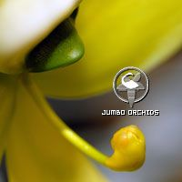
 |  | Mallee Phallies Orchid Importers
 |  | Keva Lloyd, 13 Glenwill Drive, Epsom, Vic. 3551
 |  | MOB: 0418 579998
 |  | E-mail: malleephallies@kevalloyd.com.au
 |  |  | ABN: 33 283 878 060
Spring 2026 |  | Enter the desired Quantity of Plants in the Column "Q". The "Total" column will update automatically.
 |  |  | NB. This order form is for your benefit only - Code, Name & Quantity by return email is all that is needed to place an order. |  |  | ↓

Photos - some to follow! |  | Code | Name | Available | Price $AU | My Order | Cost excl. GST

Some photos have been sourced and are therefore copyright!
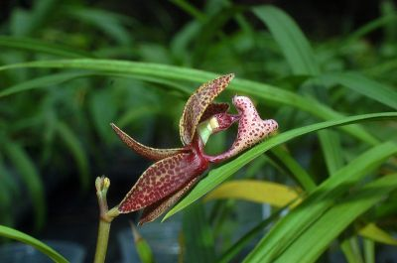 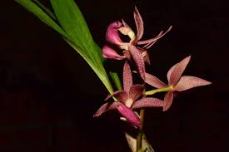 |  | JBC227 | Mormodes Jumbo Ware 'Best' x Mormodes variabilis 'Jumbo' | 2 | $165.00 |  | $0.00
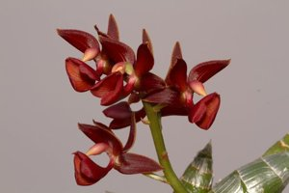 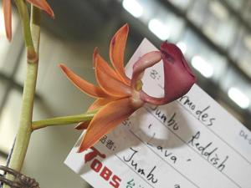 | 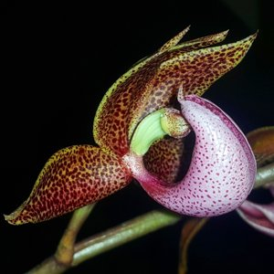 | JBC228 | Mormodes Jumbo Bacia 'Dark Sun' x Mormodes Jumbo Ware 'Best' | 2 | $165.00 |  | $0.00
 |  | JBC232 | Mormodes Jumbo Reddish 'Pinky Lady' x Mormodes variabilis 'Jumbo' | 2 | $165.00 |  | $0.00
 |  | JBC234 | Mormodes warszewiczii 'Red Spot' x Mormodes variabilis 'Jumbo' | 2 | $165.00 |  | $0.00
 |  | JBC236 | Mormodes variabilis 'Jumbo' x self | 2 | $105.00 |  | $0.00
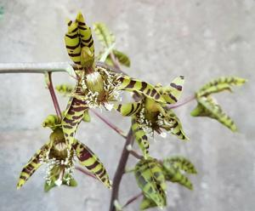 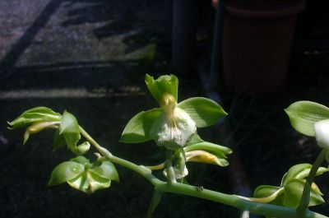 |  | JBC238 | Catasetum multifissum 'Jumbo' x Catasetum lucis 'Jumbo' | 2 | $165.00 |  | $0.00
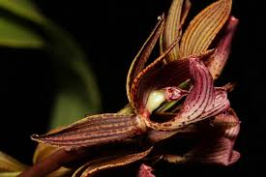 |  | JBC242 | Mormodes Midnight 'Coffee' x Mormodes Jumbo Ware 'Best' | 2 | $165.00 |  | $0.00
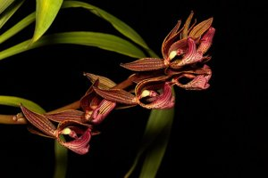 |  | JBC245 | Clowesia scurra 'Jumbo' x Mormodes Jumbo Aka 'One' | 2 | $195.00 |  | $0.00
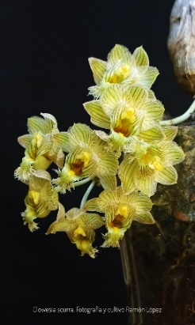 |  | JBC246 | Clowesia scurra 'Jumbo' x Mormodes Jumbo Ware 'Best' | 2 | $195.00 |  | $0.00
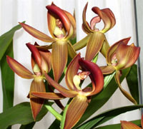  |  | JBC251 | Mormodes Jumbo Redwood 'JB#2' x Mormodes Jumbo Aka 'One' | 2 | $165.00 |  | $0.00
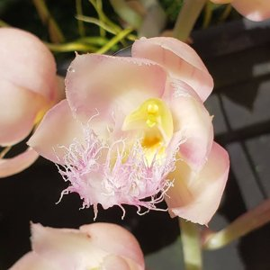 |  | JBC252 | Clowesia scurra x Clowesia Jumbo Grace 'Jumbo' | 2 | $195.00 |  | $0.00
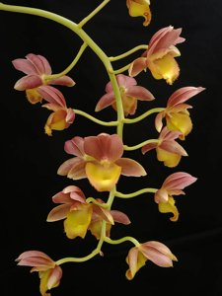 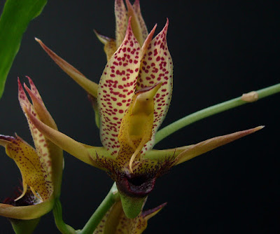 |  | JBC254 | Fredclarkeara Jumbo Penance 'Giant' x Catasetum schmidtianum 'Jumbo' | 2 | $230.00 |  | $0.00
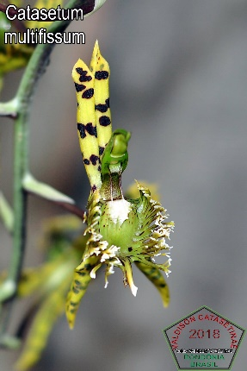 |  | JBC255 | Catasetum multifissum 'Jumbo' x self | 2 | $165.00 |  | $0.00
 |  | JBC256 | Galeandra magnicolumna 'Jumbo' x self | 2 | $165.00 |  | $0.00
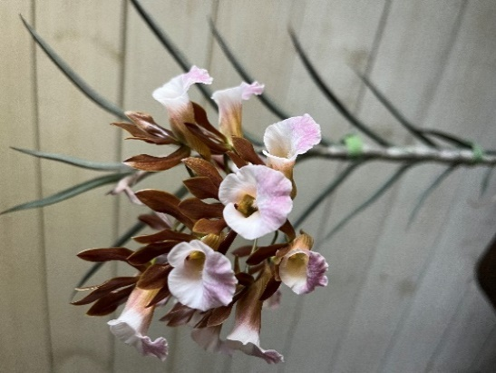 | 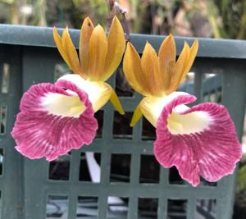 | JBC258 | Galeandra magnicolumna 'Jumbo' x Galeandra minax 'Jumbo' | 2 | $165.00 |  | $0.00
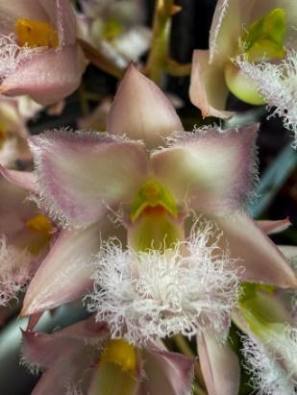 |  | JBC259 | Clowesia rosea 'Chico' CBM/AOS x Clowesia scurra 'Jumbo' | 2 | $195.00 |  | $0.00
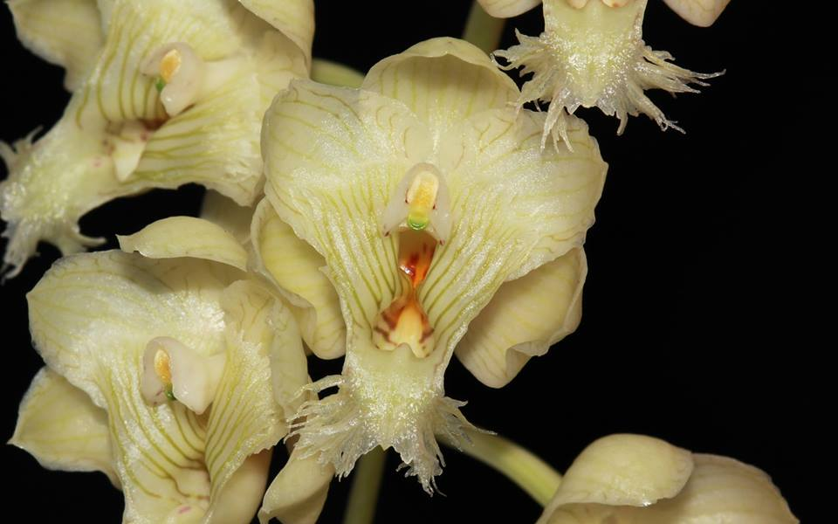 |  | JBC260 | Clowesia warczewitzii 'Jumbo' x Clowesia rosea 'Chico' CBM/AOS | 2 | $195.00 |  | $0.00
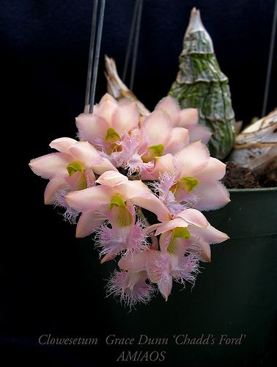 |  | JBC261 | Clowesia Grace Dunn 'Chadds Ford' AM/AOS x Clowesia scurra 'Jumbo Orchids' | 2 | $195.00 |  | $0.00
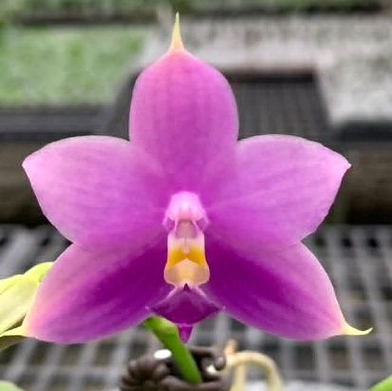 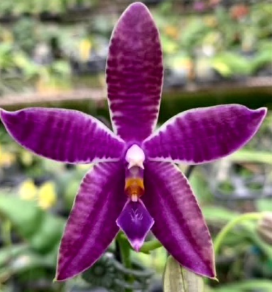 |  | JBCA818 | Phalaenopsis (Yaphon The Hulk - Lee Wai Queen) x Phalaenopsis KS Blue Luedde | 1 | $135.00 |  | $0.00
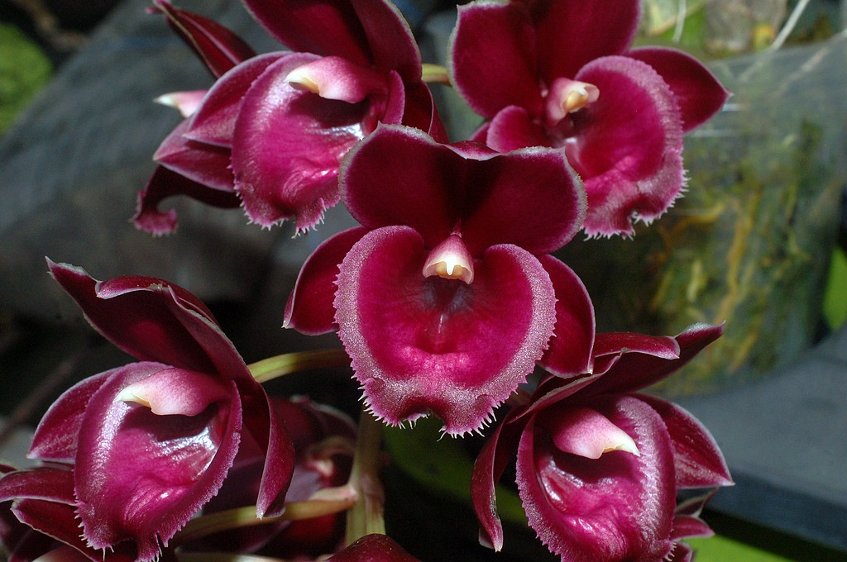 |  | JB1506 | Fredclarkeara Jumbo Boa 'Red Jewel' | 1 | $295.00 |  | $0.00
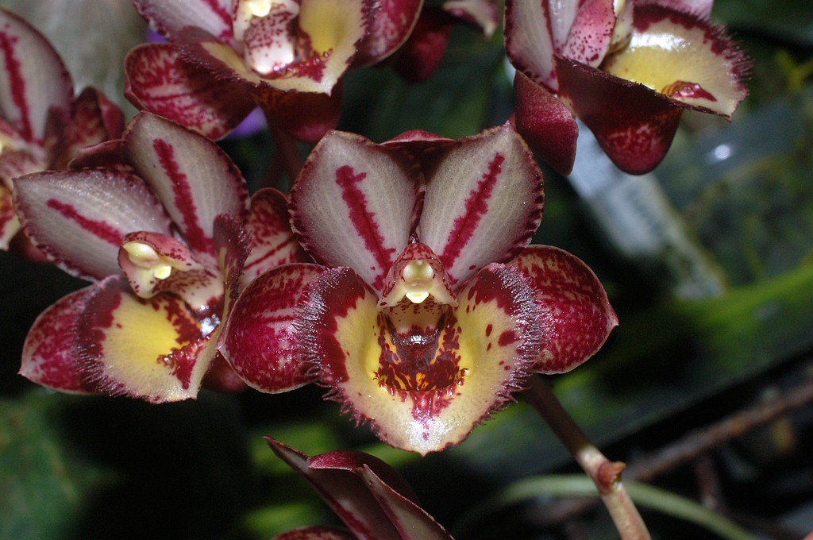 |  | JB1507 | Clowesetum Jumbo Starscream 'Mystery' | 1 | $295.00 |  | $0.00
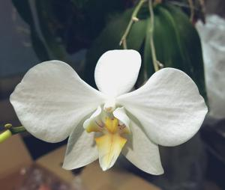 |  | JB1010 | Phalaenopsis formosana 'Jumbo Orchids' | 1 | $165.00 |  | $0.00

 |  |  |  |  |  |  | $0.00

 |  |  | Quantity Discounts: 1-5 flasks NETT,
 |  |  | 6-10 flasks less 2.5%,
 |  |  | 11-20 less 5%,
 |  |  | 21-30 less 10%,
 |  |  | 31-40 less 15%,
 |  |  | over 40 less 20%

