Sheet1
 |  | Mallee Phallies Orchid Importers
Hwuluduen Orchids |  | Keva Lloyd, 13 Glenwill Drive, Epsom, Vic. 3551
Hwuluduen Orchids is a specialized orchid breeder and nursery known for registering and developing distinct Oncidium and Oncidesa hybrids like Hwuluduen Chameleon. |  | MOB: 0418 579998
 |  | E-mail: malleephallies@kevalloyd.com.au
 |  |  | ABN: 33 283 878 060
Spring 2026 |  | Enter the desired Quantity of Plants in the Column "Q". The "Total" column will update automatically.
 |  |  | NB. This order form is for your benefit only - Code, Name & Quantity by return email is all that is needed to place an order. |  |  | ↓

Photos |  | Code/Number | Name | Available | Price $AU | My Order | Cost excl. GST

 |  | 25 seedlings per flask!
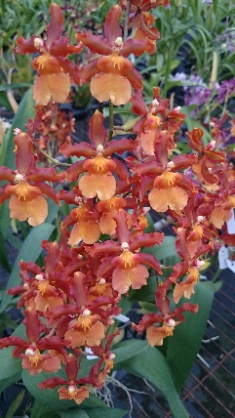 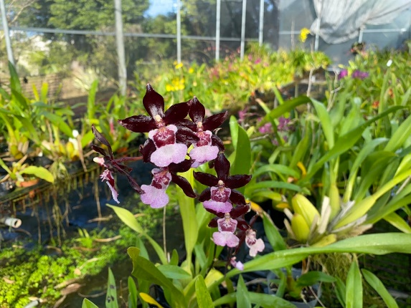 |  | 3084 | Ons. Catatante 'Orange' x Ons. Hwuluduen Isler 'Purple Grape' | 4 | $130.00 |  | $0.00
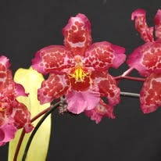 |  | 3087 | Onc. Hwuluduen Pizarro 'Rouge' x Ons. Catatante 'Orange' | 3 | $160.00 |  | $0.00
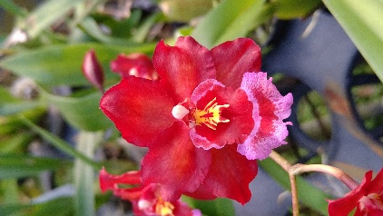 |  | 3122 | Ons. Catatante 'Orange' x Onc. Hwuluduen Lorena 'Firecracker' | 5 | $195.00 |  | $0.00
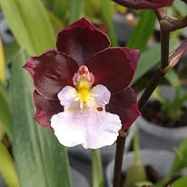 |  | 3164 | Ons. Catatante 'Orange' x Onc. Hwuluduen Sunrise 'Black' | 4 | $160.00 |  | $0.00
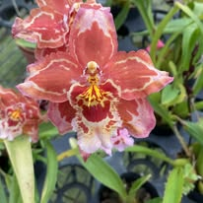 |  | 3165 | Onc. Hwuluduen Morning 'HLD - 1' x Ons. Catatante 'Orange' | 5 | $130.00 |  | $0.00
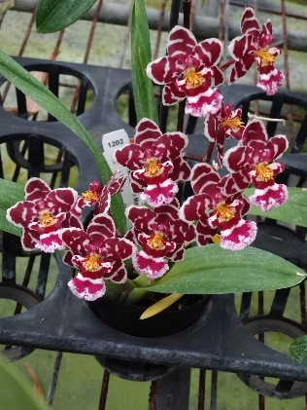 |  | 3182 | Ons. Catatante 'Orange' x Onc. Hwuluduen Mars 'Zebra' | 5 | $195.00 |  | $0.00
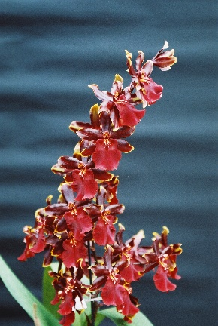 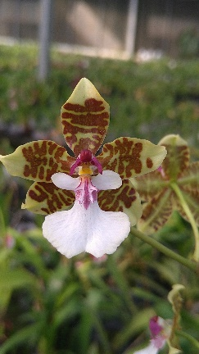 |  | 3209 | Ons. Wildcat 'Red' x Onc. leucochilum 'E' | 5 | $130.00 |  | $0.00
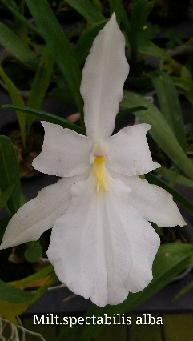 |  | 3226 | Ons. Catatante 'Orange' x Milt. spectabilis alba | 5 | $195.00 |  | $0.00
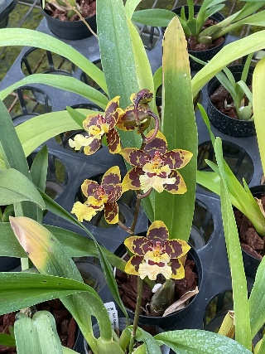 |  | 3299 | Ons. Catatante 'Orange' x (Zed. Calico Gem x Onc. Hwuluduen Pizarro) '1796' | 5 | $160.00 |  | $0.00
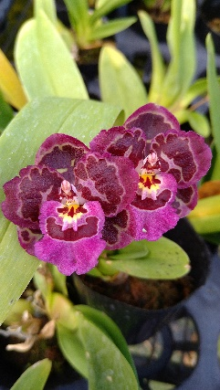 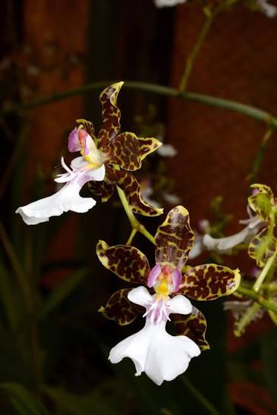 |  | 3332 | Onc. Issaku Nagata 'Volcano' x Onc. Hwuluduen Ruby 'Gina' | 4 | $130.00 |  | $0.00
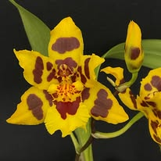 | 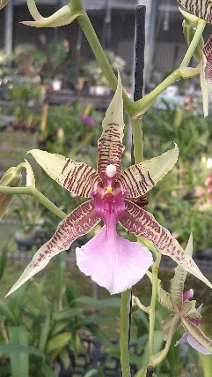 | 3336 | Brsdm. Hwuluduen Oriole 'Gold' x Onc. hastilabium | 3 | $130.00 |  | $0.00
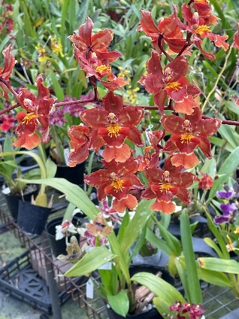 |  | 3033 | Ons. Hwuluduen Kriston '2187' x Onc. Hwuluduen Lorena 'Firecracker' | 2 | $130.00 |  | $0.00
 |  |  |  |  |  |  | $0.00

 |  |  |  |  |  |  | $0.00

 |  |  | Quantity Discounts: 1-5 flasks NETT,
 |  |  | 6-10 flasks less 2.5%,
 |  |  | 11-20 less 5%,
 |  |  | 21-30 less 10%,
 |  |  | 31-40 less 15%,
 |  |  | over 40 less 20%

