Sheet1

 | Mallee Phallies Orchid Importers
 | Keva Lloyd, 13 Glenwill Drive, Epsom, Vic. 3551
 | MOB: 0418 579998
 | E-mail: malleephallies@kevalloyd.com.au
 |  | ABN: 33 283 878 060
Spring 2026 | Enter the desired Quantity of Plants in the Column "Q". The "Total" column will update automatically.
 |  | NB. This order form is for your benefit only - Code, Name & Quantity by return email is all that is needed to place an order. |  |  |  | ↓

Photos | Code | Name | Available | Type | Price $AU | My Order | Cost excl. GST

 | Around 10 seedlings per flask unless stated ….
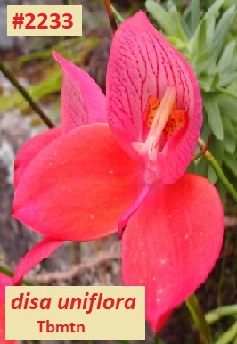 | # 2233 | Disa uniflora Tbmtn | 3 | Seedling | $175.00 |  | $0.00
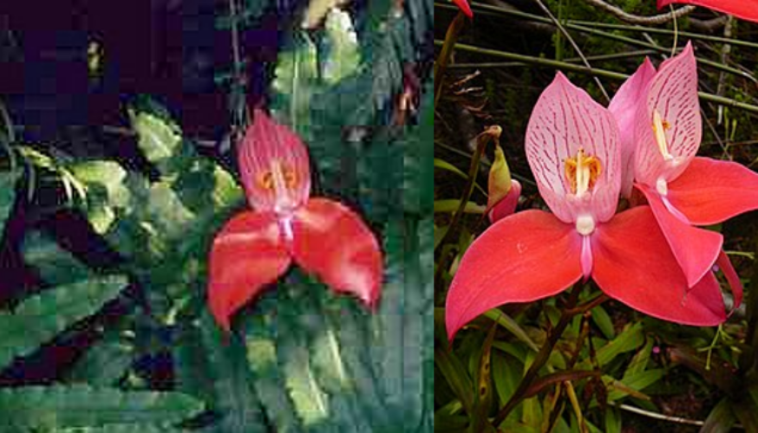 | # 2235 | Disa uniflora Greyton x Tbmtn | 3 | Seedling | $175.00 |  | $0.00
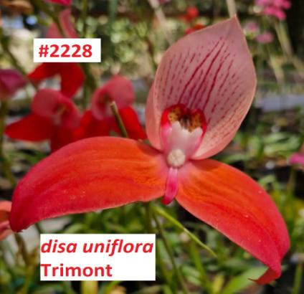 | # 2228 | Disa uniflora 'Trimont' | 3 | Seedling | $175.00 |  | $0.00
 | # 2256 | Disa uniflora (Myburg Ravine) | 3 | Seedling | $175.00 |  | $0.00
 | # 2255 | Disa uniflora (greyton x Portervilleᵨᵨ) | 3 | Seedling | $175.00 |  | $0.00
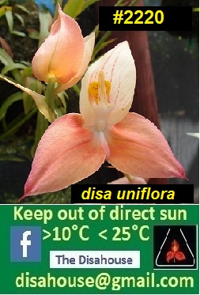 | # 2220 | Disa uniflora cloned selection | 3 | Mericlone | $175.00 |  | $0.00
 | # 2221 | Disa uniflora Greyton | 3 | Seedling | $175.00 |  | $0.00
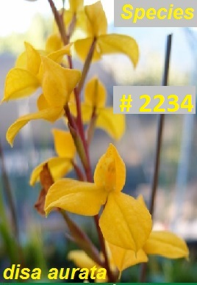 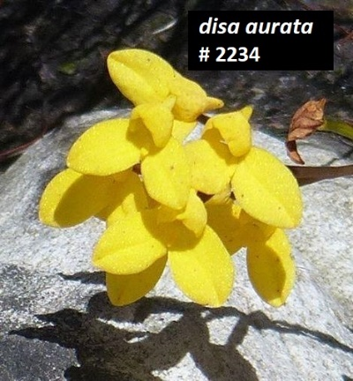 | # 2234 | Disa aurata | 6 | Seedling | $175.00 |  | $0.00
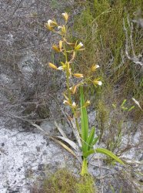 Photo for reference only | # 2252 | Acrolophia capensis | 3 | Seedling | $175.00 |  | $0.00
 | Hybrids
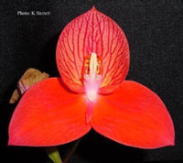 | # 2257 | Disa Linda | 5 | Seedling | $175.00 |  | $0.00
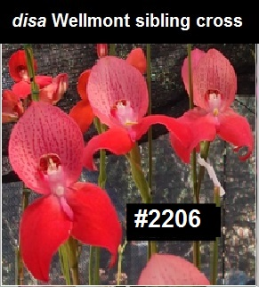 | # 2206 | Disa Wellmont | 3 | Seedling | $175.00 |  | $0.00
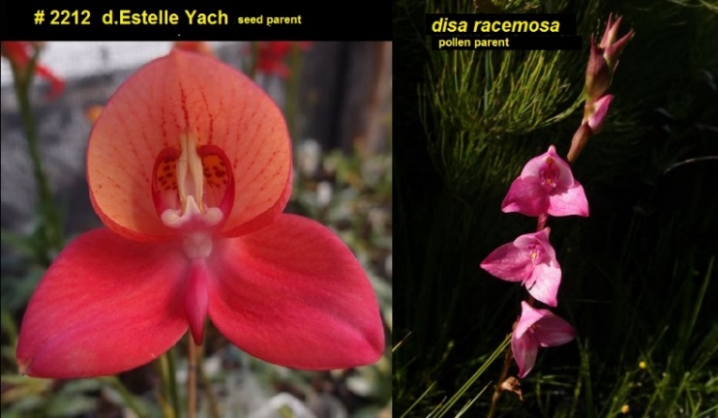 | # 2212 | Disa Estimosa | 3 | Seedling | $175.00 |  | $0.00
 | # 2215 | Disa MontMeyer | 1 | Seedling | $175.00 |  | $0.00
 | # 2217 | Disa Diores ‘Sylvia’ selfing | 1 | Seedling | $175.00 |  | $0.00
 | # 2216 | Disa Kewensis ‘La Mont’ | 2 | Seedling | $175.00 |  | $0.00
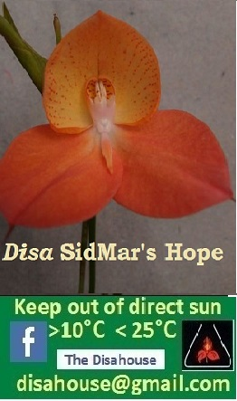 | # 2218 | Disa SidMar’s Hope HCC | 2 | Seedling | $175.00 |  | $0.00
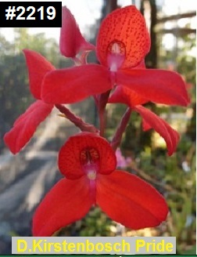 | # 2219 | Disa Kirstenbosch Pride | 1 | Seedling | $175.00 |  | $0.00
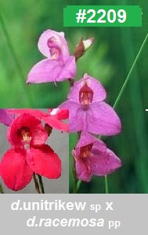 | # 2209 | Disa Trimosa | 2 | Seedling | $175.00 |  | $0.00
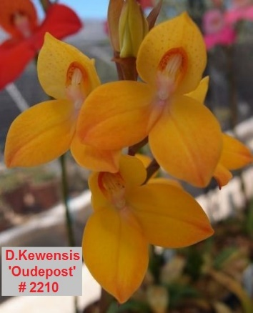 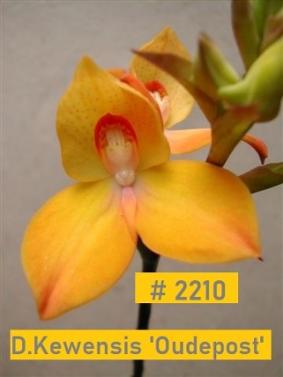 | # 2210 | Disa Kewensis ‘Oudepost’ | 2 | Seedling | $175.00 |  | $0.00
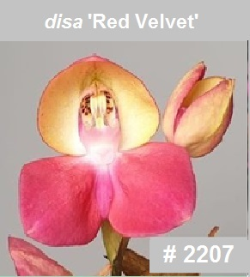 | # 2207 | Disa Red Velvet | 1 | Seedling | $175.00 |  | $0.00
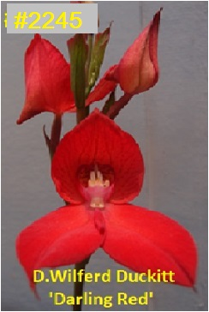 | # 2245 | Disa Wilferd Duckitt 'Darling Red' | 2 | Seedling | $175.00 |  | $0.00
 | # 2233 | Disa Helmut Meyer 'Yellow' | 3 | Clone | $175.00 |  | $0.00
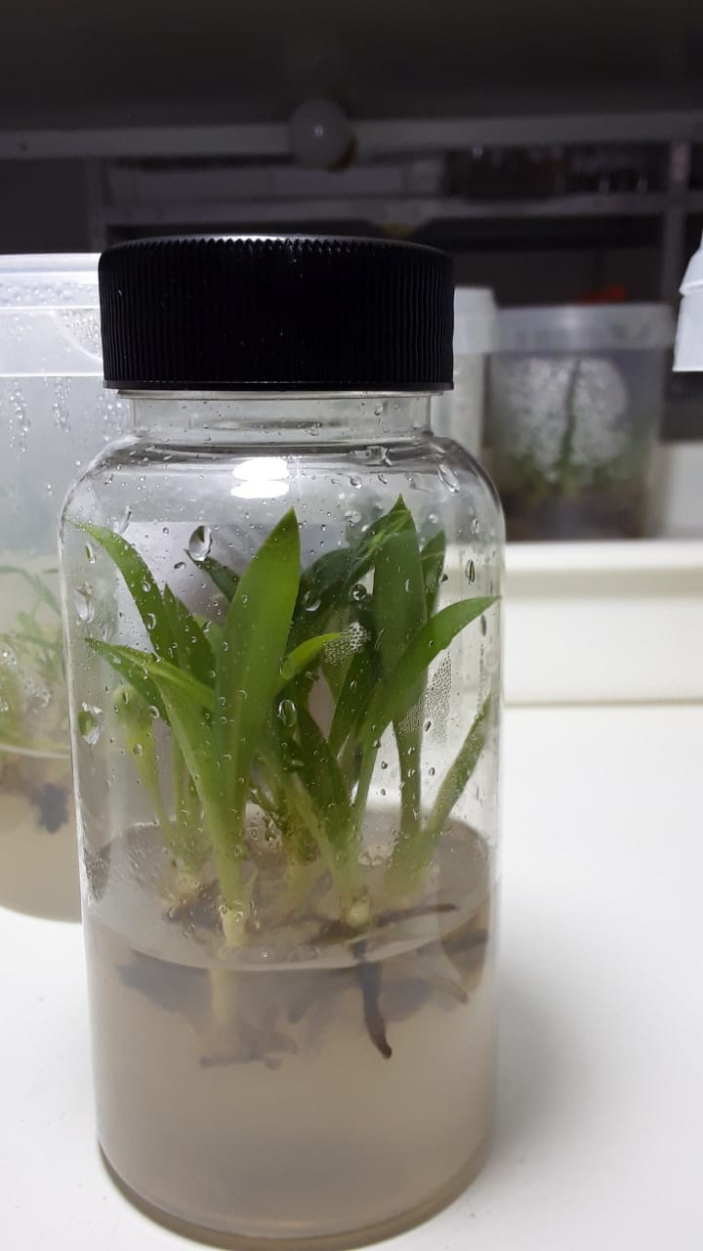 |  | Typical Disa House, South Africa flask - 10 Seedlings per flask

 |  |  |  | Total inc. GST: |  |  | $0.00

 |  | Quantity Discounts: 1-5 flasks NETT,
 |  | 6-10 flasks less 2.5%,
 |  | 11-20 less 5%,
 |  | 21-30 less 10%,
 |  | 31-40 less 15%,
 |  | over 40 less 20%

