Sheet1

 |  | Mallee Phallies Orchid Importers
 |  | Keva Lloyd, 13 Glenwill Drive, Epsom, Vic. 3551
 |  | MOB: 0418 579998
 |  | E-mail: malleephallies@kevalloyd.com.au
 |  | ABN: 33 283 878 060
Spring 2026 |  | Enter the desired Quantity of Plants in the Column "Q". The "Total" column will update automatically.
 |  |  |  | NB. This order form is for your benefit only - Code, Name & Quantity by return email is all that is needed to place an order. |  |  | ↓

Photos |  | Memo | Code | Name | Available | Price $AU | My Order | Cost excl. GST

 | Dends, Catts, Vandas, etc. - at least 20 plants/flask
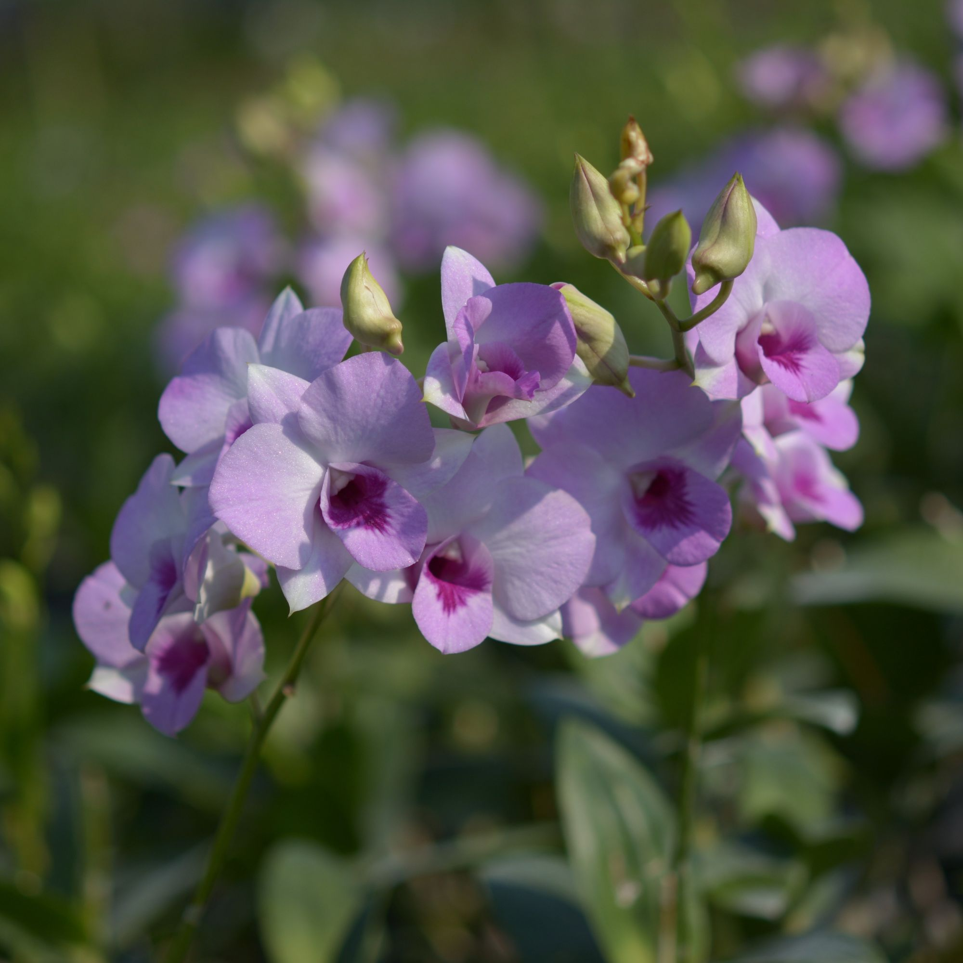 | To enlarge a picture for reference, simply click on the picture and drag a corner! |  | 10004 | Den. Pink 1699 | 30 | $49.00 |  | $0.00
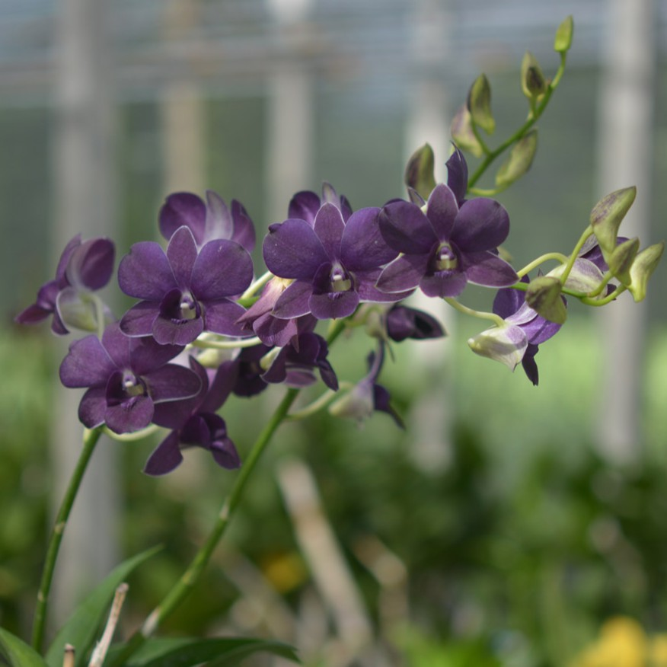 |  |  | 10015 | Den. Blue Karnbin | 20 | $49.00 |  | $0.00
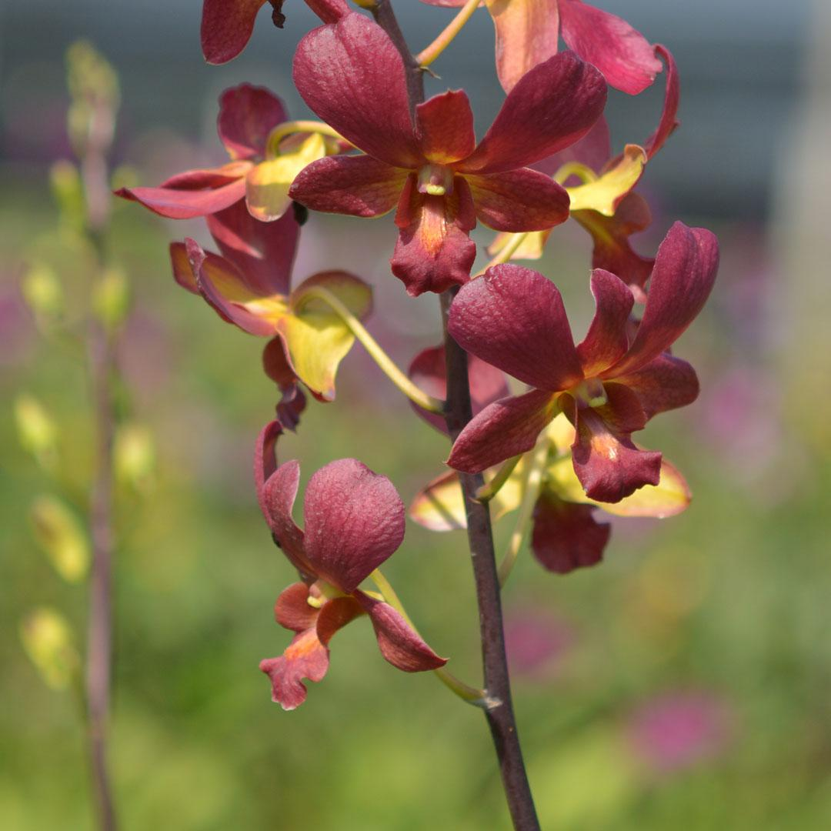 |  |  | 10021 | Den. Brown 2003 | 25 | $49.00 |  | $0.00
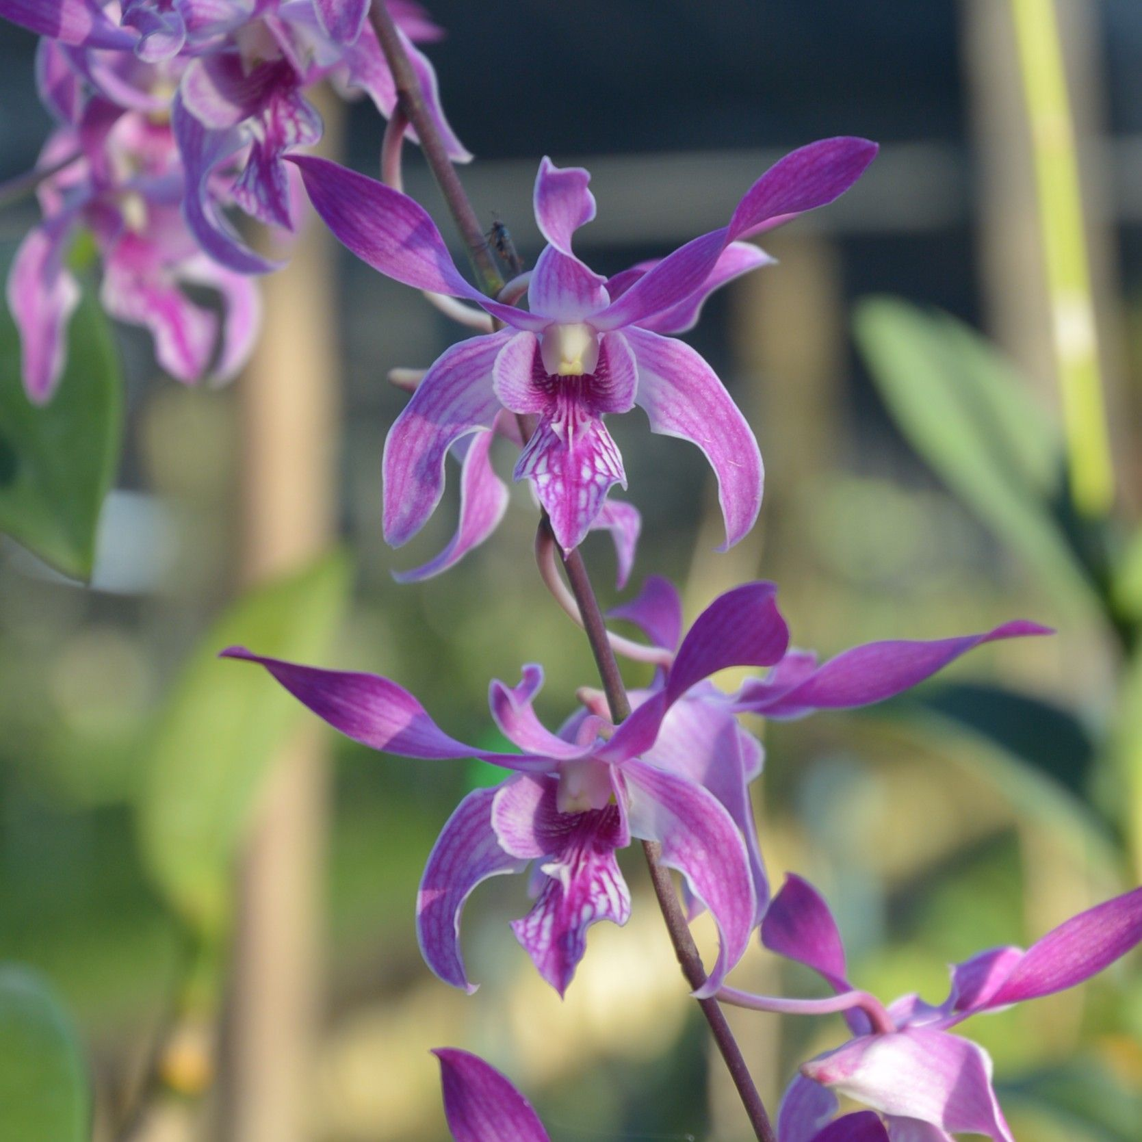 |  |  | 10030 | Den. Caesar Pink | 50 | $49.00 |  | $0.00
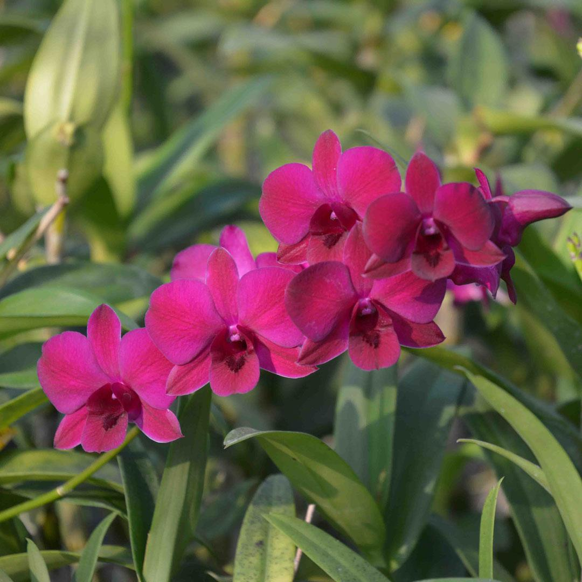 |  |  | 10034 | Den. Dang Ladda 241 | 80 | $49.00 |  | $0.00
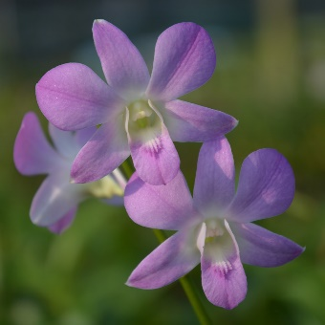 |  |  | 10040 | Den. Dream 19 | 8 | $49.00 |  | $0.00
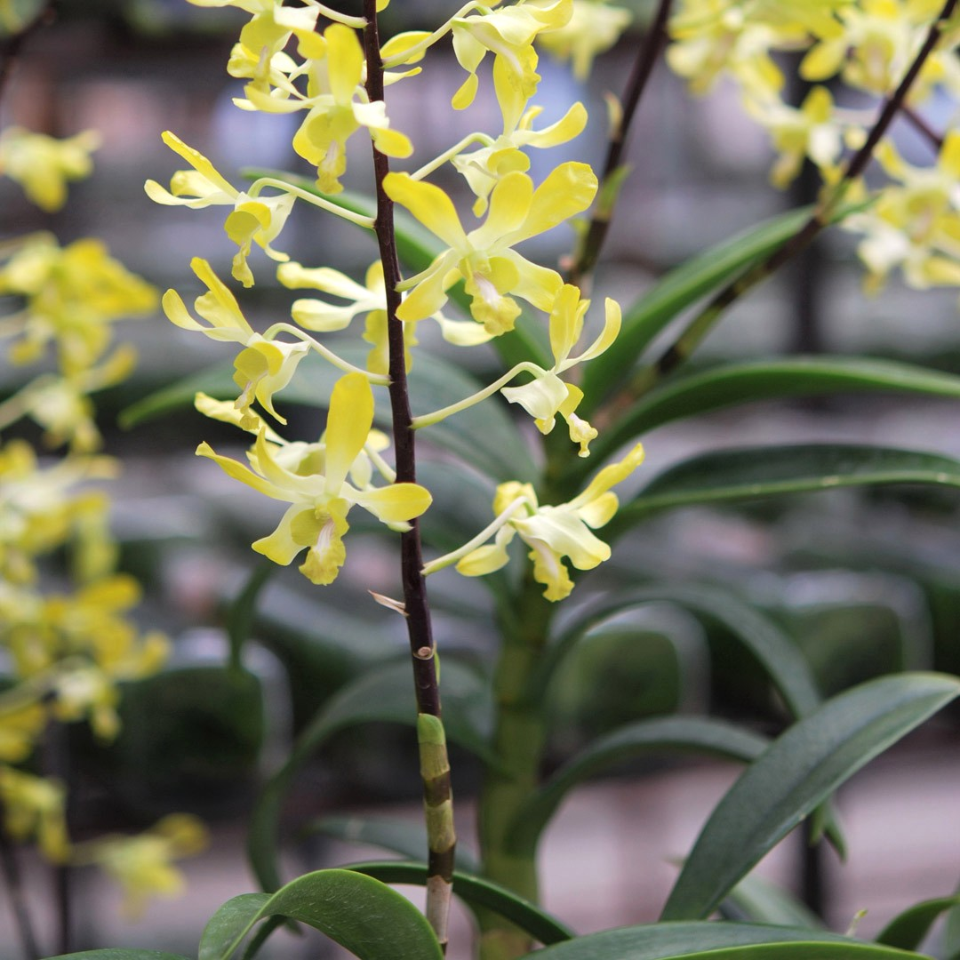 |  |  | 10048 | Den. Genting Royal | 8 | $49.00 |  | $0.00
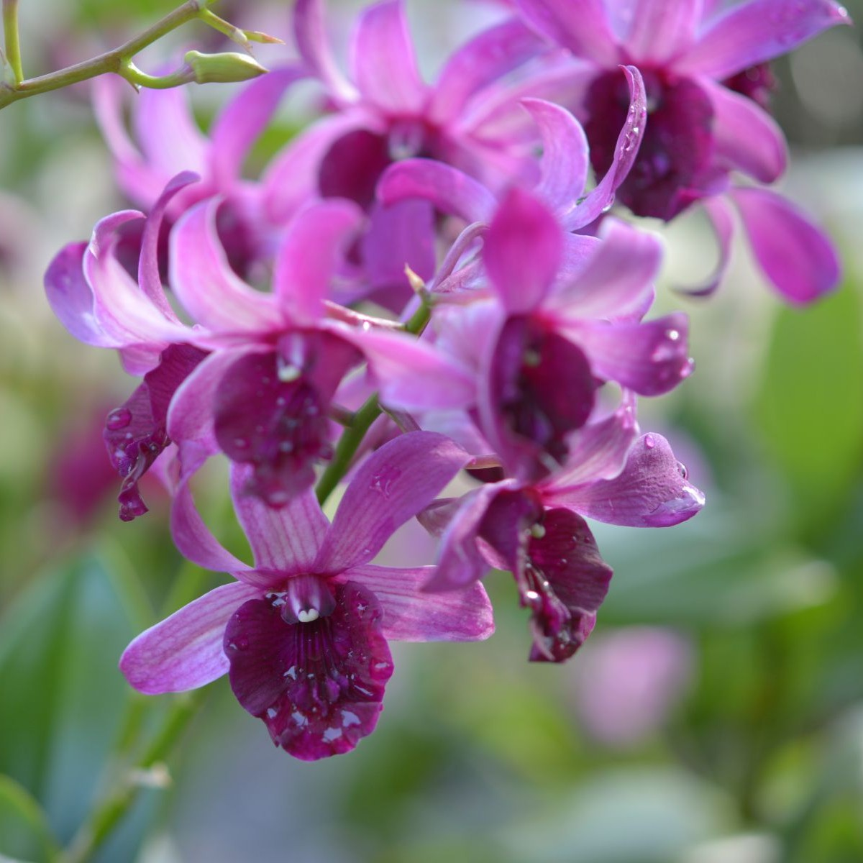 |  |  | 10049 | Den. Purple MVN | 20 | $49.00 |  | $0.00
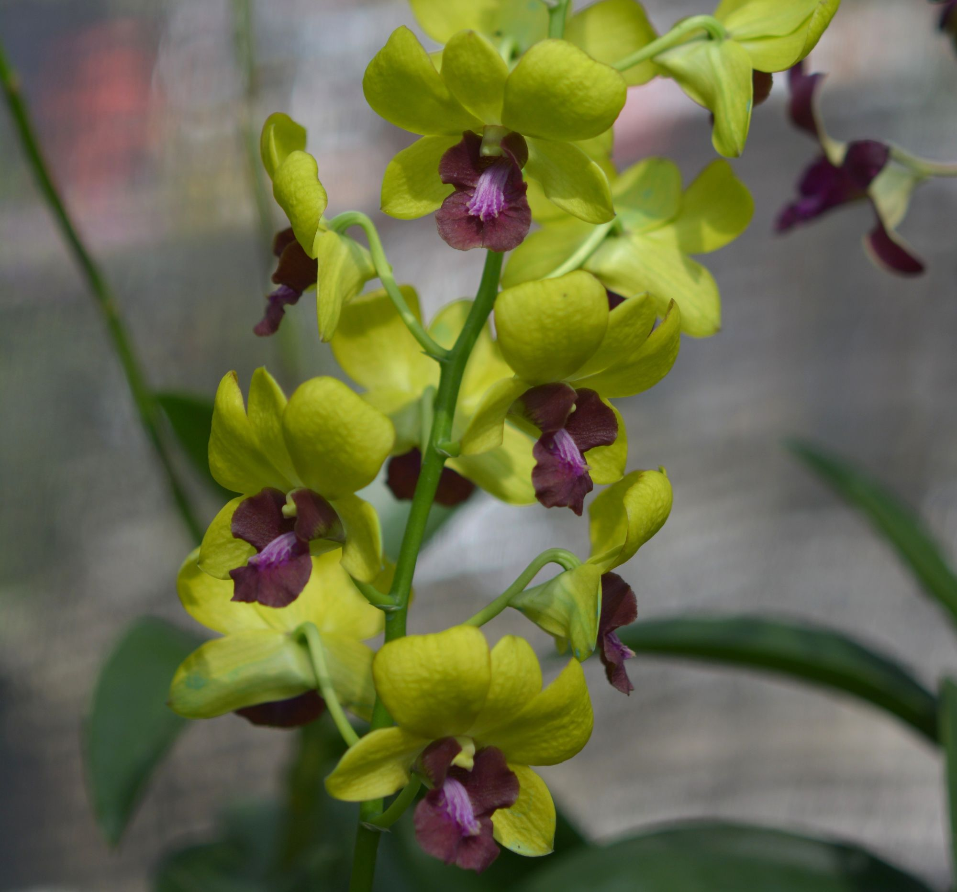 |  |  | 10054 | Den. Khaoyai Gold | 82 | $49.00 |  | $0.00
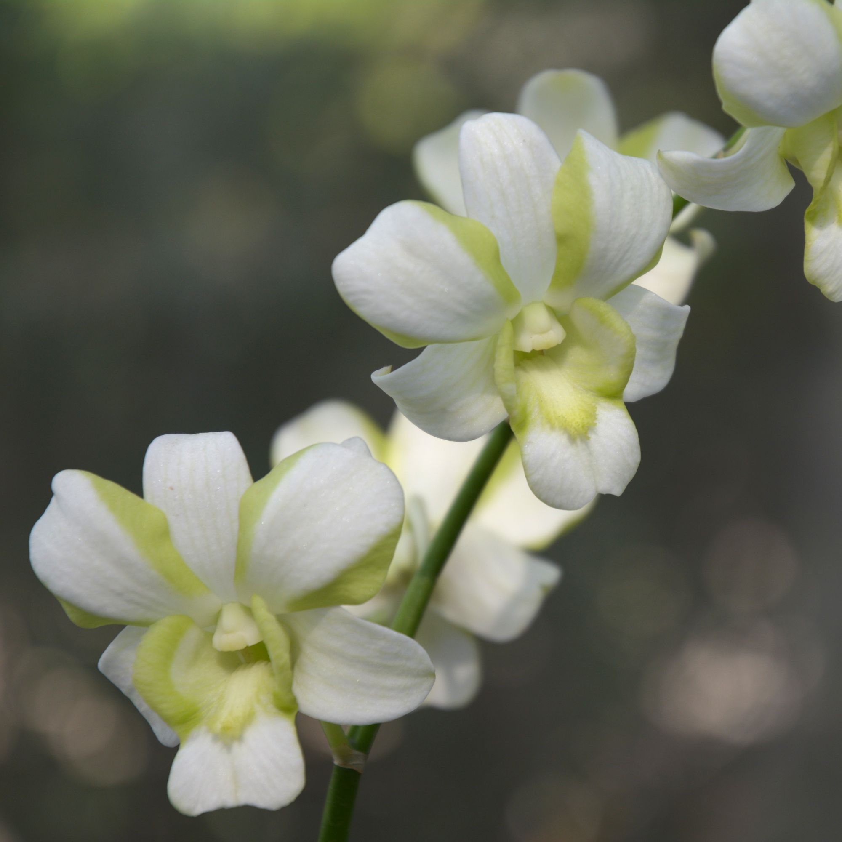 |  |  | 10057 | Den. White Liberty | 10 | $49.00 |  | $0.00
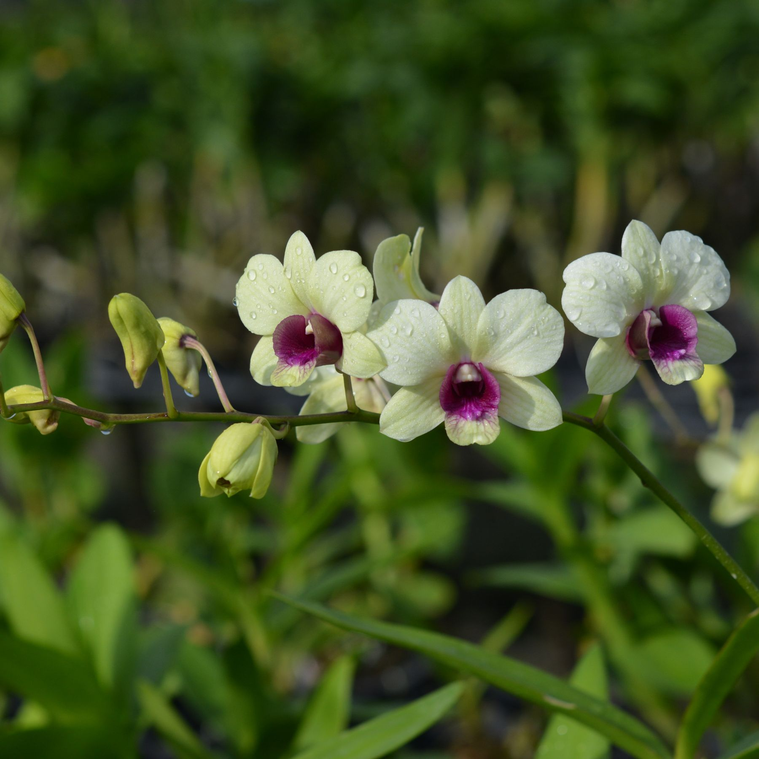 |  |  | 10063 | Den. New Burana | 30 | $49.00 |  | $0.00
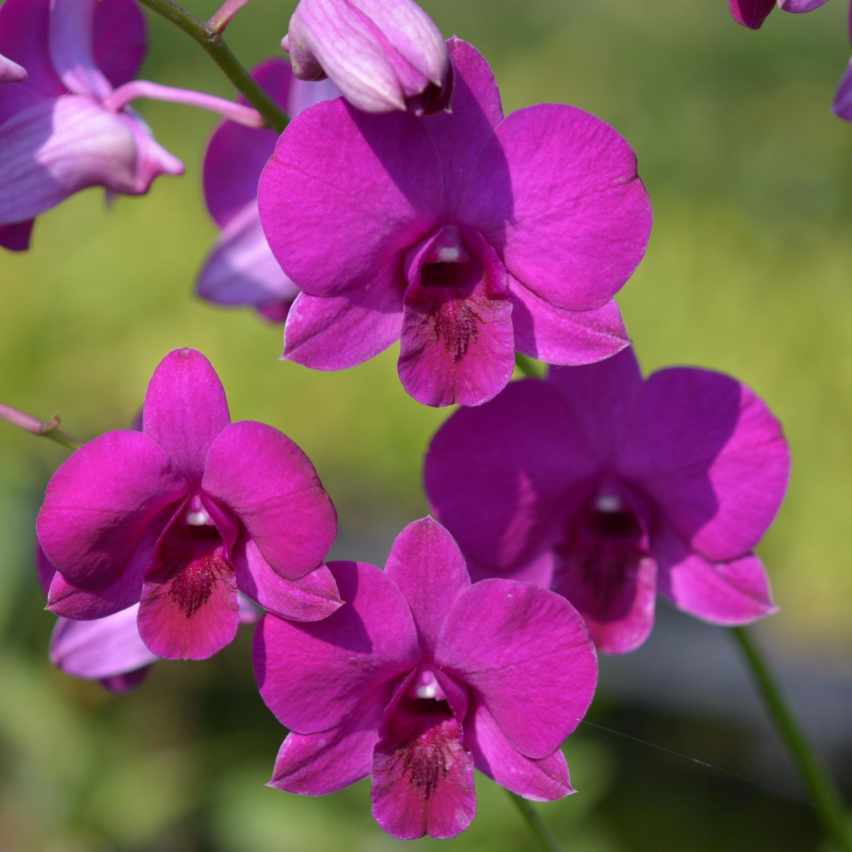 |  |  | 10080 | Den. OT 270 | 10 | $49.00 |  | $0.00
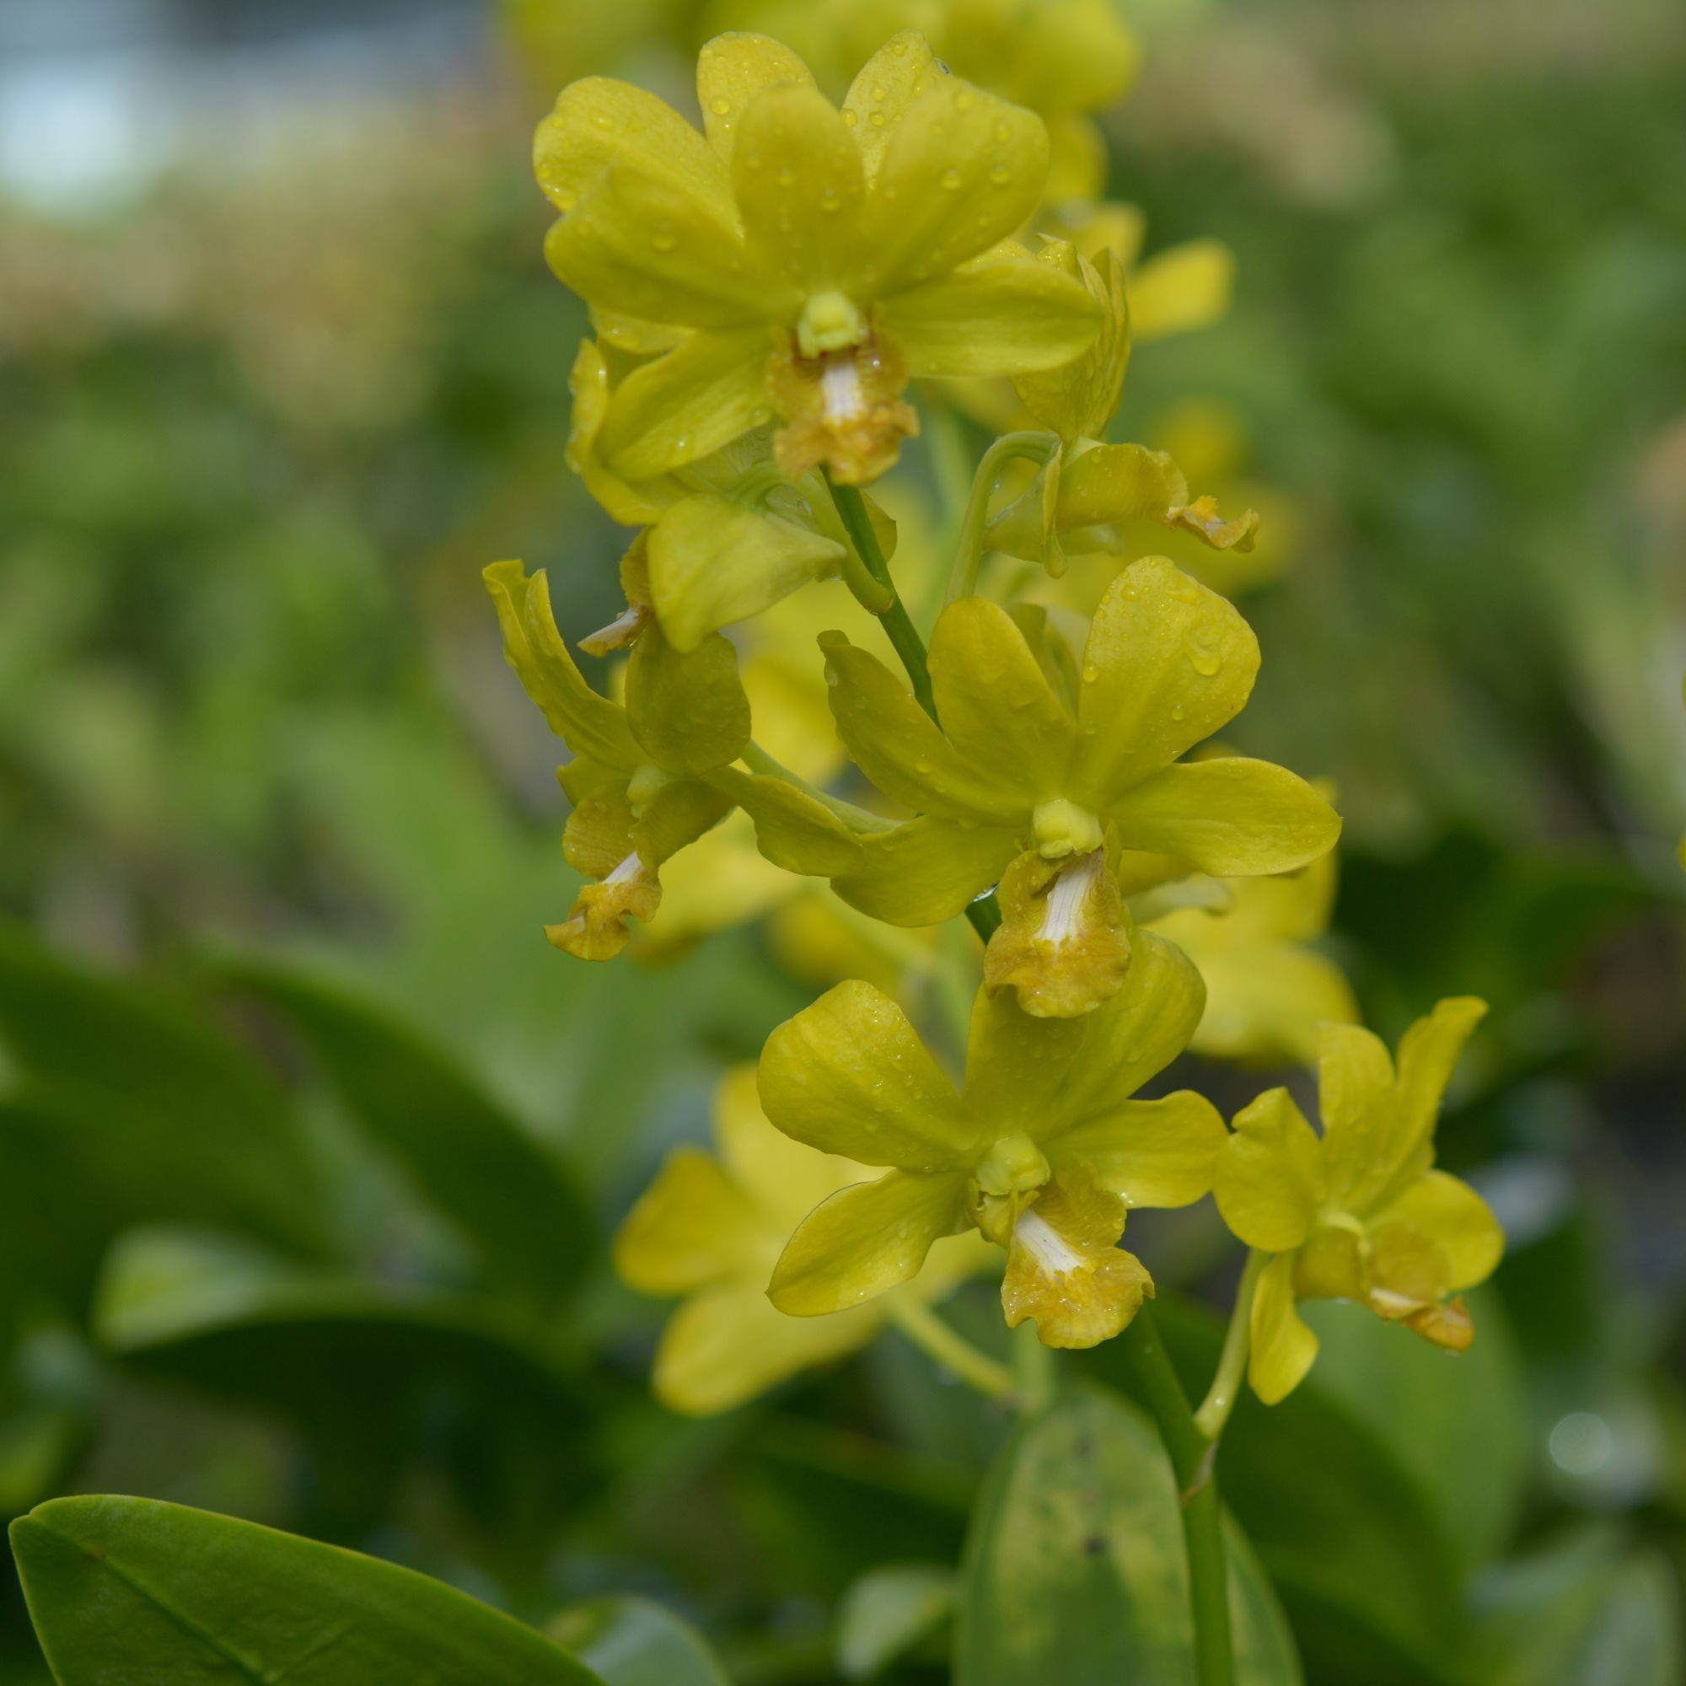 |  |  | 10085 | Den. Yellow Waxy | 20 | $49.00 |  | $0.00
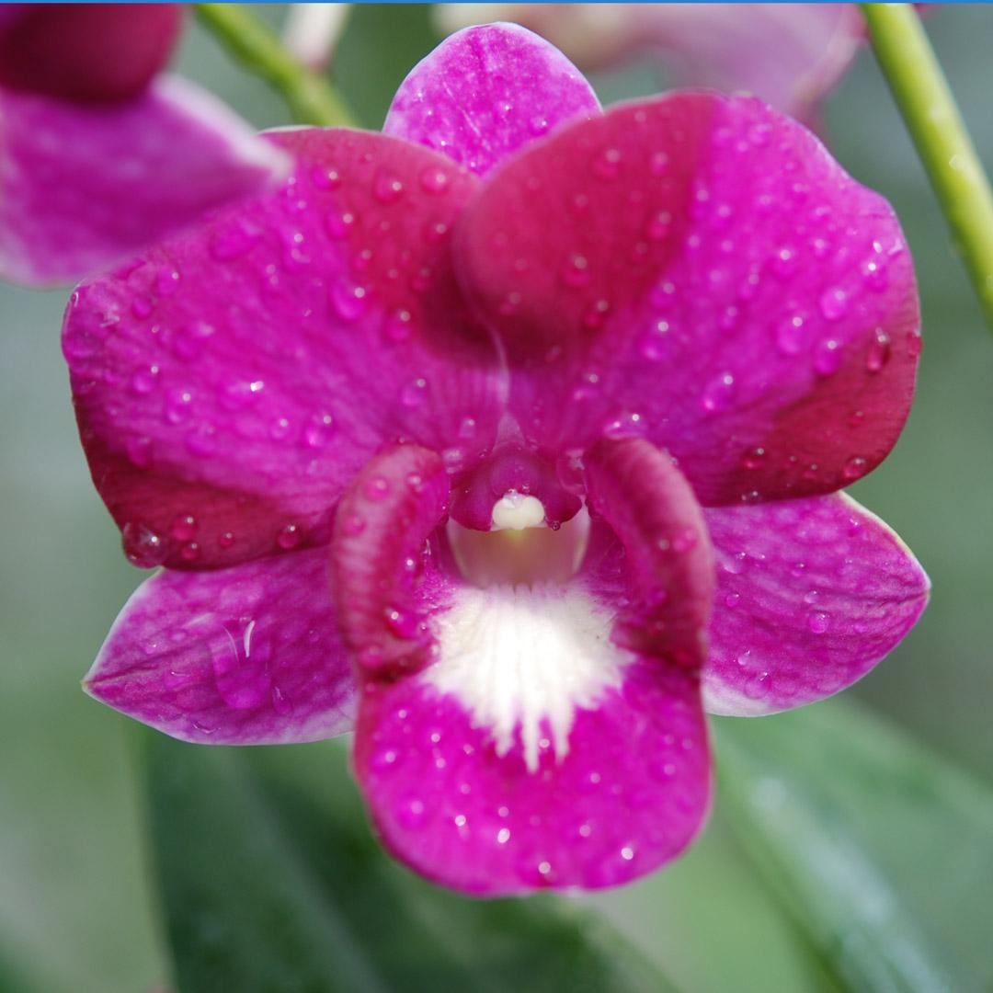 |  |  | 10097 | Den. King Dragon #311 | 30 | $49.00 |  | $0.00
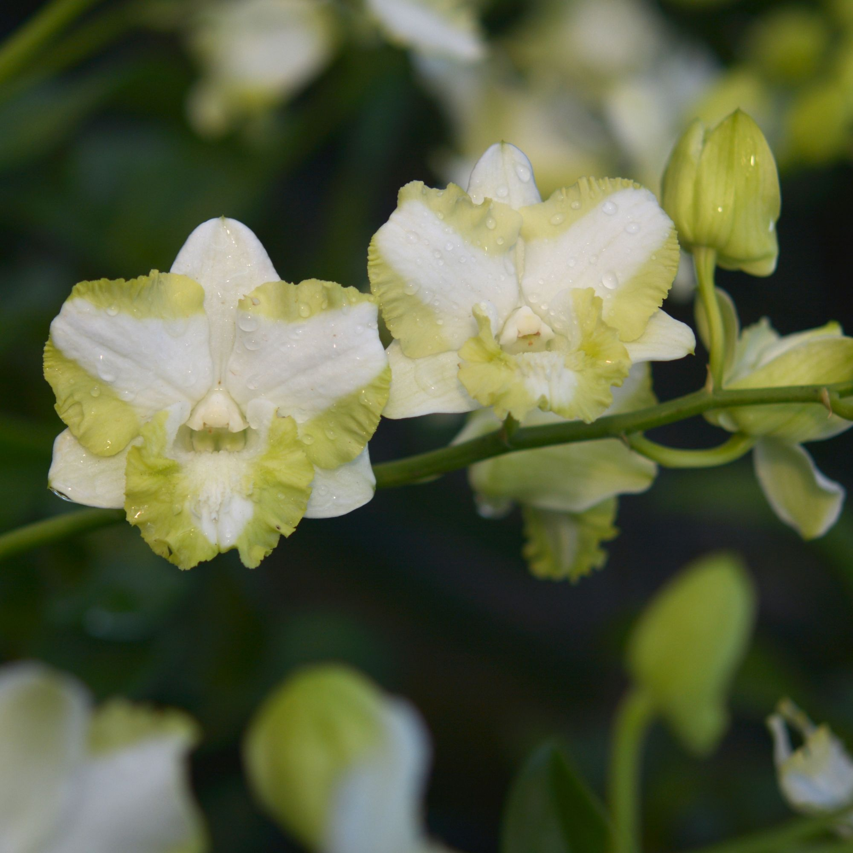 |  |  | 10103 | Den. OT 321 | 85 | $49.00 |  | $0.00
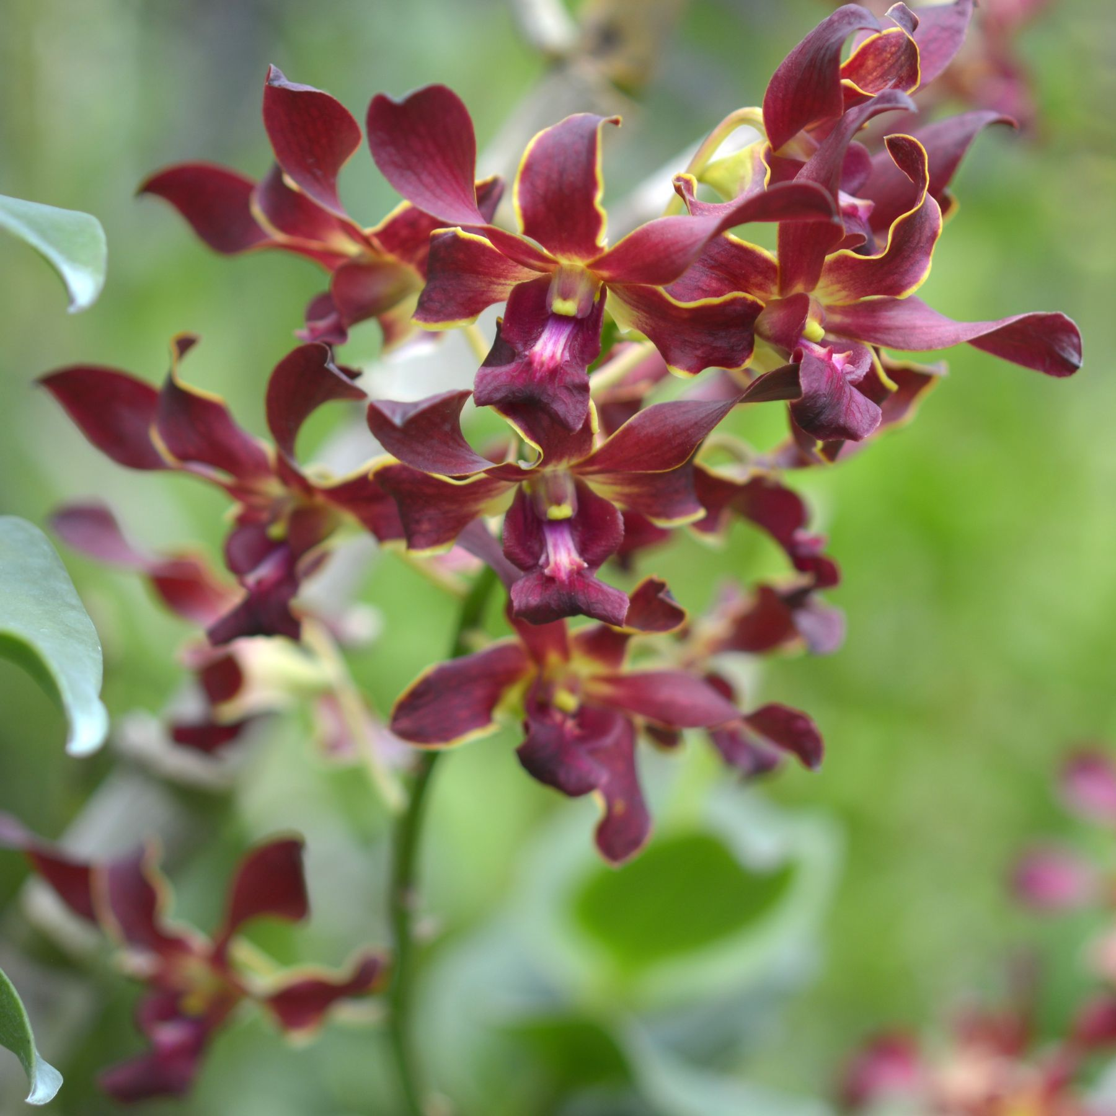 |  |  | 10119 | Den. OT 364 | 40 | $49.00 |  | $0.00
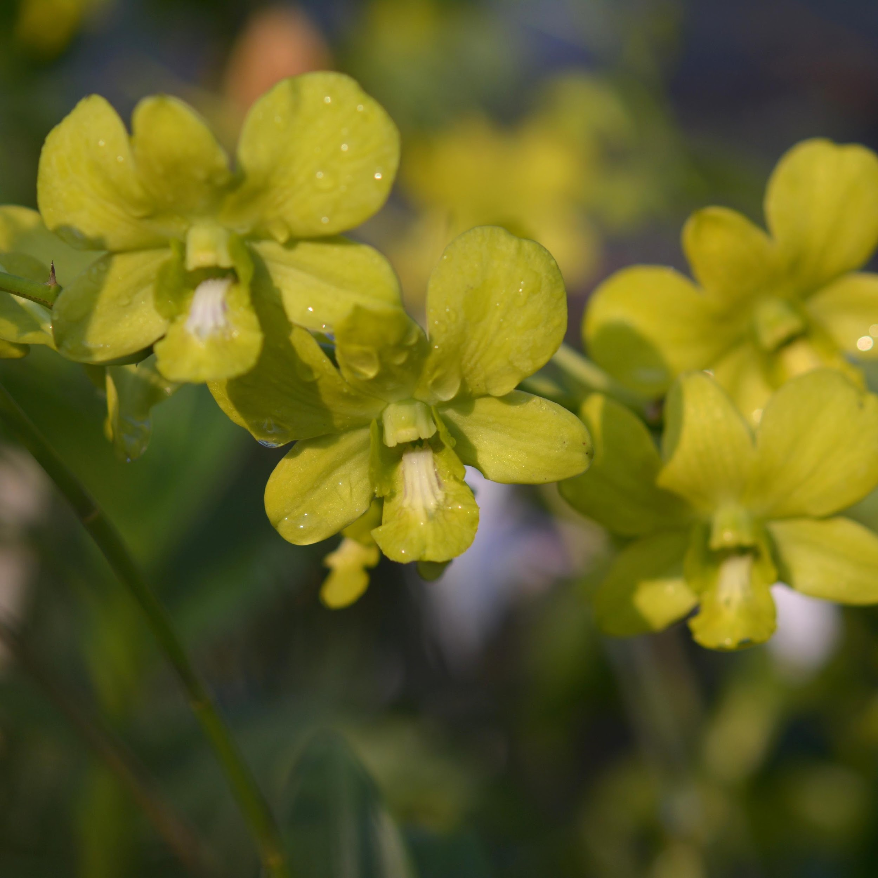 |  |  | 10134 | Den. Sripai | 10 | $49.00 |  | $0.00
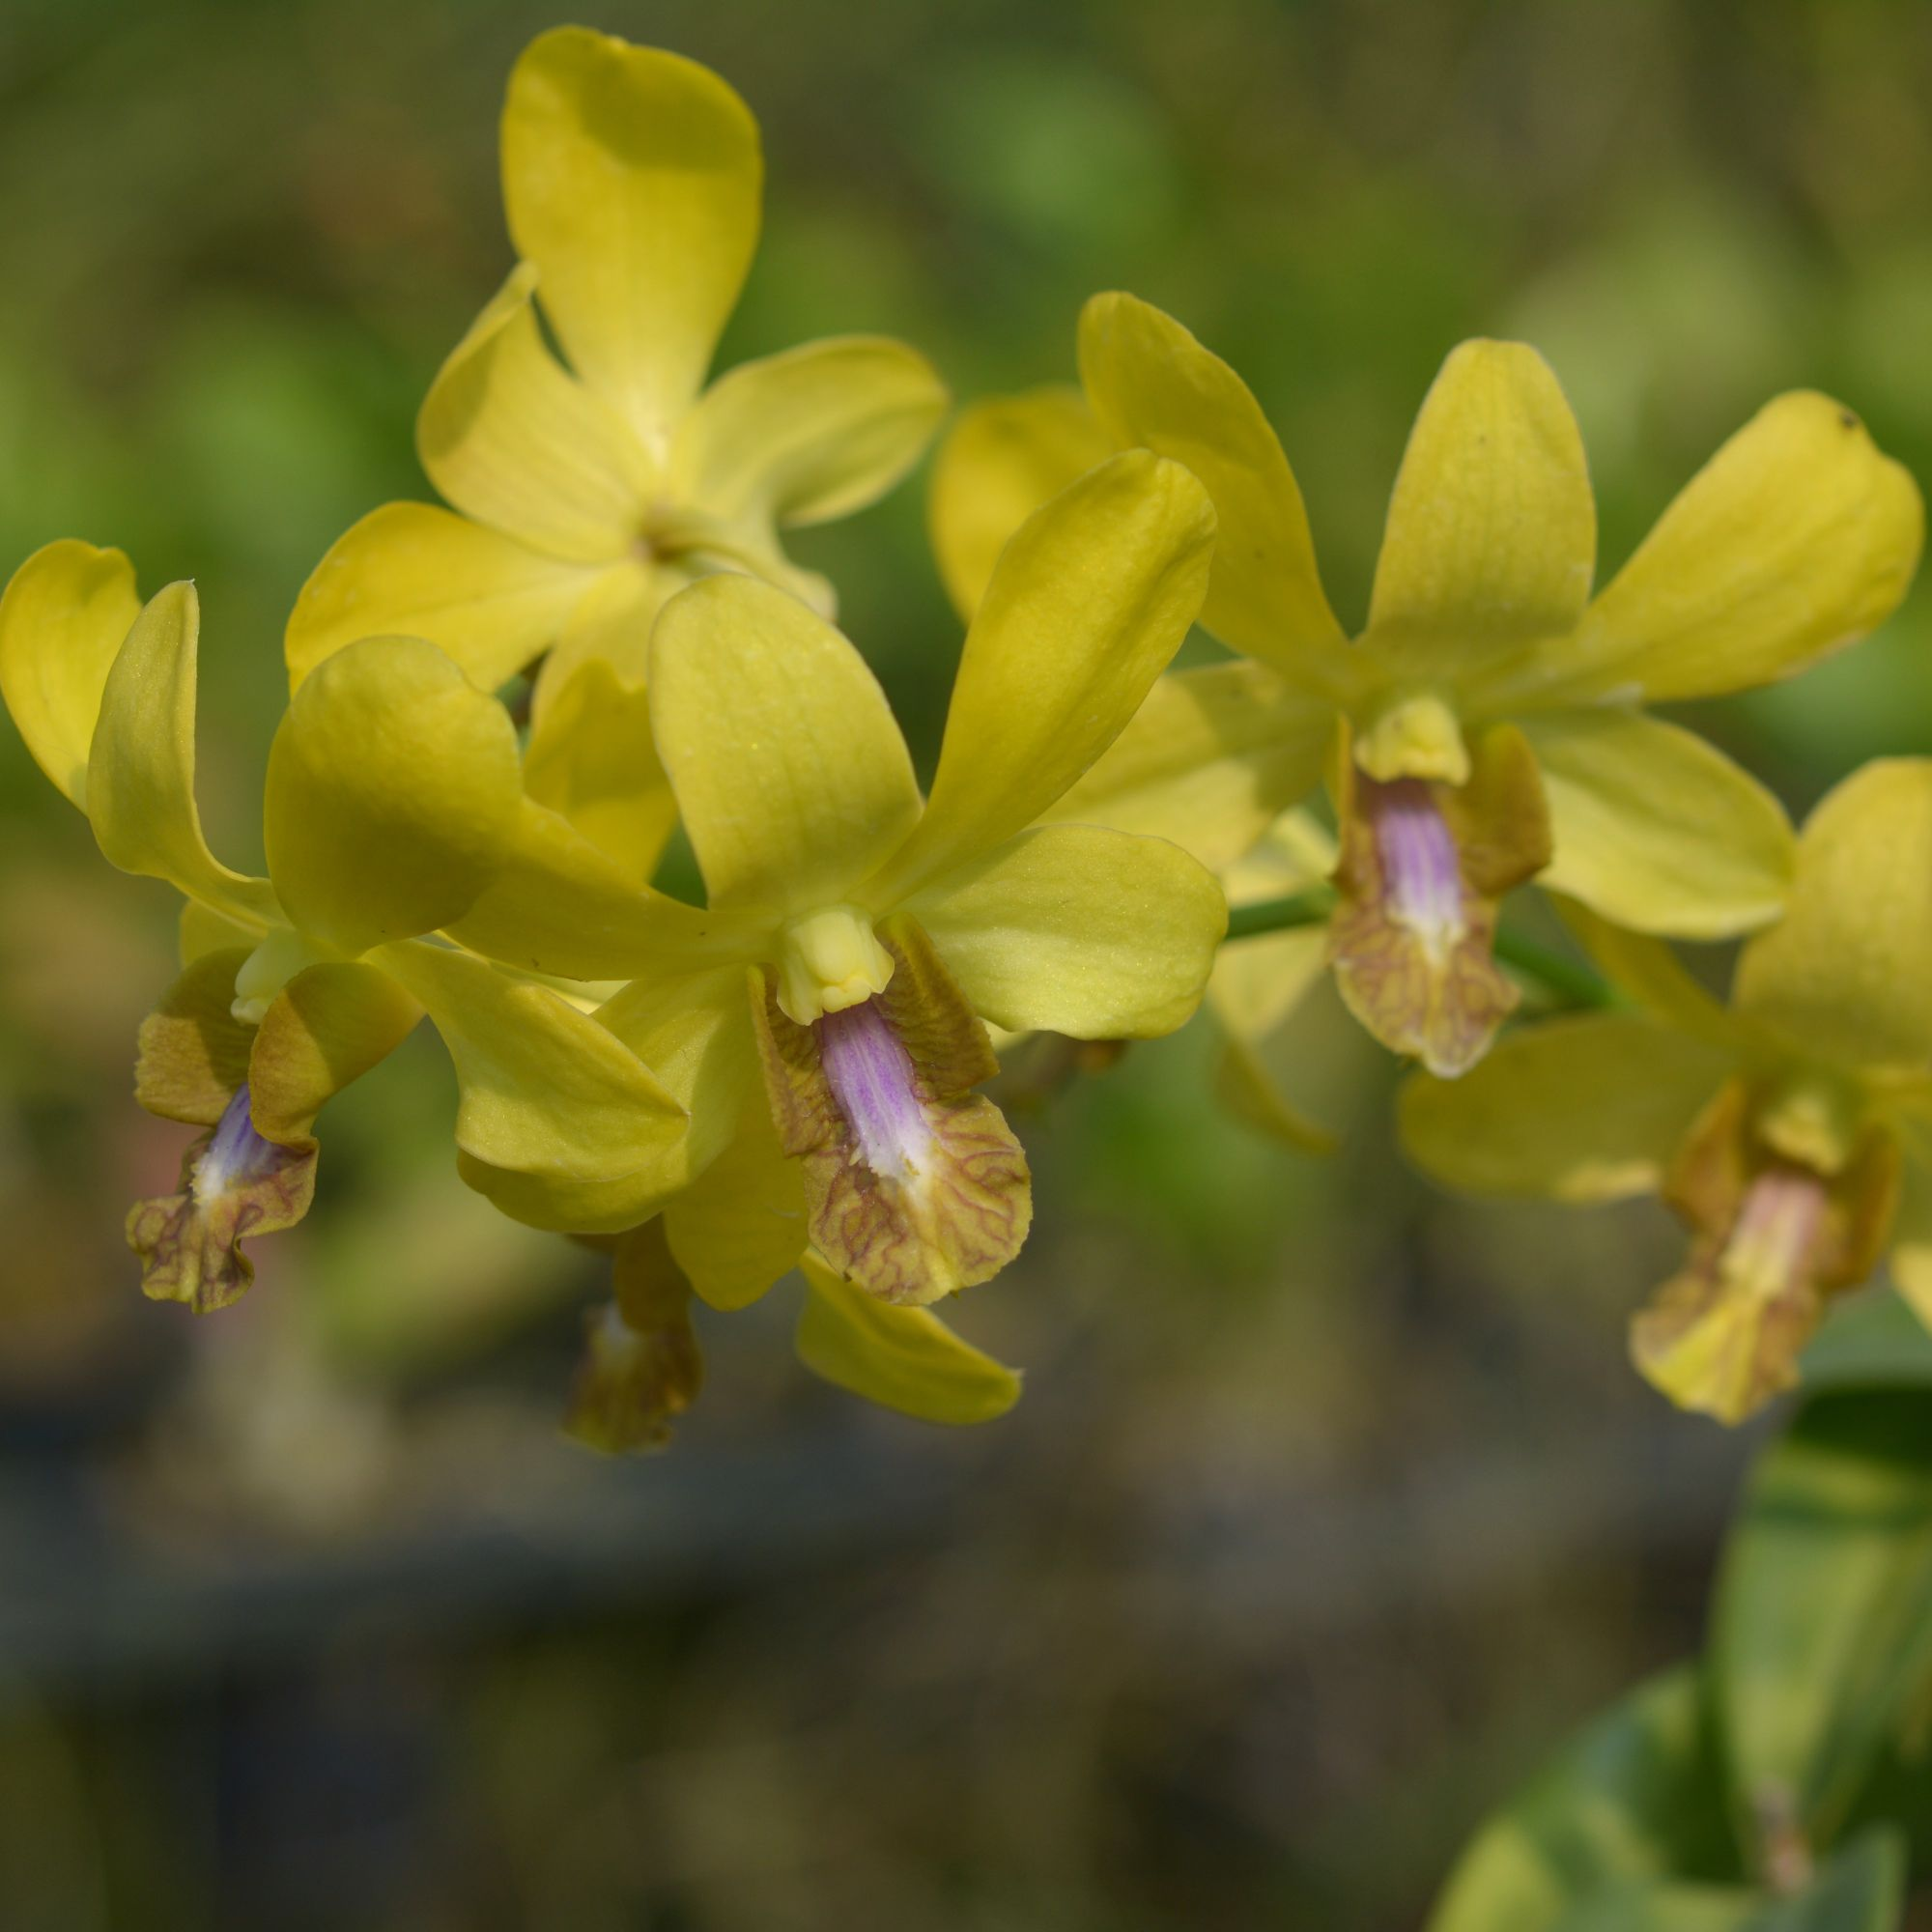 |  |  | 10138 | Den. Thongchai Unchen | 70 | $49.00 |  | $0.00
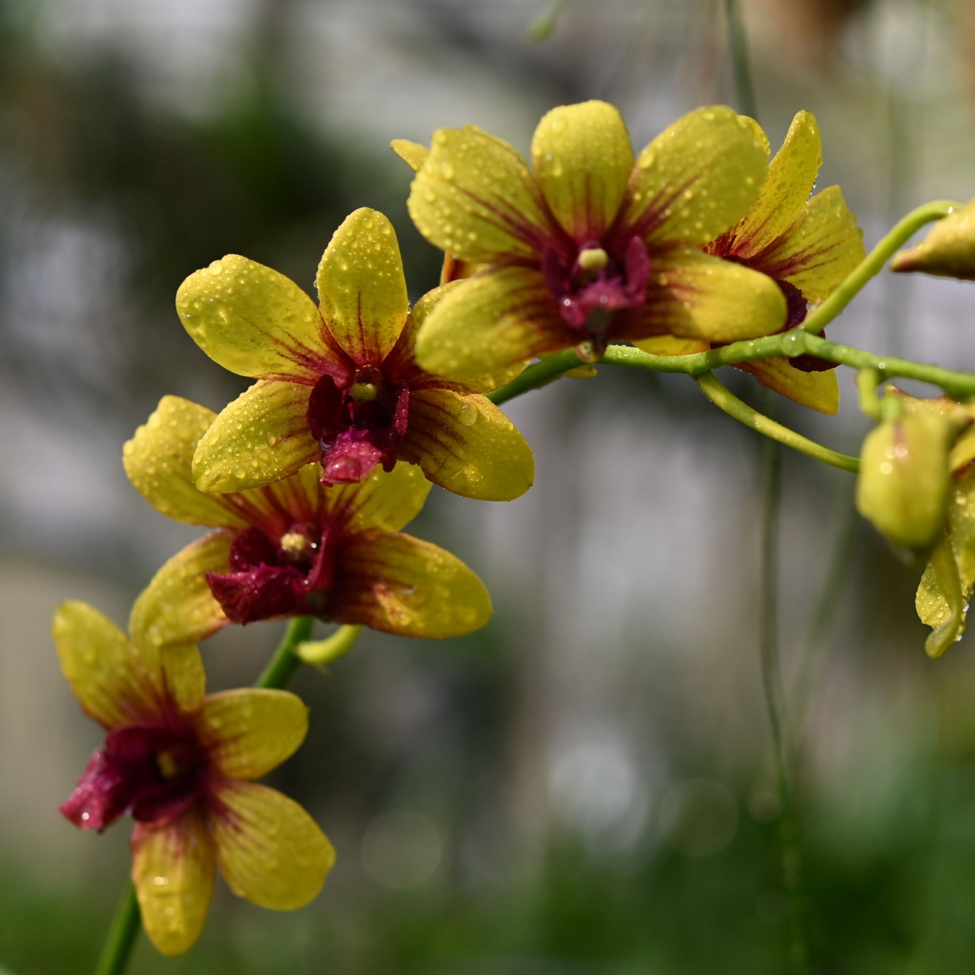 |  |  | 10161 | Den. UA 83 | 10 | $49.00 |  | $0.00
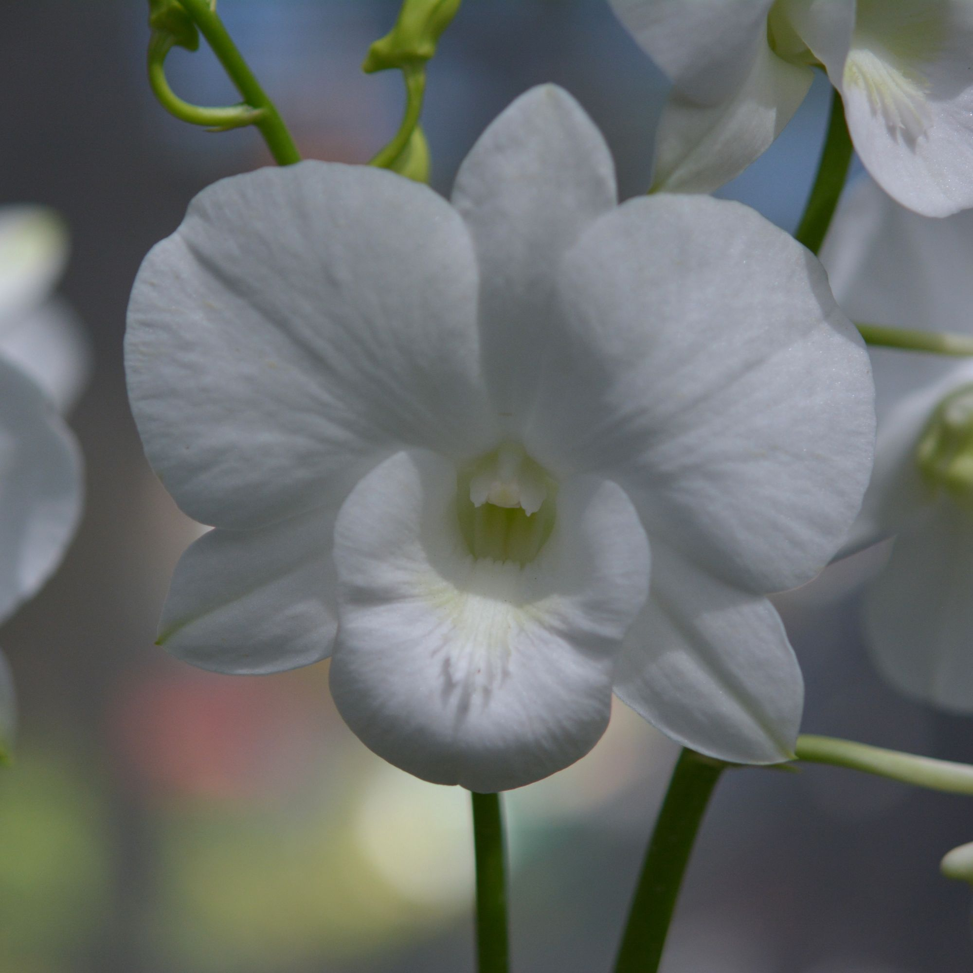 |  |  | 10177 | Den. White Kanjana | 9 | $49.00 |  | $0.00
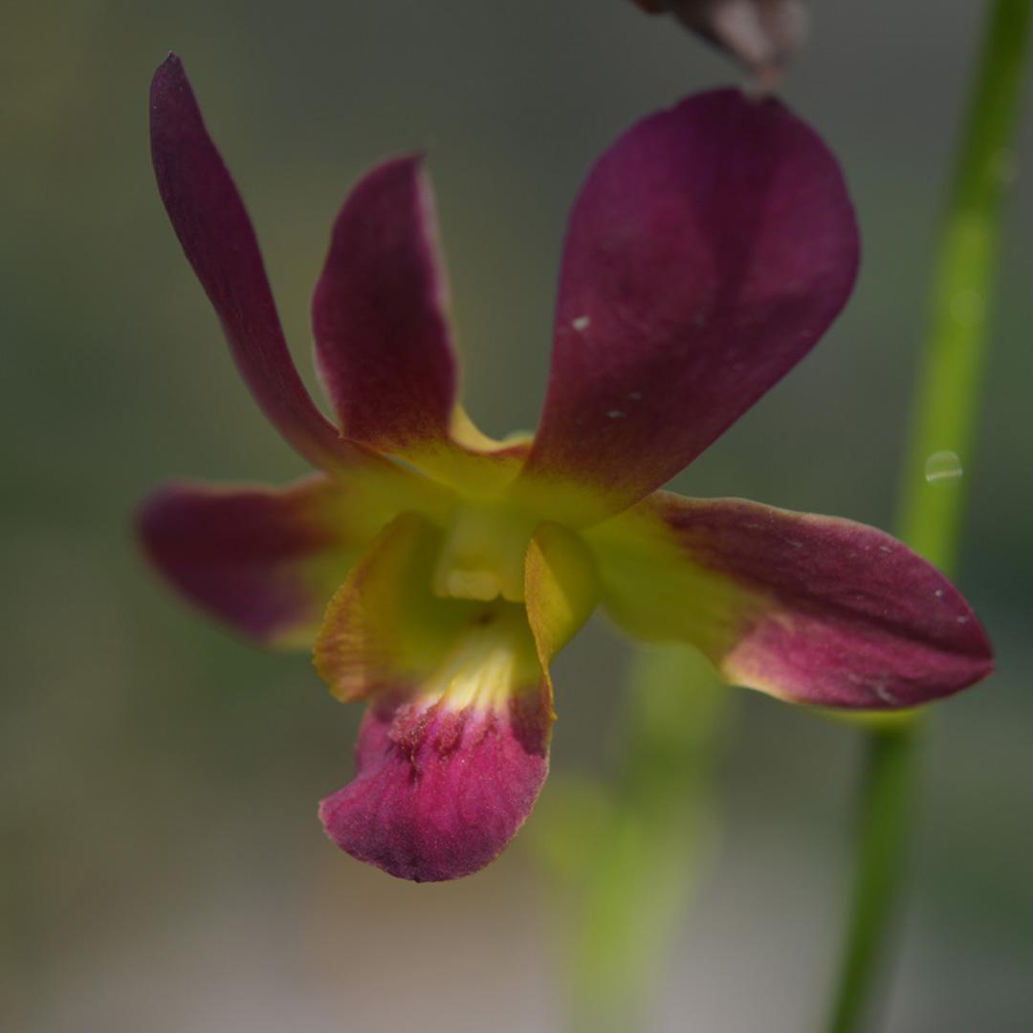 |  |  | 10201 | Den. Morning sun | 100 | $49.00 |  | $0.00
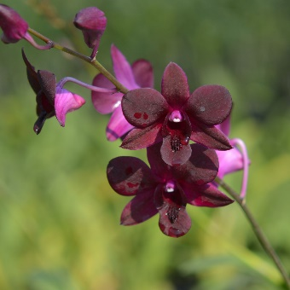 |  |  | 10210 | Den. Black Jelly | 15 | $49.00 |  | $0.00
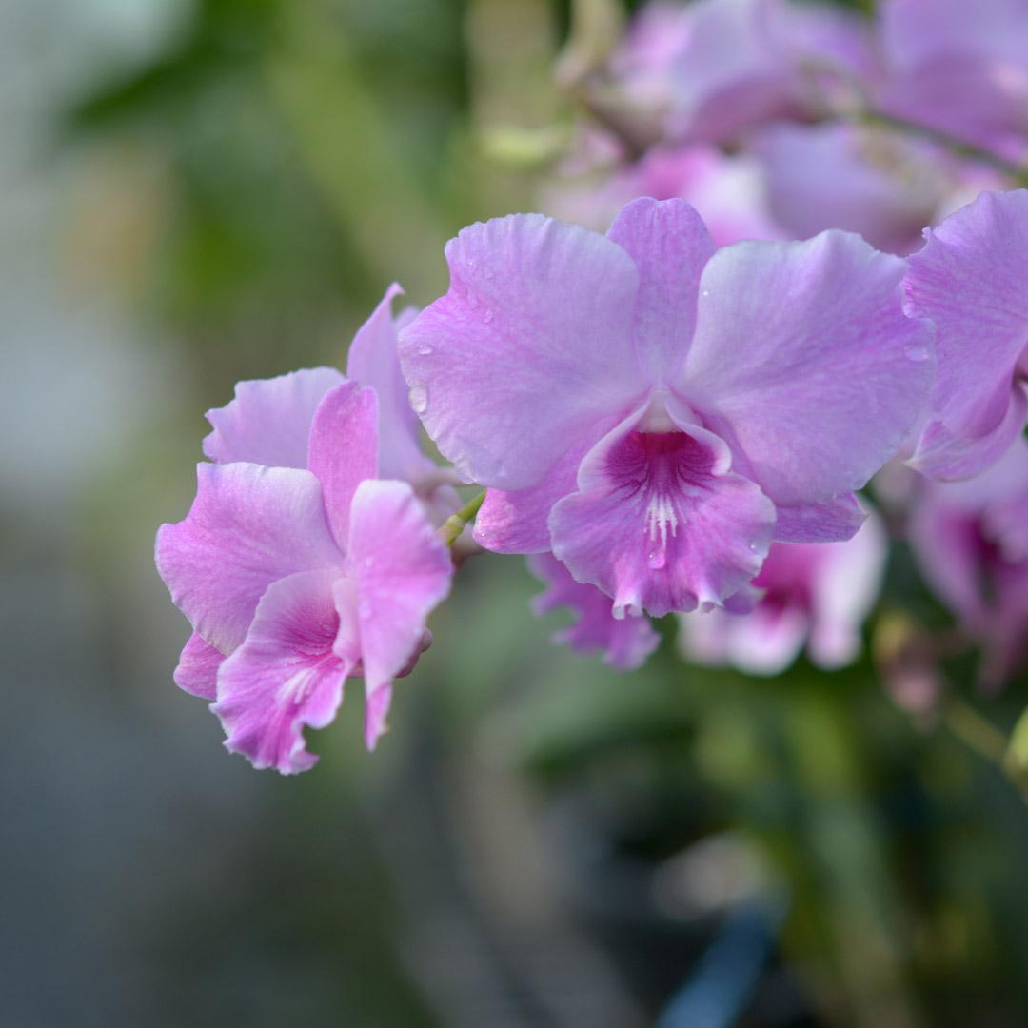 |  |  | 10221 | Den. Pink Kanjana | 50 | $49.00 |  | $0.00
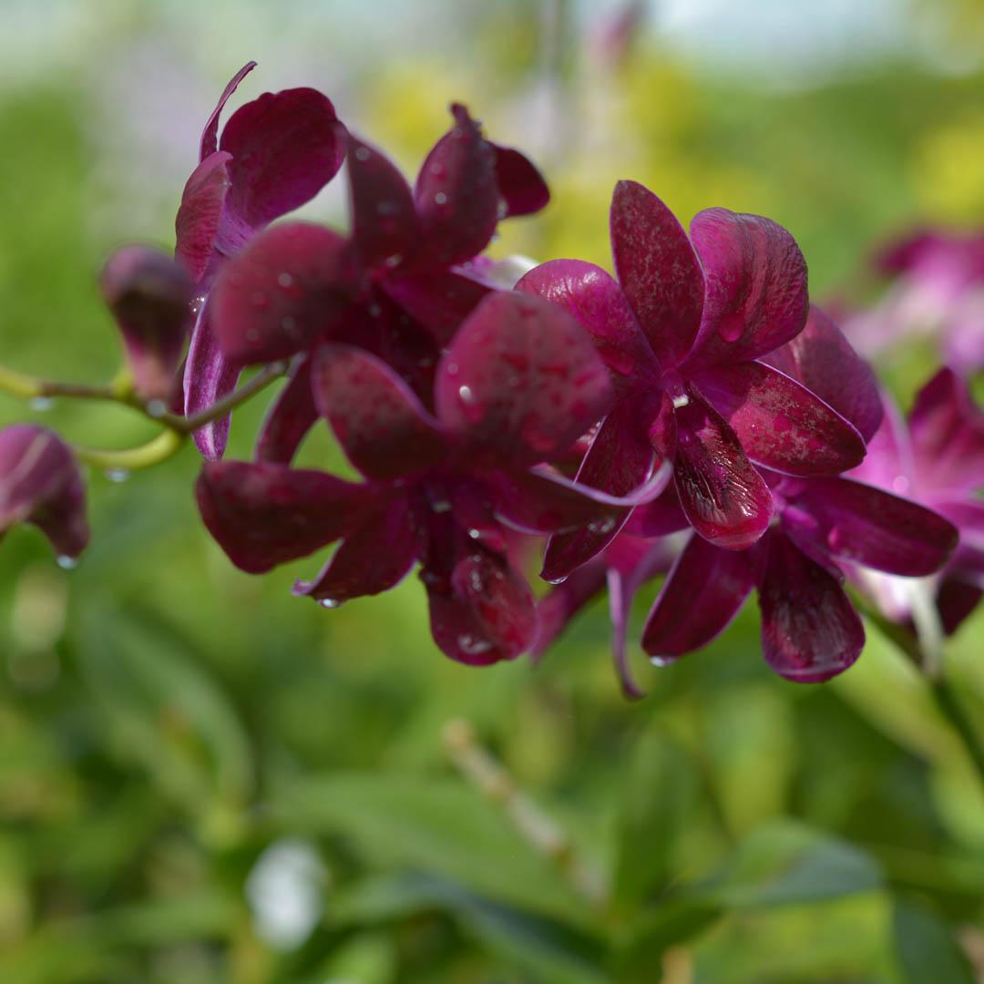 |  |  | 10231 | Den. Krating Daeng | 40 | $49.00 |  | $0.00
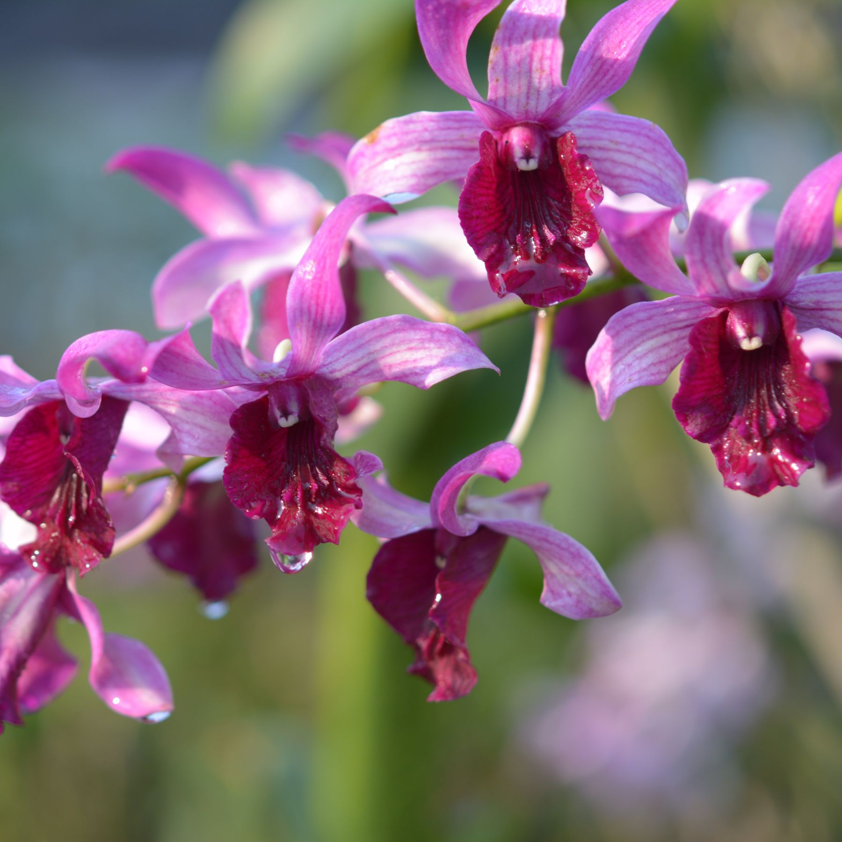 |  |  | 10232 | Den. 10232 | 15 | $49.00 |  | $0.00
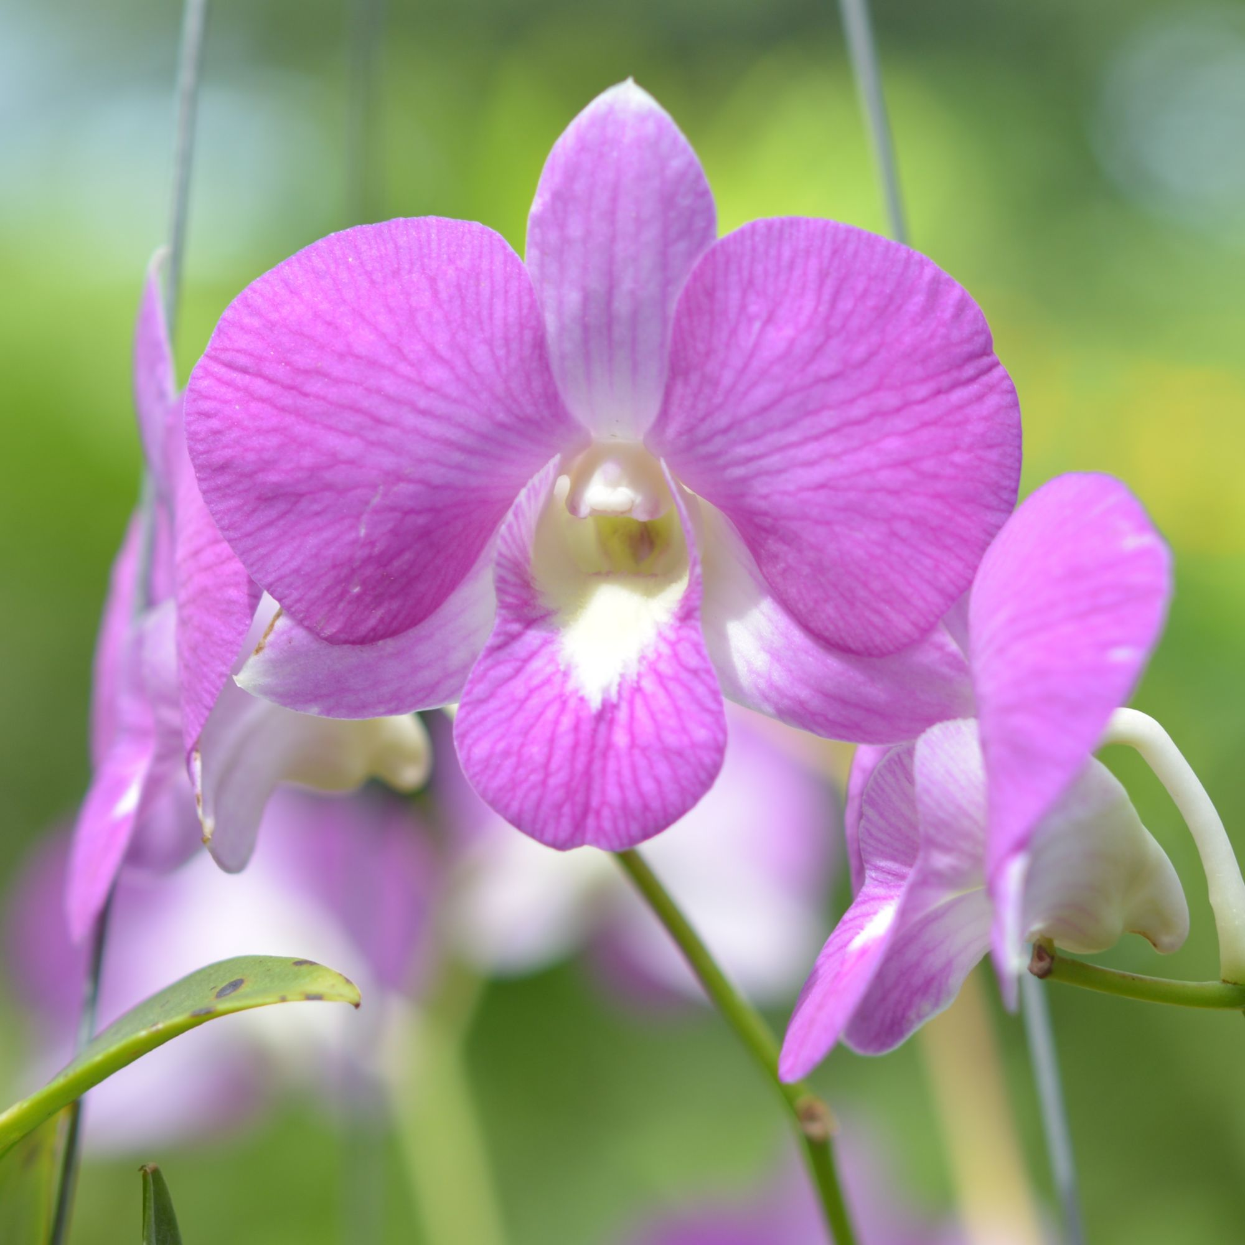 |  |  | 10238 | Den. Pink Candy | 10 | $49.00 |  | $0.00
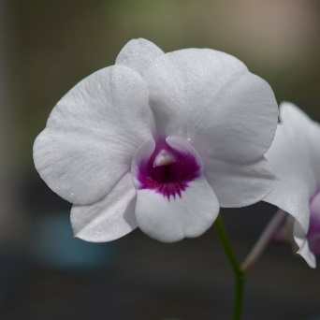 |  |  | 10242 | Den. Pakbung Jumbo | 30 | $49.00 |  | $0.00
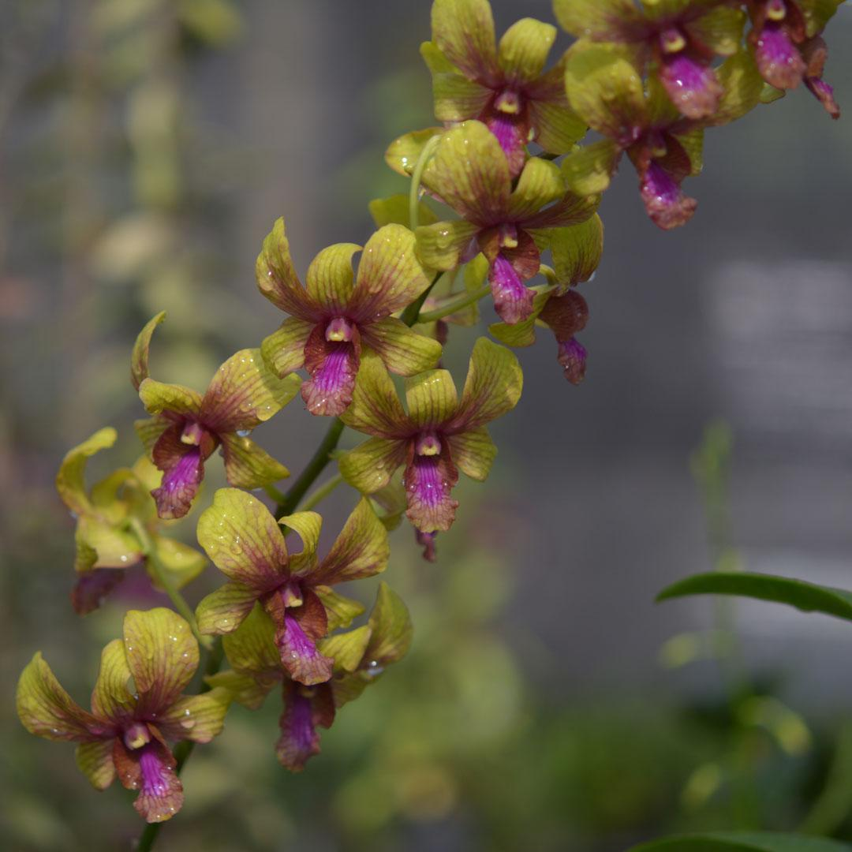 |  |  | 10257 | Den. Yellow Splash | 40 | $49.00 |  | $0.00
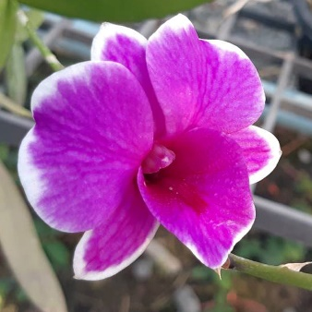 |  |  | 10274 | Den. 10274 | 40 | $49.00 |  | $0.00
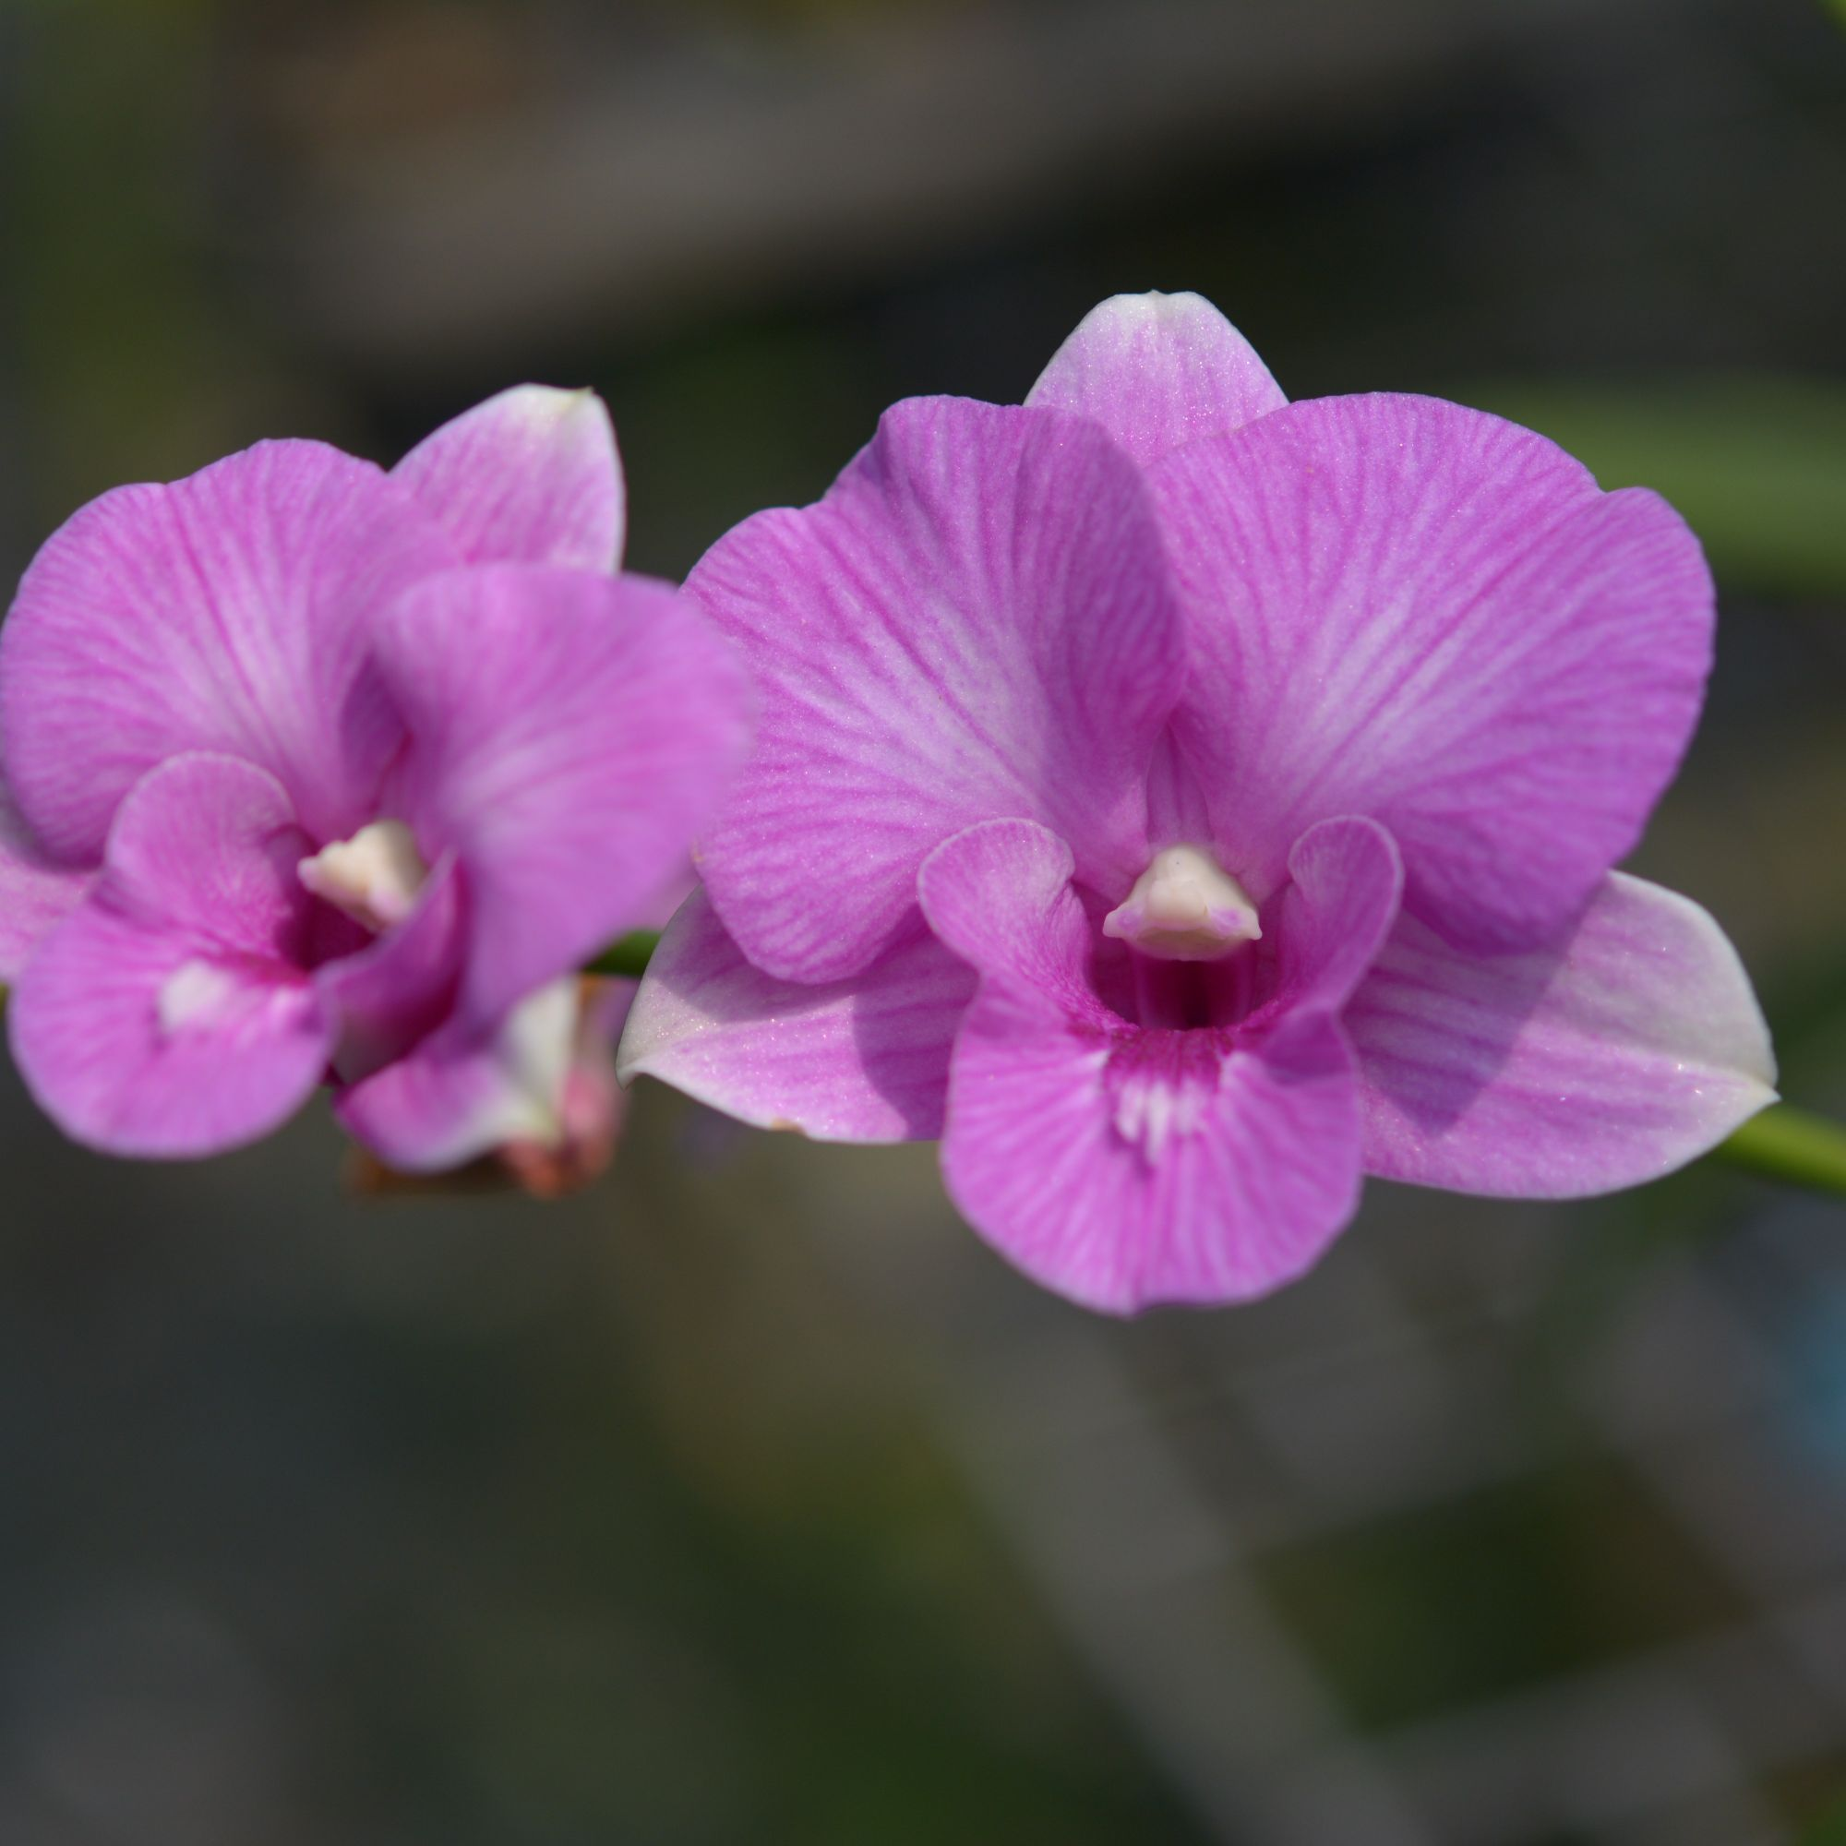 |  |  | 10283 | Den. 10283 | 30 | $49.00 |  | $0.00
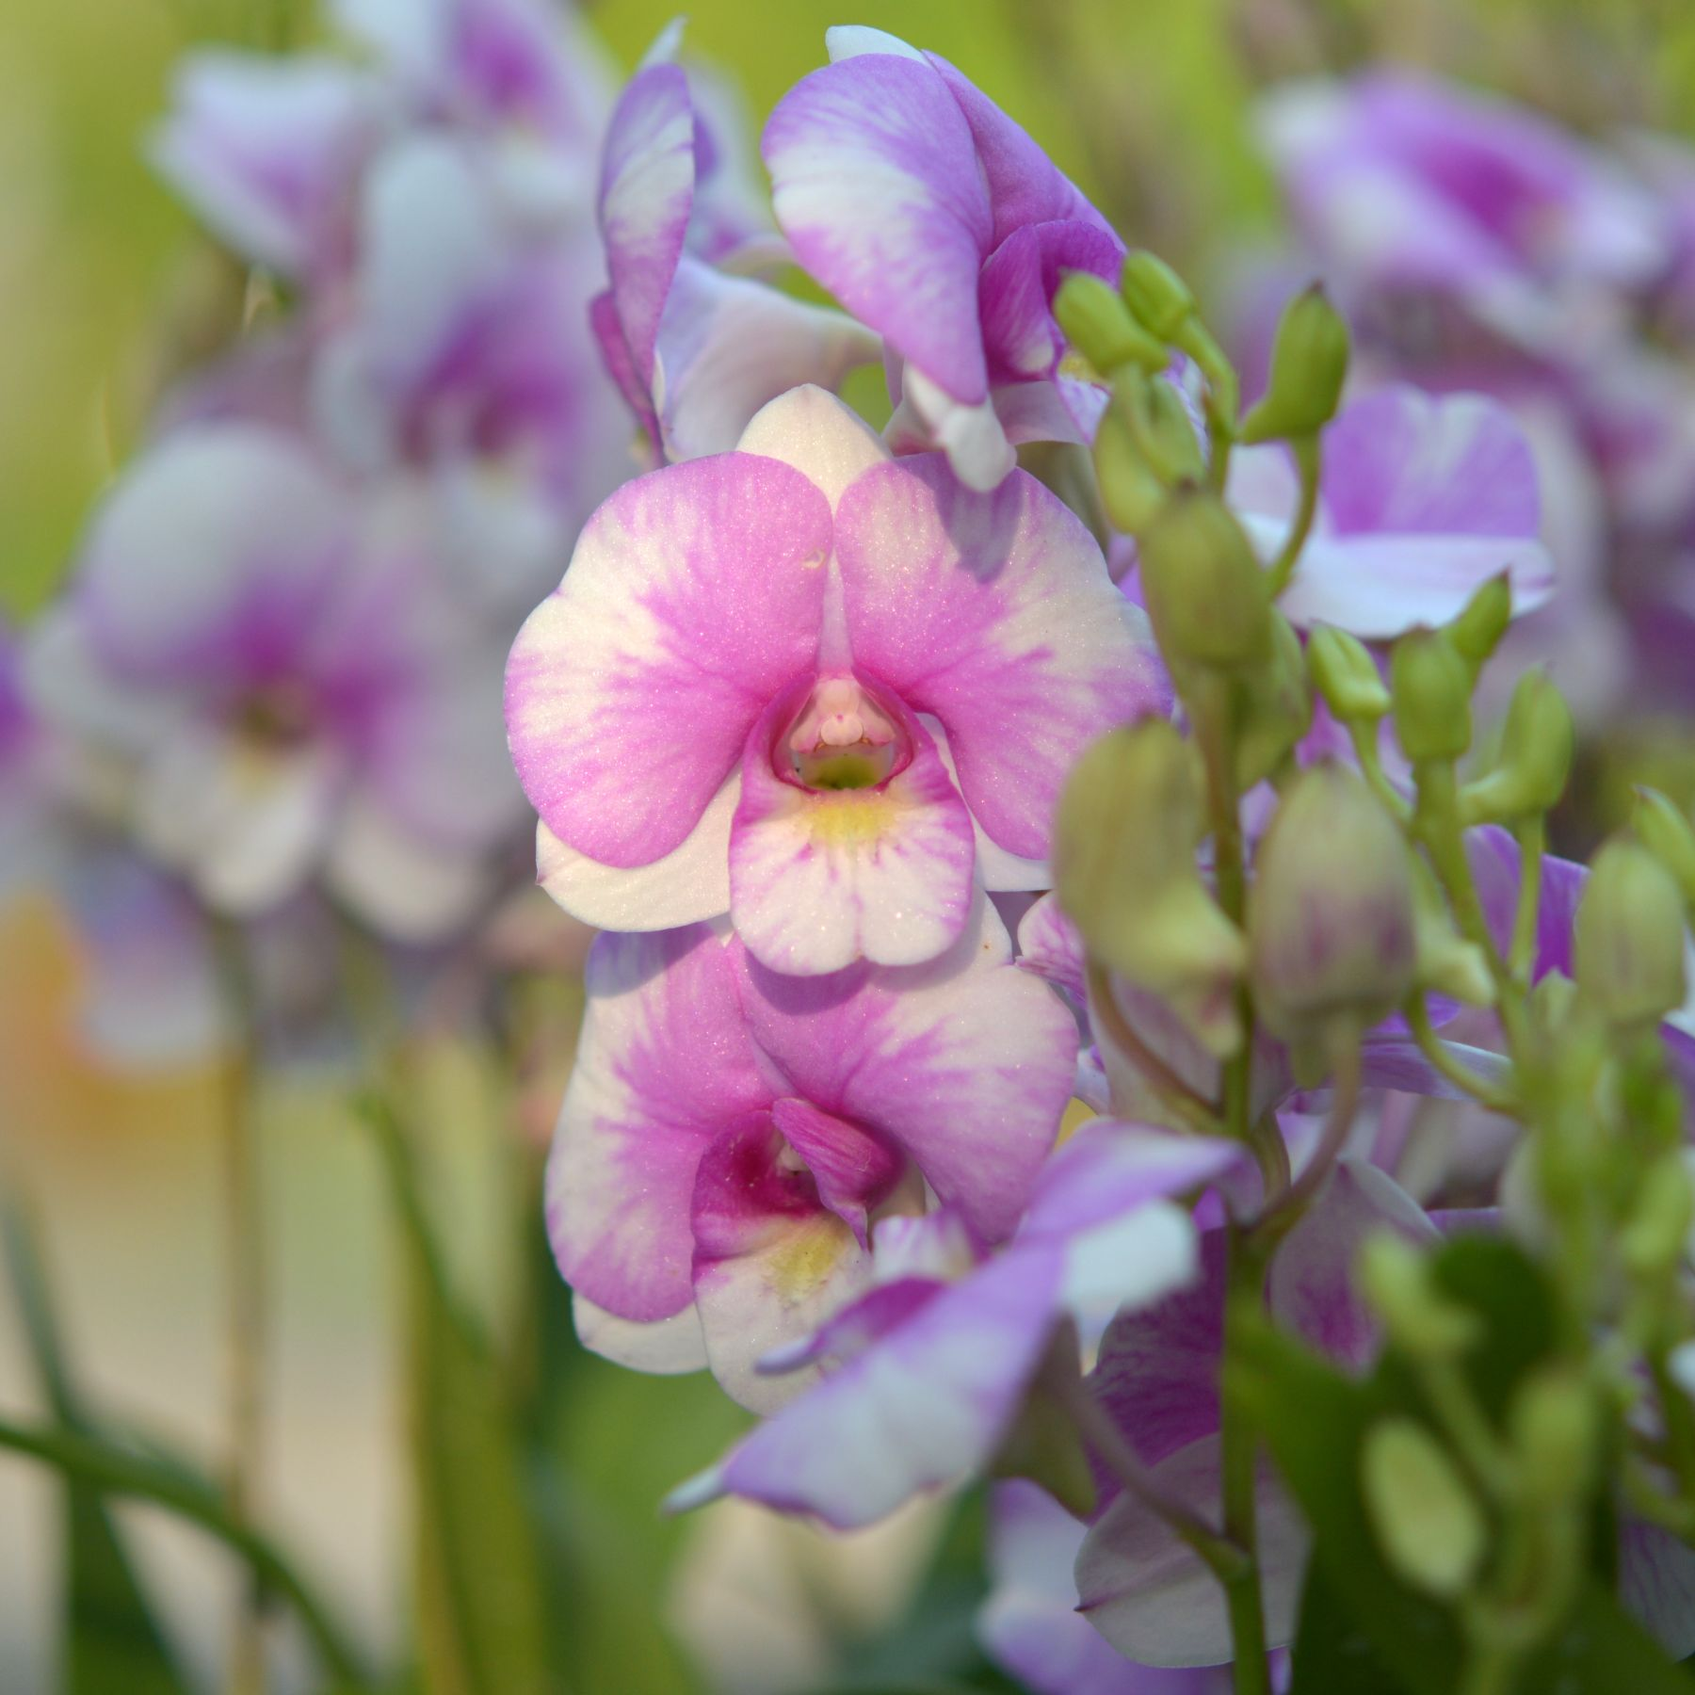 |  |  | 10287 | Den. Candy Kiss | 40 | $49.00 |  | $0.00
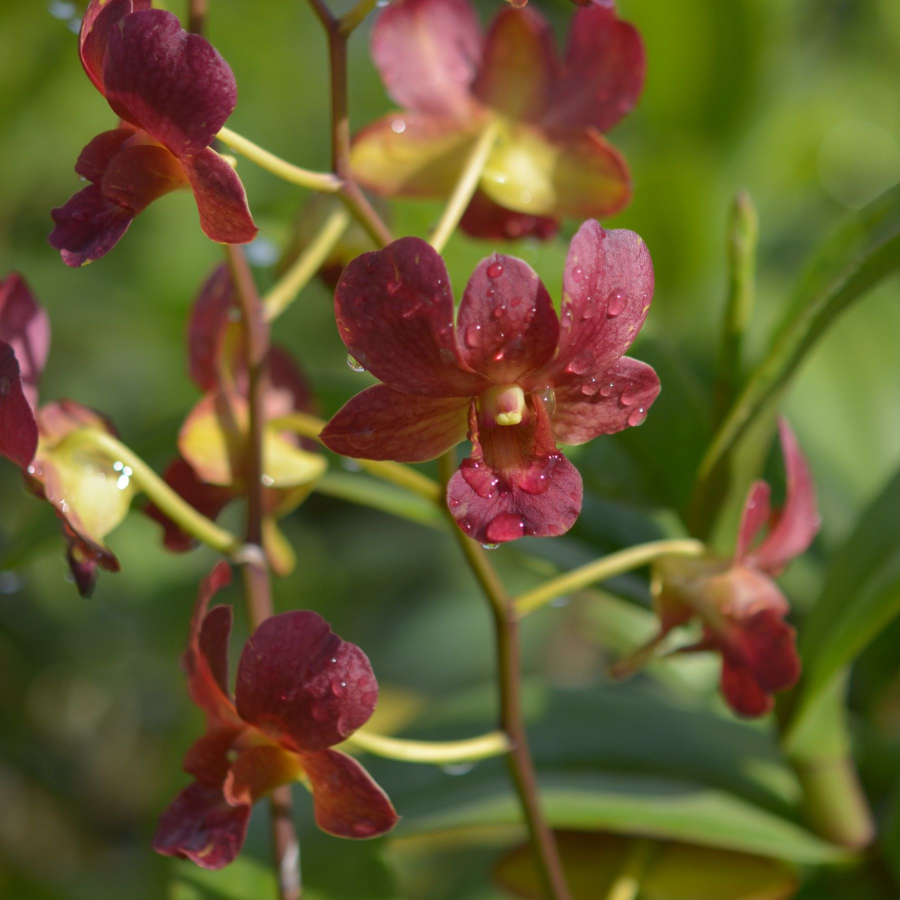 |  |  | 10291 | Den. Thongchai Mungkud | 14 | $49.00 |  | $0.00
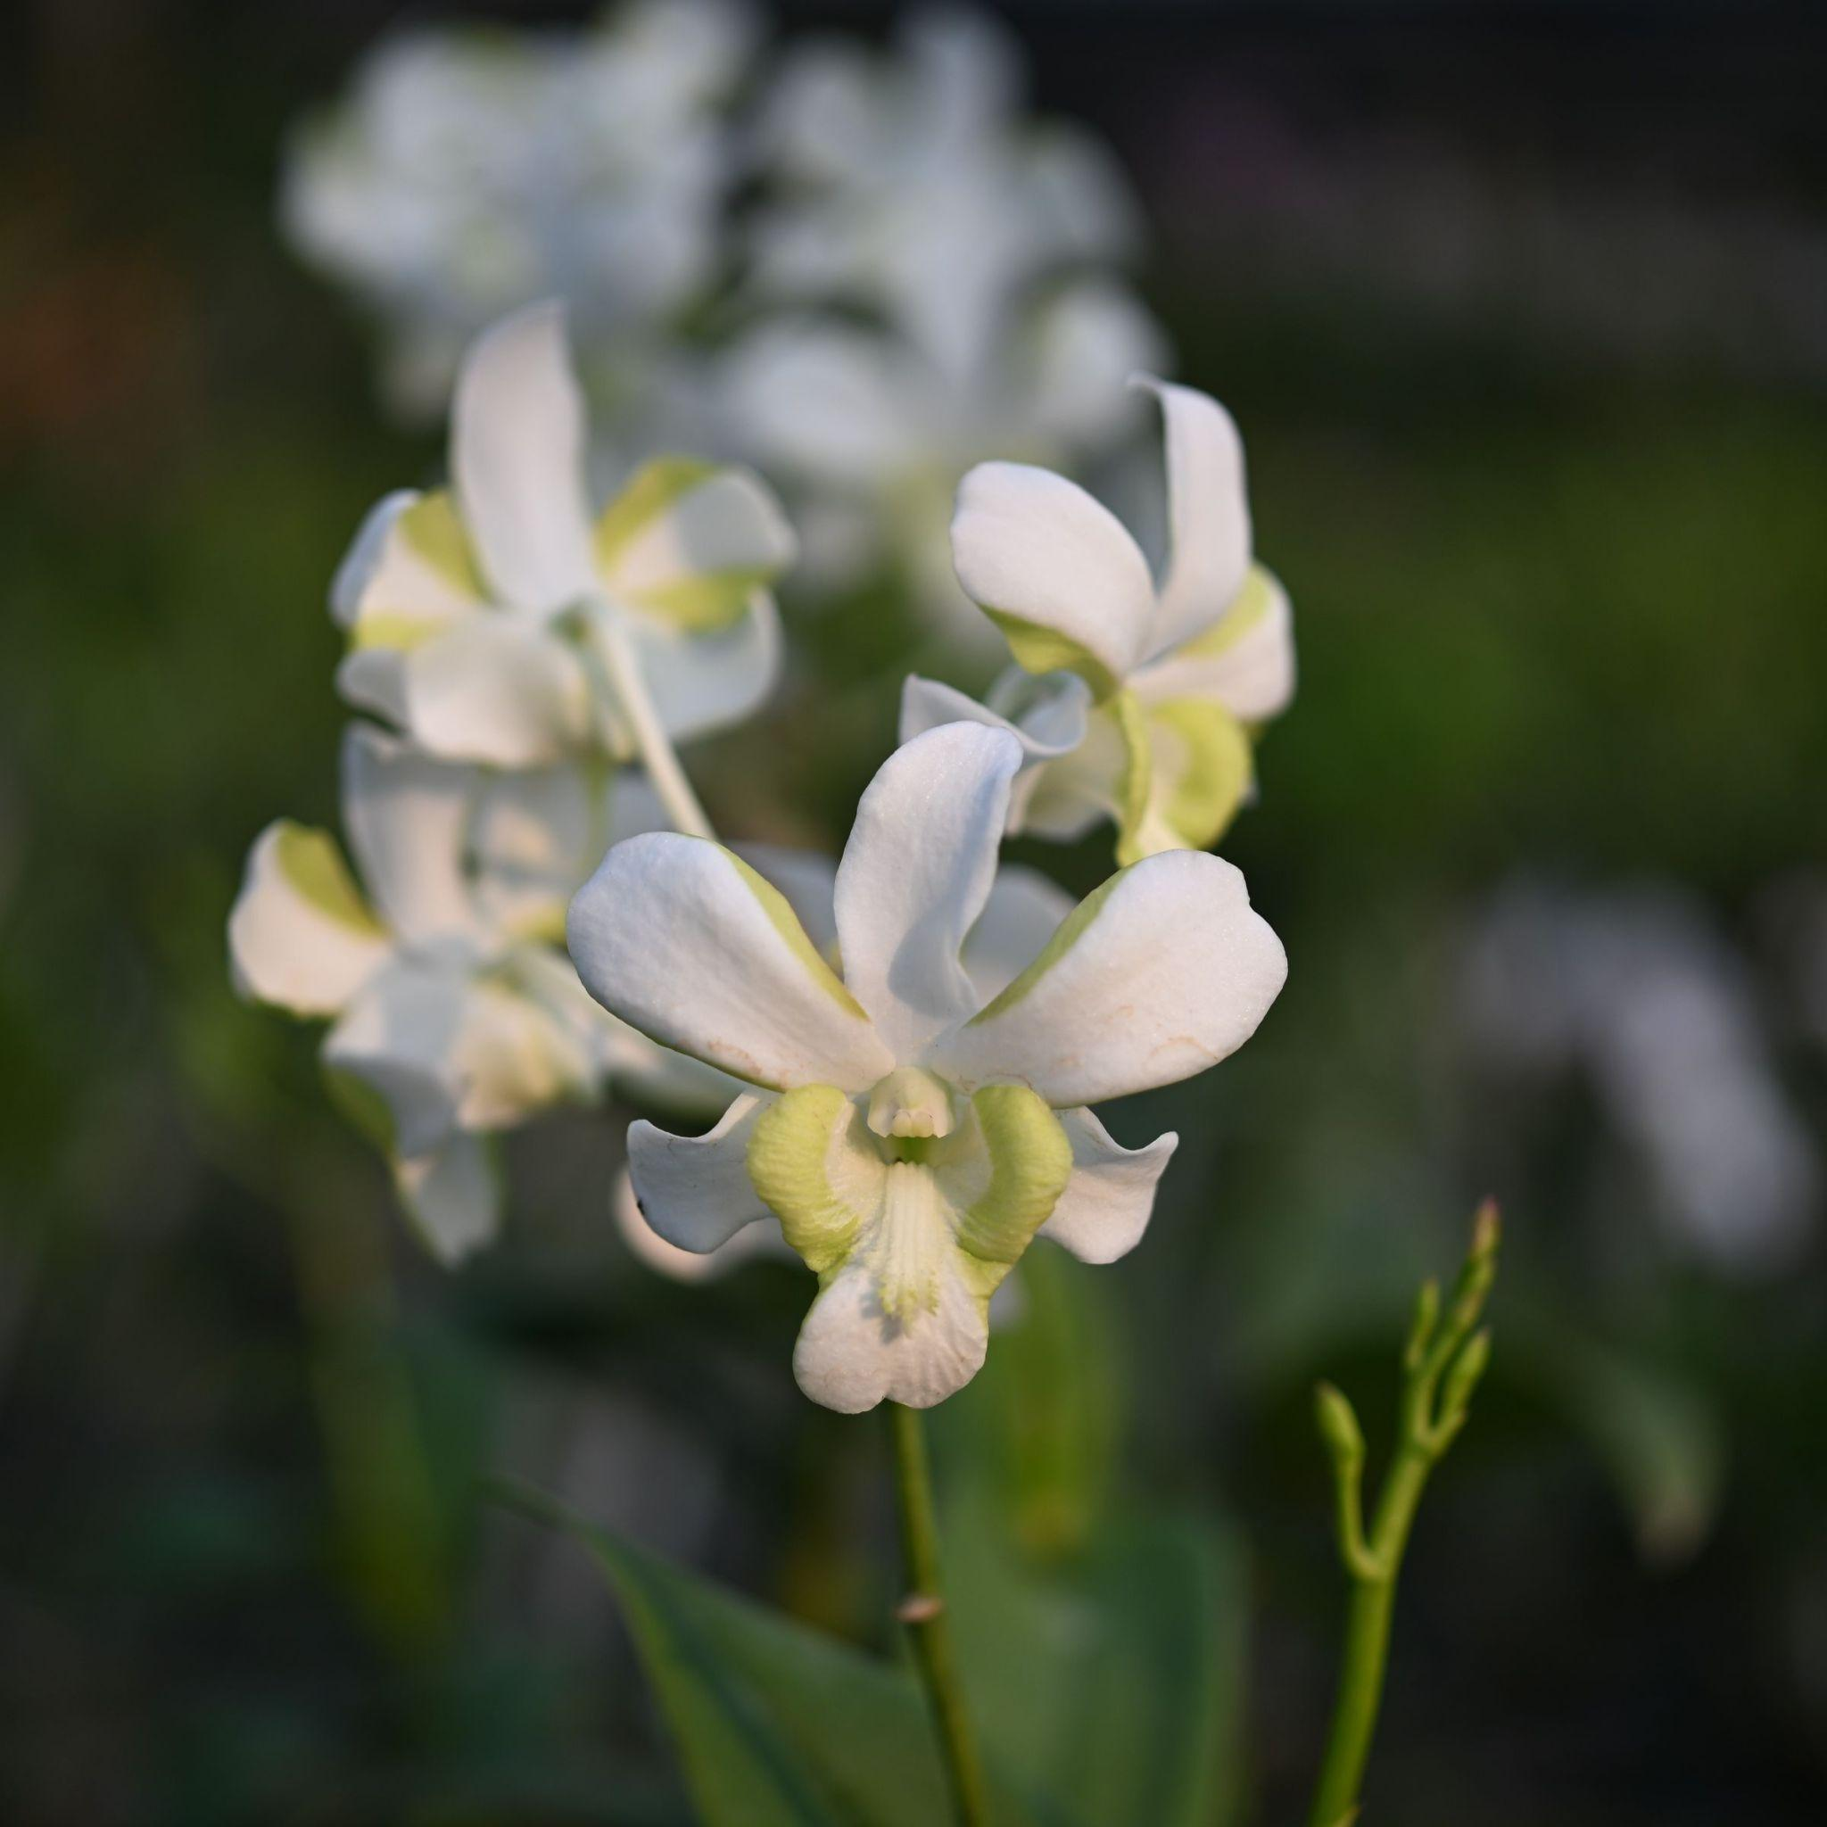 |  |  | 10293 | Den. Arawan | 45 | $49.00 |  | $0.00
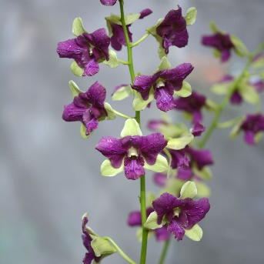 |  |  | 10297 | Den. 10297 | 30 | $49.00 |  | $0.00
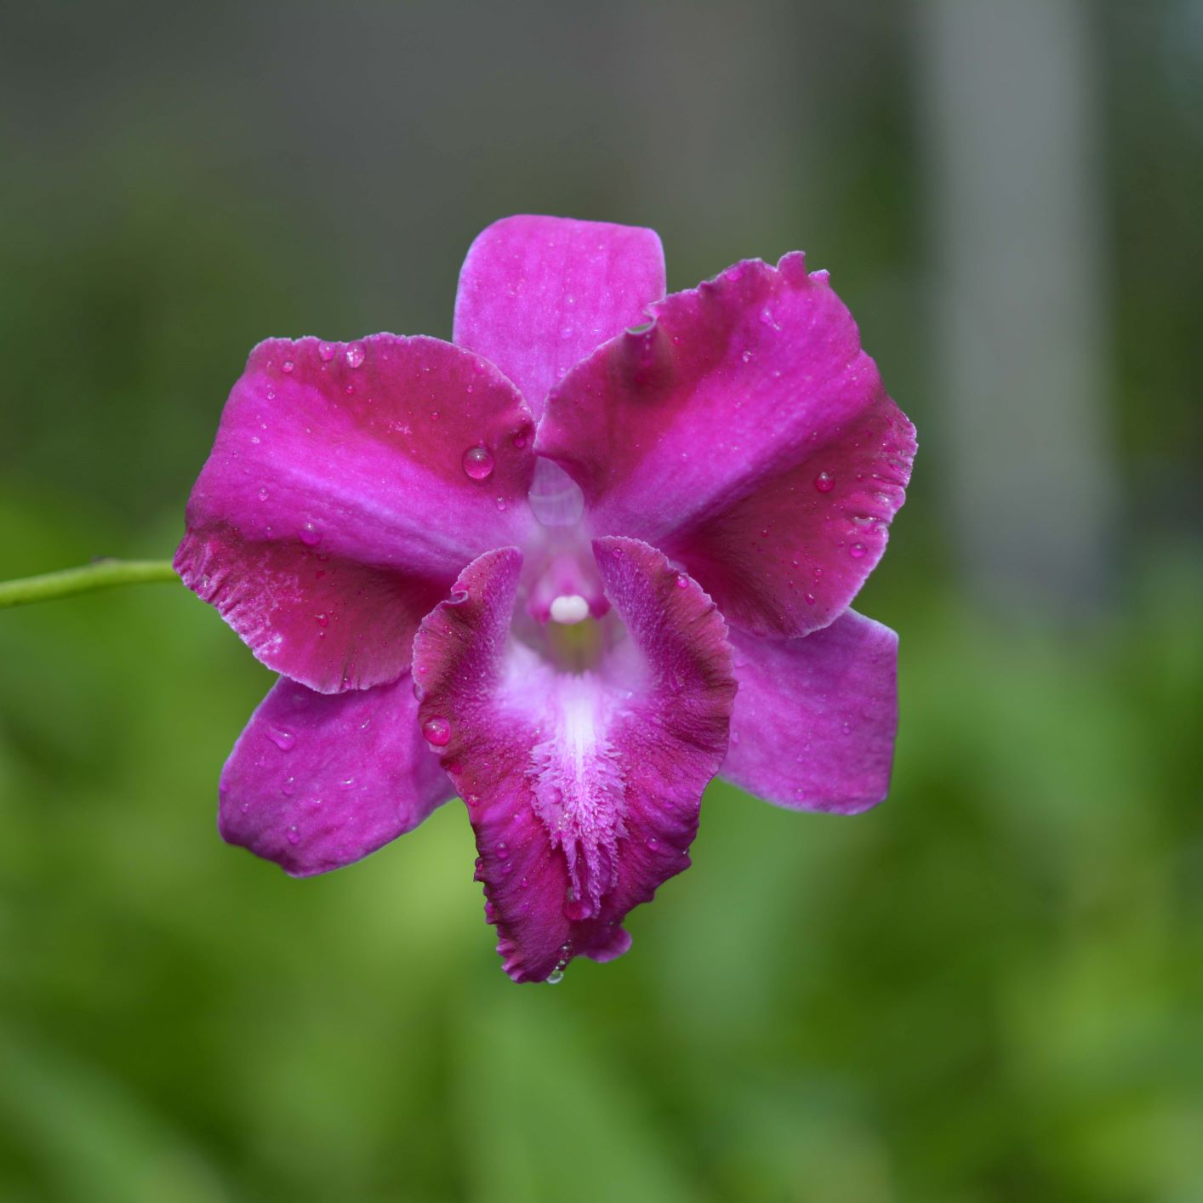 |  |  | 10299 | Den. King Dragon | 20 | $49.00 |  | $0.00
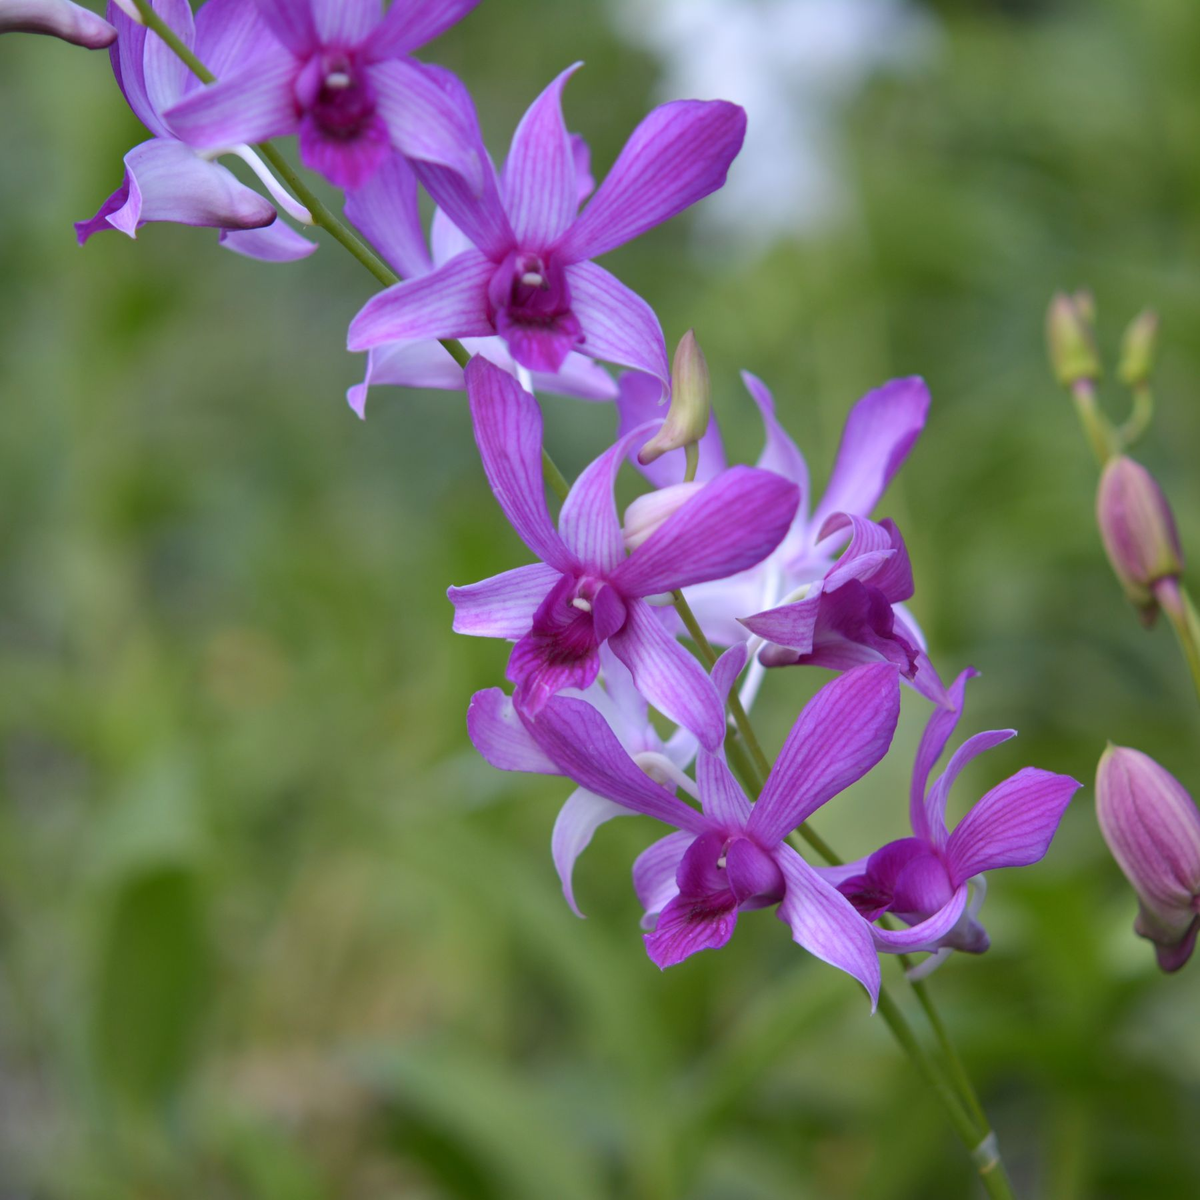 |  |  | 10304 | Den. Pink Taiwan | 20 | $49.00 |  | $0.00
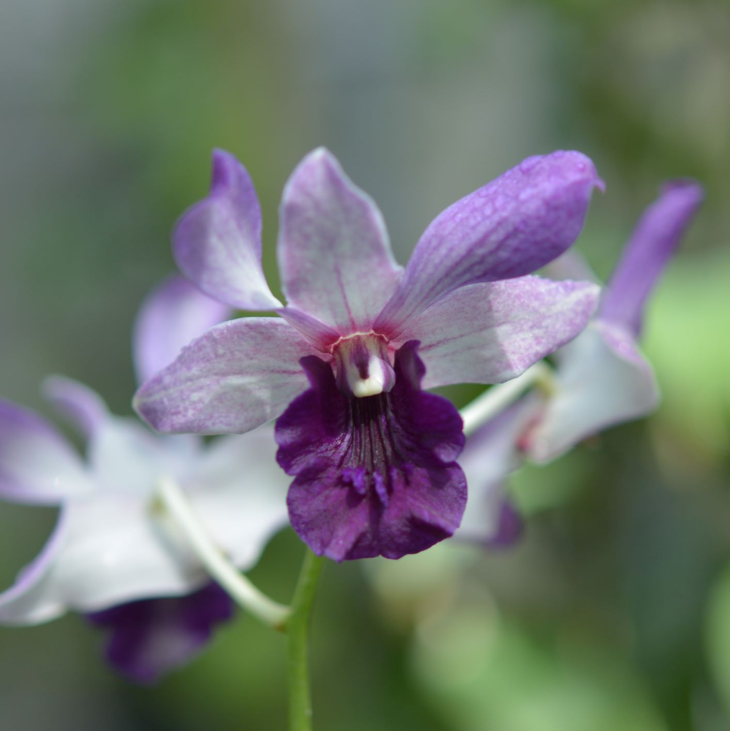 |  |  | 10305 | Den. DO 18 | 5 | $49.00 |  | $0.00
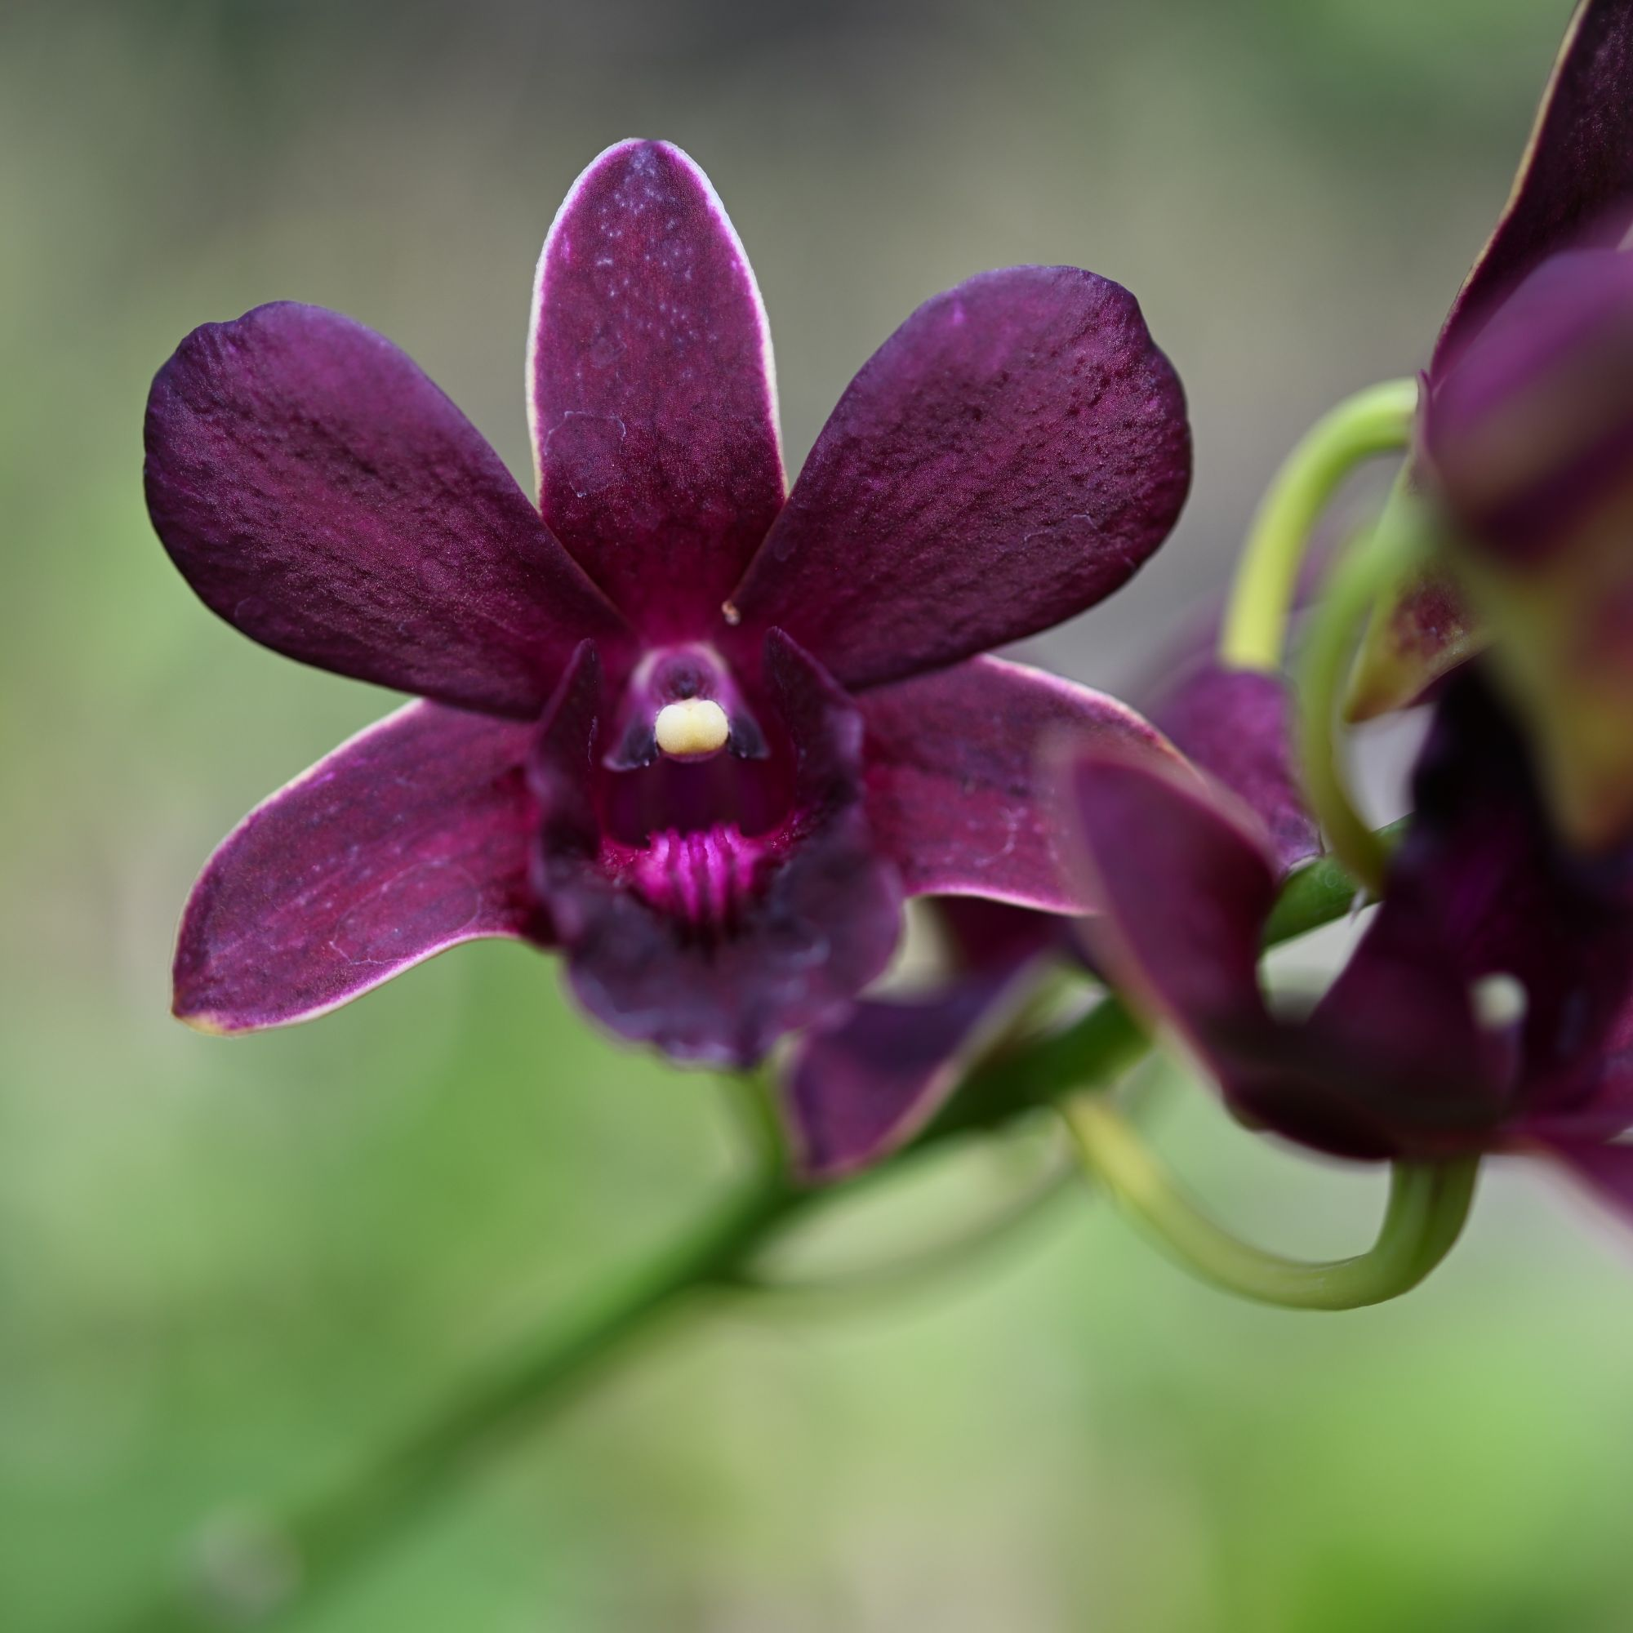 |  |  | 10309 | Den. 10309 | 15 | $49.00 |  | $0.00
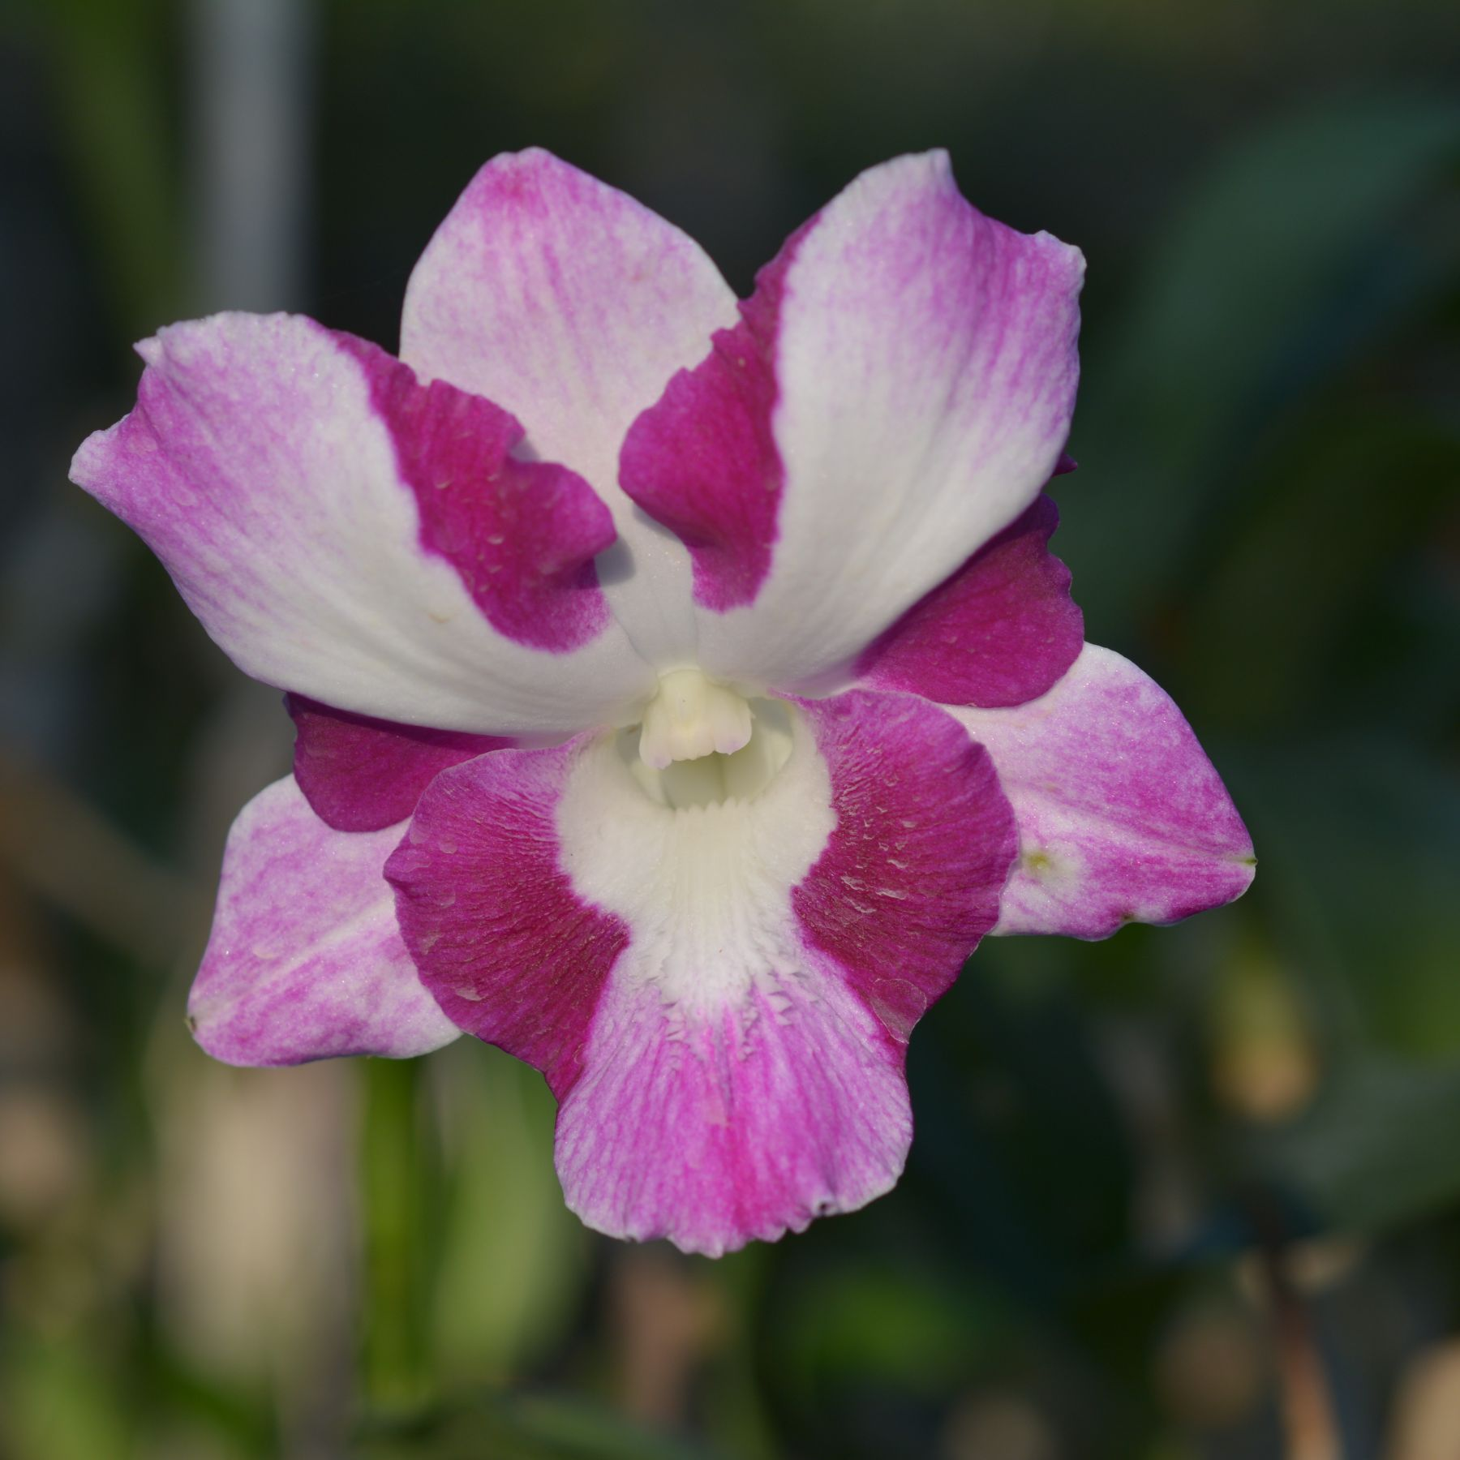 |  |  | 10310 | Den. Opal | 20 | $49.00 |  | $0.00
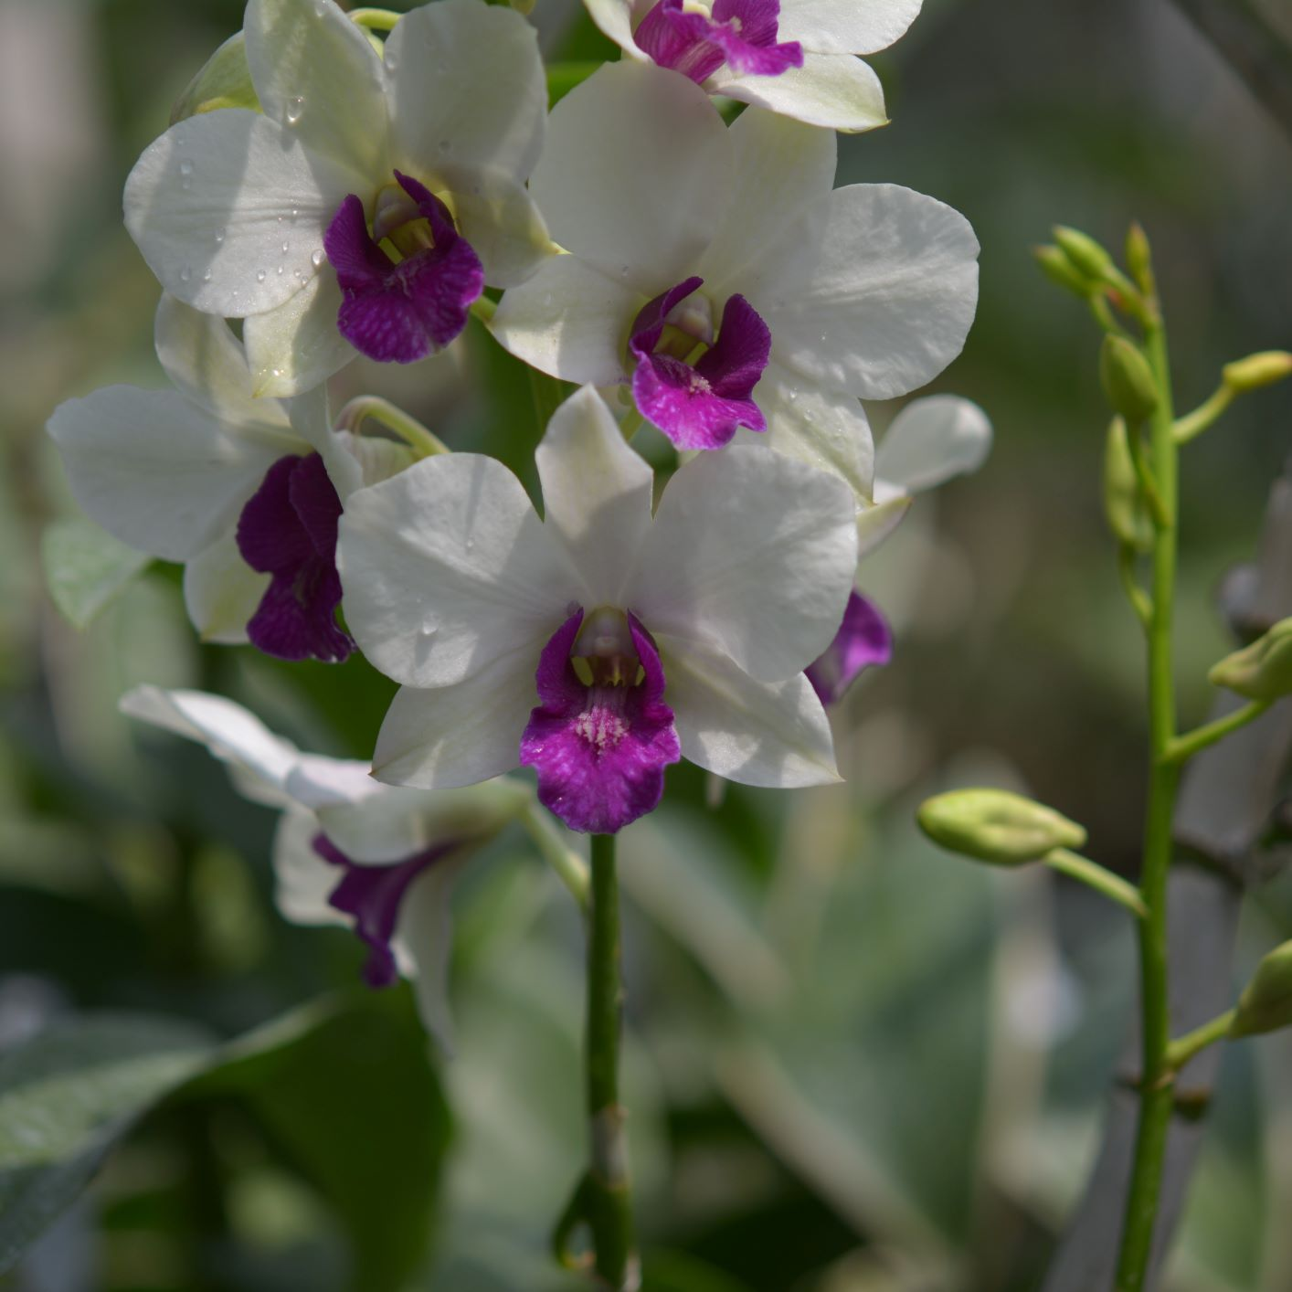 |  |  | 10311 | Den. 10311 | 20 | $49.00 |  | $0.00
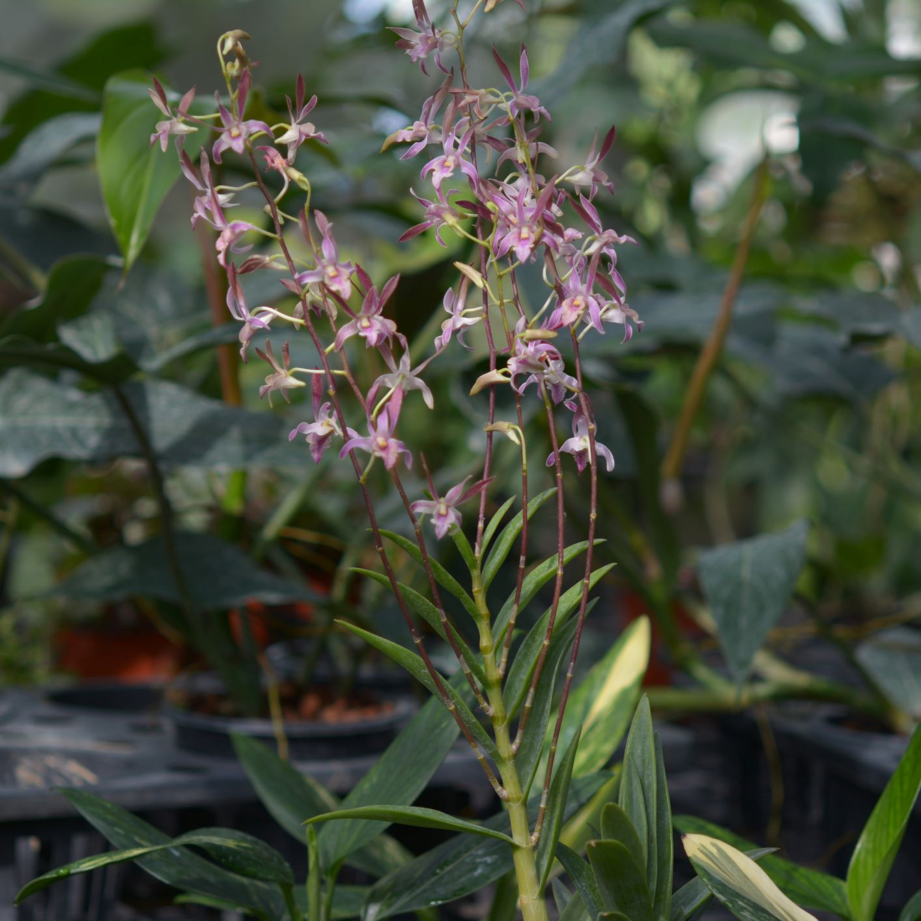 |  |  | 10322 | Den. 10322 | 14 | $49.00 |  | $0.00
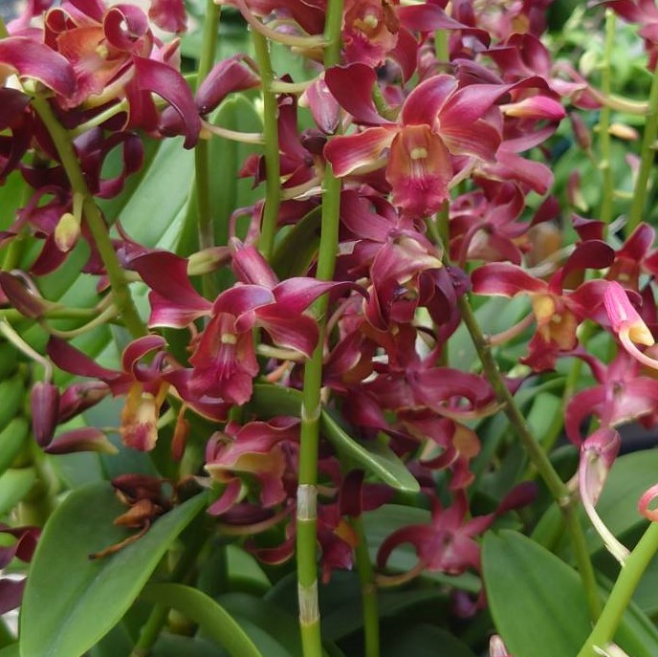 |  |  | 10324 | Den. 10324 | 5 | $49.00 |  | $0.00
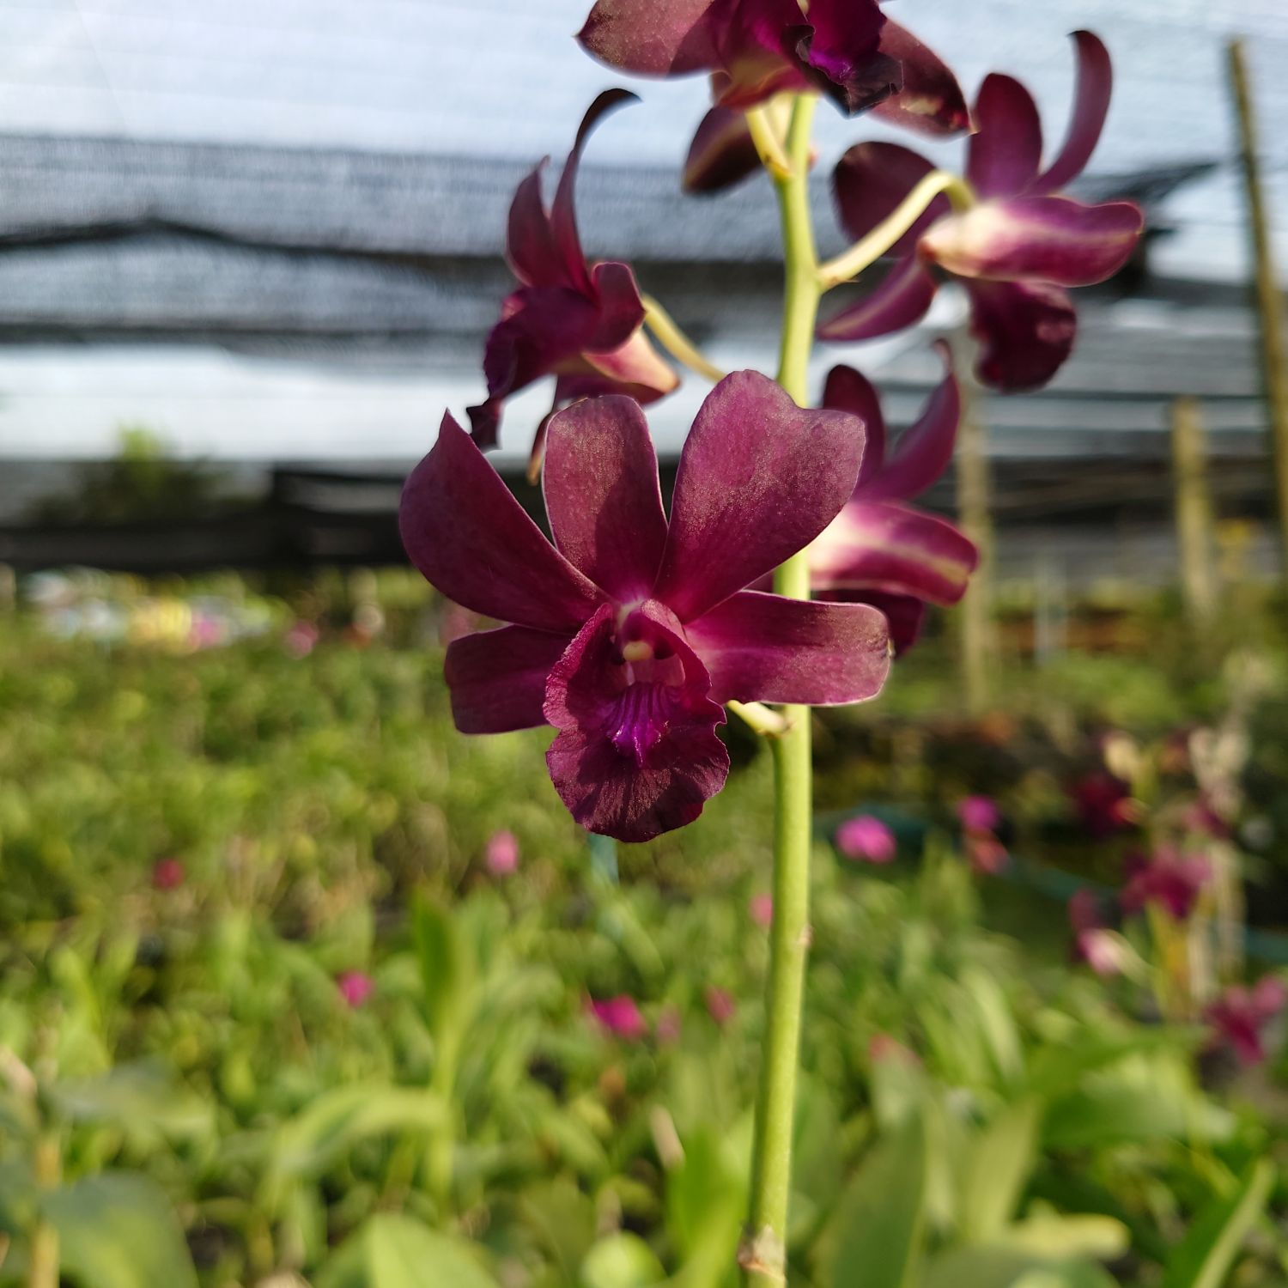 |  |  | 10328 | Den. 10328 | 20 | $49.00 |  | $0.00
 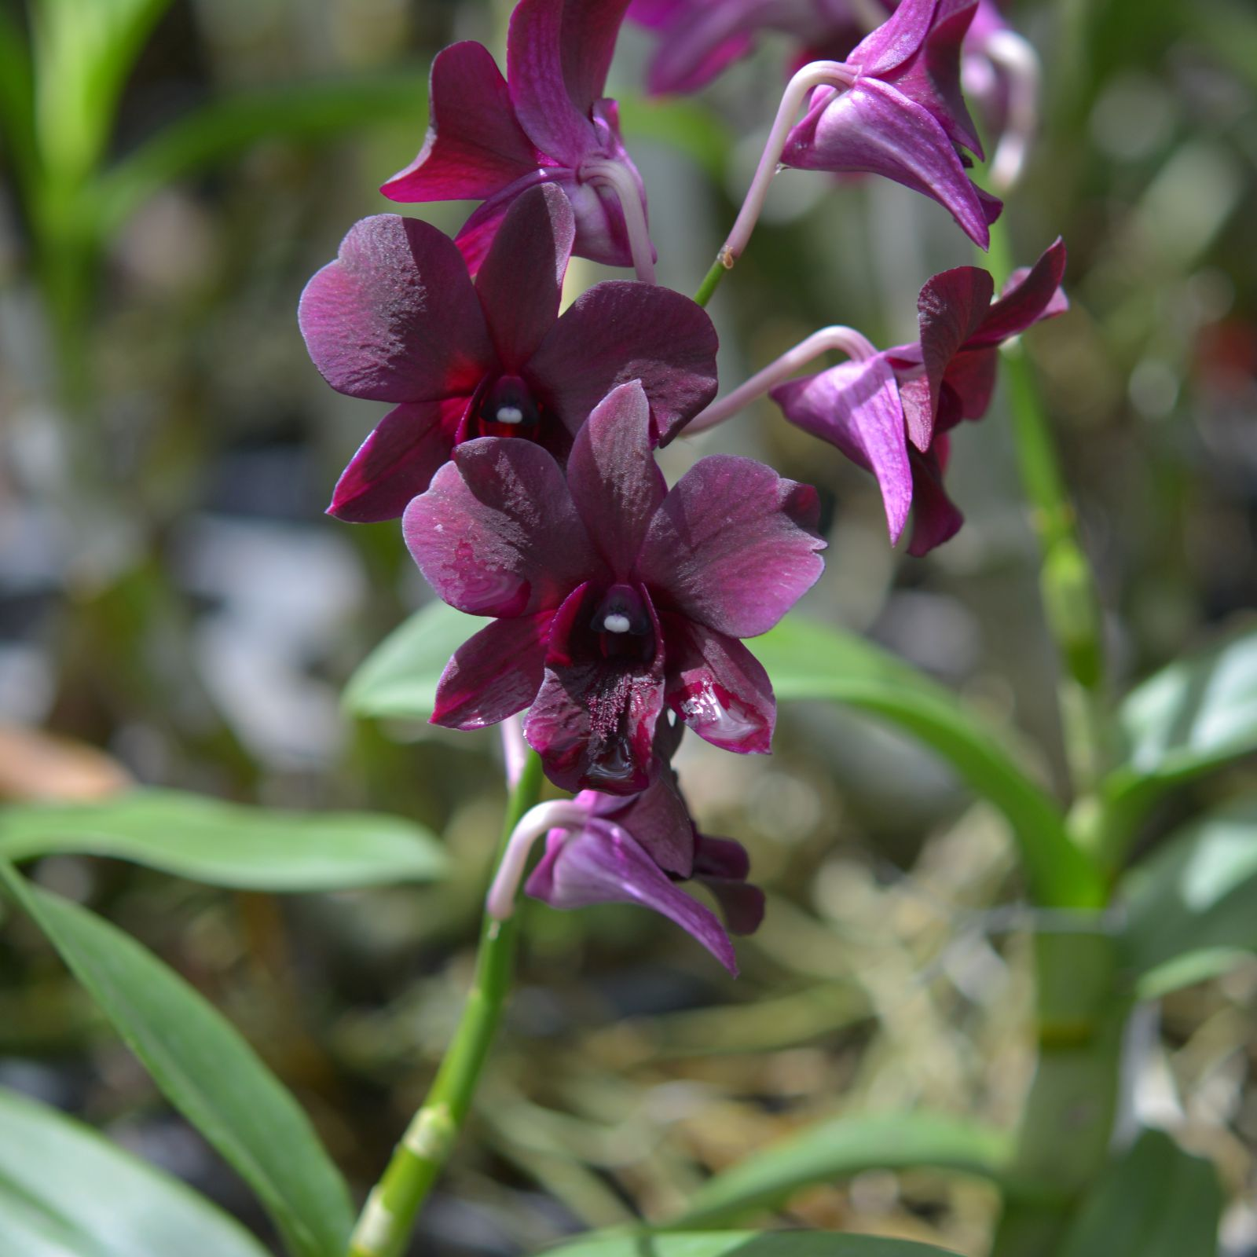 |  |  | 10386 | Den. Th 70 | 155 | $49.00 |  | $0.00
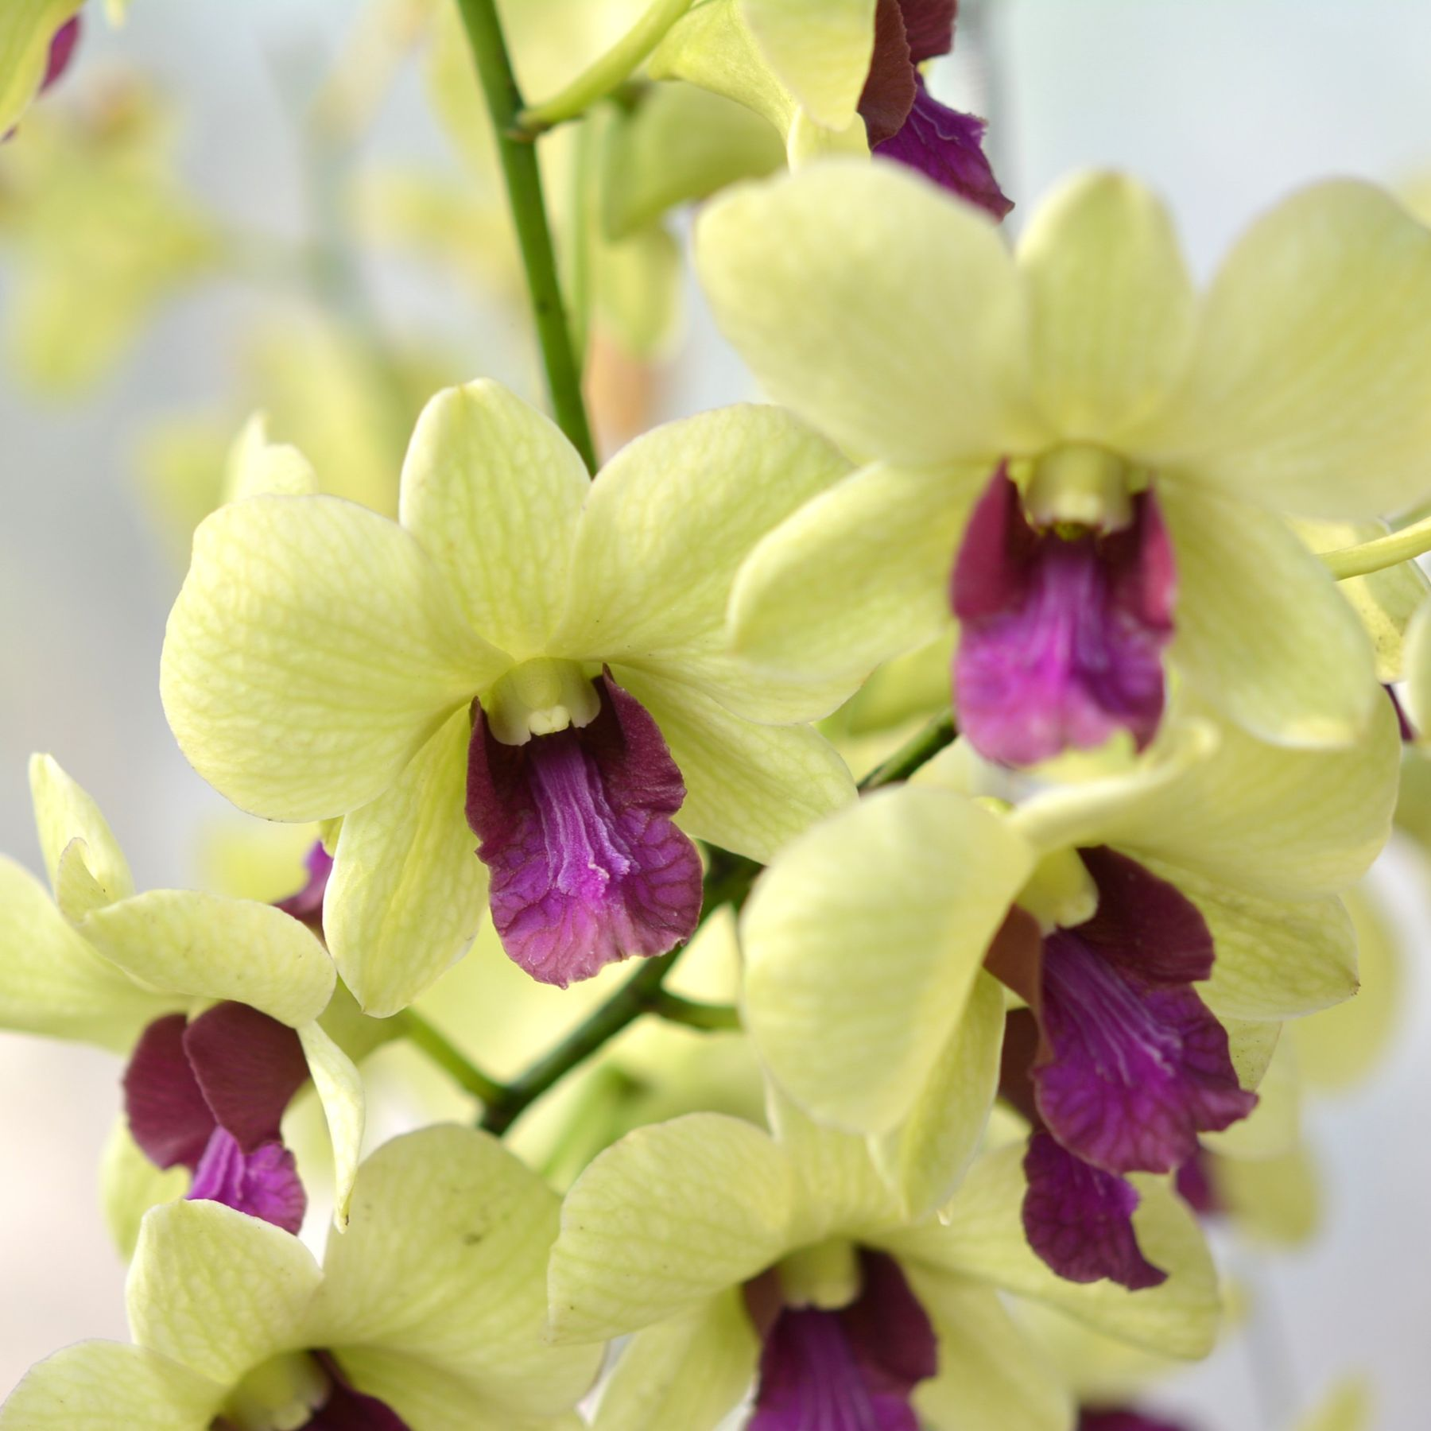 |  |  | 10388 | Den. 10388 | 18 | $49.00 |  | $0.00
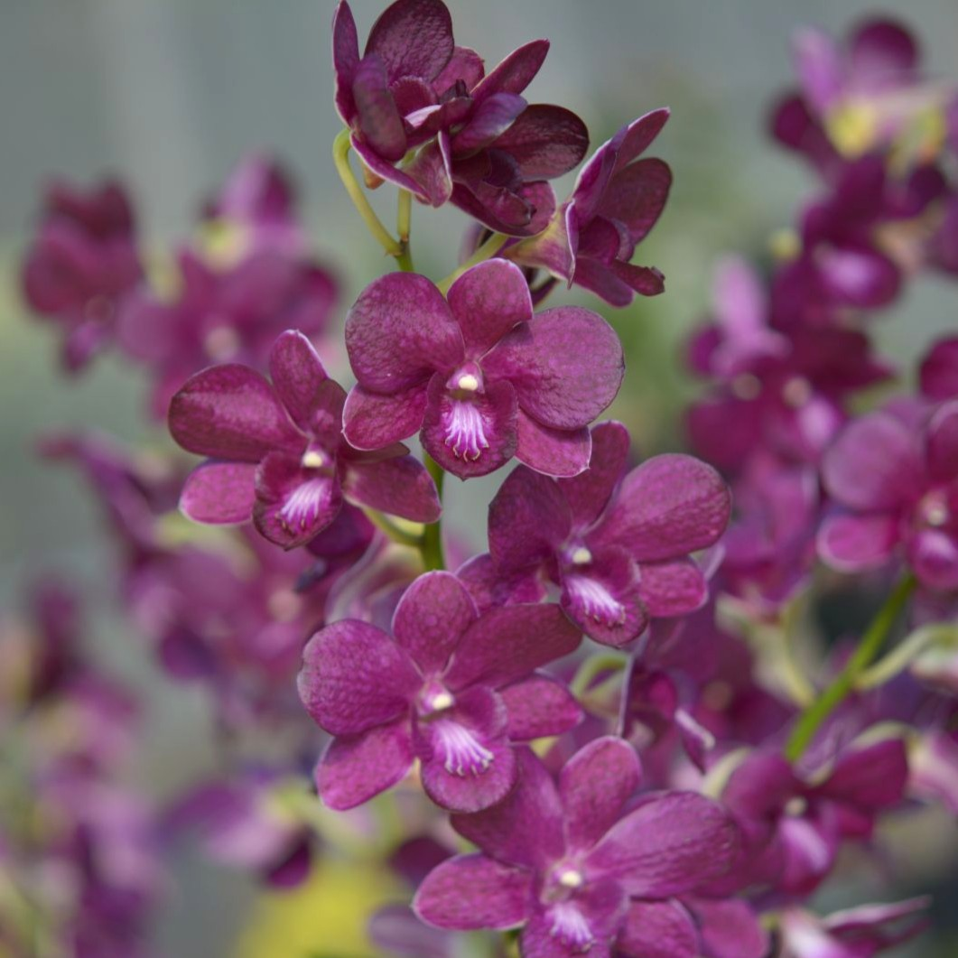 |  |  | 10390 | Den. Butasong | 10 | $49.00 |  | $0.00
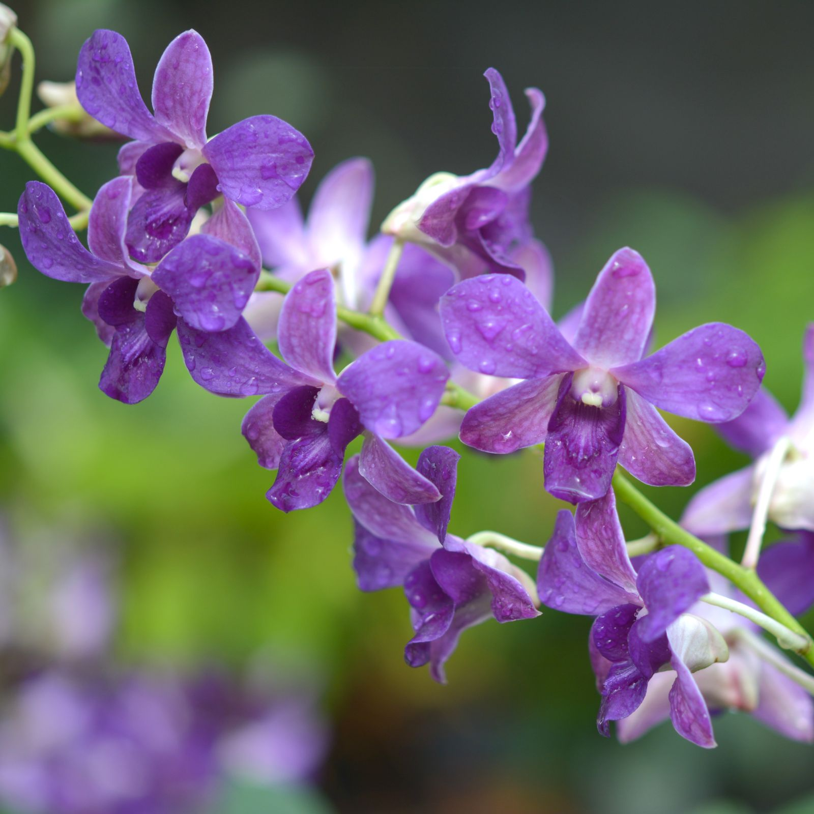 |  |  | 10391 | Den. Th 94 | 50 | $49.00 |  | $0.00
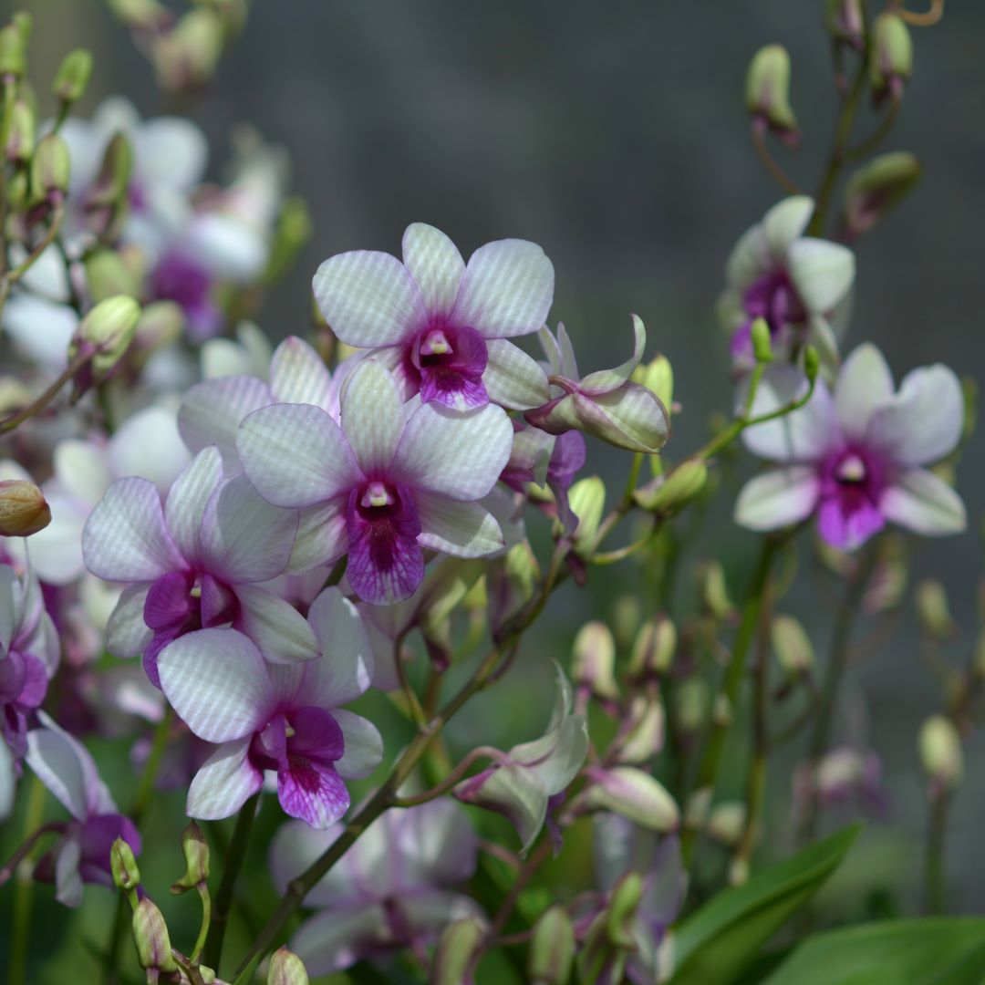 |  |  | 10397 | Den. Th 77 | 60 | $49.00 |  | $0.00
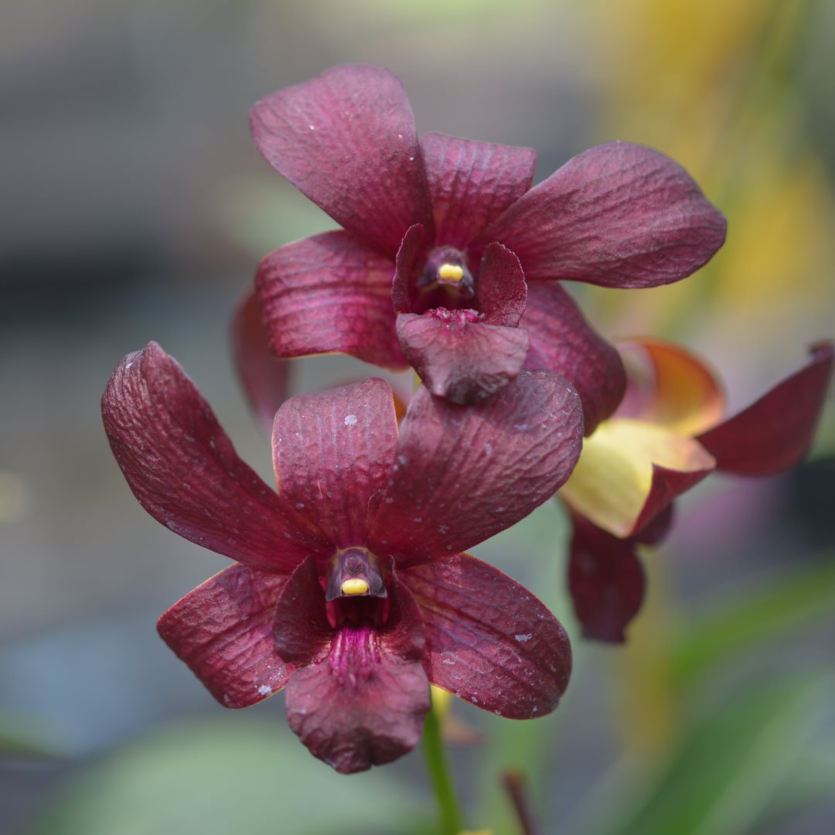 |  |  | 10404 | Den. Th 122 | 30 | $49.00 |  | $0.00
 |  |  | 10410 | Den. Th 81 | 15 | $49.00 |  | $0.00
 |  |  | 10415 | Den. Th 107 | 30 | $49.00 |  | $0.00
 |  |  | 10418 | Den. Th 151 | 10 | $49.00 |  | $0.00
 |  |  | 10423 | Den. Th 160 | 95 | $49.00 |  | $0.00
 |  |  | 10424 | Den. Th 162 | 20 | $49.00 |  | $0.00
 |  |  | 10431 | Den. Orange Kanchana | 45 | $49.00 |  | $0.00
 |  |  | 10435 | Dendrobium Th 176 | 30 | $49.00 |  | $0.00
 |  |  | 10325 | Dendrobium Rungsak (variegated) | 80 | $75.00 |  | $0.00
 |  |  | 10330 | Dendrobium Hirochi (variegated) 5% | 8 | $75.00 |  | $0.00
 |  |  | 10369 | Dendrobium AMT 15 (variegated) | 54 | $75.00 |  | $0.00
 |  |  | 10331 | Dendrobium Lemon Pearl (variegated) | 70 | $75.00 |  | $0.00
 | Oncidiae - 40+ plants/flask
 |  |  | 30001 | Oncidium Sweet Sugar | 35 | $70.00 |  | $0.00
 | Cattleyas - 30 plants/flask
 |  |  | 20001 | Rlc. Nell Hammer | 25 | $80.00 |  | $0.00
 |  |  | 20007 | Rlc. Nakornchaisri Delight | 5 | $80.00 |  | $0.00
 |  |  | 20026 | Rlc. 20026 | 10 | $80.00 |  | $0.00
 |  |  | 20028 | Rlc. Mem. Anna Balmores 'Convex' | 36 | $80.00 |  | $0.00
 |  |  | 70017 | Cattleya Snow White | 5 | $80.00 |  | $0.00
 |  |  | AMTSpr26-C6 | C. Royal Cognac 'Wilson' | 40 | $80.00 |  | $0.00
 |  |  | AMTSpr26-C7 | C. Monte Elegante | 40 | $80.00 |  | $0.00
 |  |  | AMTSpr26-C8 | Ctt. Wassana Elgante | 20 | $80.00 |  | $0.00
 |  |  | AMTSpr26-C9 | Rlc. Da-She Cognac | 100 | $80.00 |  | $0.00
 |  |  | AMTSpr26-C10 | B. David Sander | 20 | $80.00 |  | $0.00
 |  |  | AMTSpr26-C11 | Ctt. Portia Pink | 20 | $80.00 |  | $0.00
 |  |  | AMTSpr26-C12 | Bc. STK Yellow Oriole = Bc. Yellow Bird x Landate | 40 | $80.00 |  | $0.00
 |  |  | AMTSpr26-C13 | C. Dolosa alba | 20 | $80.00 |  | $0.00
 |  |  | AMTSpr26-C14 | Bct. Maikai x Ctt. Mini Red Dragon 'Thana' | 100 | $80.00 |  | $0.00
 |  |  | AMTSpr26-C15 | Bct. Little Aiko # 4 all spots | 60 | $80.00 |  | $0.00
 |  |  | AMTSpr26-C16 | Bct. River Kwai Charming | 20 | $80.00 |  | $0.00
 |  |  | AMTSpr26-C17 | Ctt. Chocolate Drops 'Volcano Queen' | 60 | $80.00 |  | $0.00
 |  |  | AMTSpr26-C18 | Ctt. Mister Jousiffe # 1 = Ctt. Galaxy Belle × Ctt. Loog Tone. | 100 | $80.00 |  | $0.00
 |  |  | AMTSpr26-C19 | Ctt. Varut Star Track x Thiti | 20 | $80.00 |  | $0.00
 |  |  | AMTSpr26-C20 | Ctt. Roungnapha Beauty Red | 60 | $80.00 |  | $0.00
 |  |  | AMTSpr26-C21 | Rth. Chomyong Fairy # 1 = Ctt. Little Fairy x Rth. Chomyong Beauty | 20 | $80.00 |  | $0.00
 |  |  | AMTSpr26-C22 | Rth. River Kwai Rainbow | 40 | $80.00 |  | $0.00
 |  |  | AMTSpr26-C23 | Pcv. Wufong Jade | 20 | $80.00 |  | $0.00
 |  |  | AMTSpr26-C24 | C. Nakornchaisri Fancy | 40 | $80.00 |  | $0.00
 |  |  | AMTSpr26-C25 | C. Hawaiian Wedding Song | 40 | $80.00 |  | $0.00
 |  |  | AMTSpr26-C26 | C. STK Jewel | 20 | $80.00 |  | $0.00
 |  |  | AMTSpr26-C27 | C. Wirote Delight | 60 | $80.00 |  | $0.00
 |  |  | AMTSpr26-C28 | Ctt. Fitz Eugene Dixon ' Dark Blue | 40 | $80.00 |  | $0.00
 |  |  | AMTSpr26-C29 | Ctt. Portia Pink | 20 | $80.00 |  | $0.00
 |  |  | AMTSpr26-C30 | Meloara Ching Sun Bright Star | 100 | $80.00 |  | $0.00
 |  |  | AMTSpr26-C31 | Rlc. Amazing Thailand 'Gold Star' | 40 | $80.00 |  | $0.00
 |  |  | AMTSpr26-C32 | Rlc. Amazing Thailand 'Rainbow' | 100 | $80.00 |  | $0.00
 |  |  | AMTSpr26-C33 | Rlc. Angkinantana x C. Tainan City | 40 | $80.00 |  | $0.00
 |  |  | AMTSpr26-C34 | Rlc. Ann Joi # 2 | 40 | $80.00 |  | $0.00
 |  |  | AMTSpr26-C35 | Rlc. Atadecer Palmoreno 'Thongsuk # 2' | 20 | $80.00 |  | $0.00
 |  |  | AMTSpr26-C36 | Rlc. Bangkok Red | 20 | $80.00 |  | $0.00
 |  |  | AMTSpr26-C37 | Rlc. Chao Praya Red | 40 | $80.00 |  | $0.00
 |  |  | AMTSpr26-C38 | Rlc. Budai Smile | 100 | $80.00 |  | $0.00
 |  |  | AMTSpr26-C39 | Rlc. Focus Taiwan | 100 | $80.00 |  | $0.00
 |  |  | AMTSpr26-C40 | Rlc. Chomthong Delight 'Smile Lip' | 40 | $80.00 |  | $0.00
 |  |  | AMTSpr26-C41 | Rlc. Chomthong Fancy | 20 | $80.00 |  | $0.00
 |  |  | AMTSpr26-C42 | Rlc. Chunfong Little Sun | 20 | $80.00 |  | $0.00
 |  |  | AMTSpr26-C43 | Rlc. Jaksudul Fancy | 60 | $80.00 |  | $0.00
 |  |  | AMTSpr26-C44 | Rlc. Myanmar Sunset | 20 | $80.00 |  | $0.00
 |  |  | AMTSpr26-C45 | Rlc. Lian Her Glory | 60 | $80.00 |  | $0.00
 |  |  | AMTSpr26-C46 | Rlc. Liu's Joyance | 40 | $80.00 |  | $0.00
 |  |  | AMTSpr26-C47 | Rlc. Lorenzo Samijo | 20 | $80.00 |  | $0.00
 |  |  | AMTSpr26-C48 | Rlc. Nakornchaisri Delight 'Sra' | 40 | $80.00 |  | $0.00
 |  |  | AMTSpr26-C49 | Rlc. Nuntanaporn | 40 | $80.00 |  | $0.00
 |  |  | AMTSpr26-C50 | Rlc. Nonthaburi Fortune 'Asian Harmony' | 100 | $80.00 |  | $0.00
 |  |  | AMTSpr26-C51 | Rlc. Pathom Gold | 100 | $80.00 |  | $0.00
 |  |  | AMTSpr26-C52 | Rlc. P. S. Gold | 40 | $80.00 |  | $0.00
 |  |  | AMTSpr26-C53 | Rlc. Pathom Fancy | 20 | $80.00 |  | $0.00
 |  |  | AMTSpr26-C54 | Rlc. Phetnapha # 1 'Elsa' | 40 | $80.00 |  | $0.00
 |  |  | AMTSpr26-C55 | Rlc. Phet Wangnamkeaw | 100 | $80.00 |  | $0.00
 |  |  | AMTSpr26-C56 | Rlc. Pink Diamond 'Toy' | 20 | $80.00 |  | $0.00
 |  |  | AMTSpr26-C57 | Rlc. Pink Diamond x Rl. Digbyana | 20 | $80.00 |  | $0.00
 |  |  | AMTSpr26-C58 | Rlc. Prada Green Deluxe | 40 | $80.00 |  | $0.00
 |  |  | AMTSpr26-C59 | Rlc. River Kwai Delight # 1 | 40 | $80.00 |  | $0.00
 |  |  | AMTSpr26-C60 | Rlc. River Kwai Smile | 40 | $80.00 |  | $0.00
 |  |  | AMTSpr26-C61 | Rlc. River Kwai Surprise | 40 | $80.00 |  | $0.00
 |  |  | AMTSpr26-C62 | Rlc. Rungnapha Fancy # 2 'Pink Splashes' | 40 | $80.00 |  | $0.00
 |  |  | AMTSpr26-C63 | Rlc. Rungnapha Fancy # 3 'Warm Welcome' | 40 | $80.00 |  | $0.00
 |  |  | AMTSpr26-C64 | Rlc. Samphran Gold | 40 | $80.00 |  | $0.00
 |  |  | AMTSpr26-C65 | Rlc. STK Song = Rlc. Haadyai Delight x C. Mary's Song | 40 | $80.00 |  | $0.00
 |  |  | AMTSpr26-C66 | Rlc. Taiwan Fantasy | 40 | $80.00 |  | $0.00
 |  |  | AMTSpr26-C67 | Rlc. Village Chief Headache | 40 | $80.00 |  | $0.00
 |  |  | AMTSpr26-C68 | Rth. Chomyong Surprise | 60 | $80.00 |  | $0.00
 |  |  | AMTSpr26-C69 | Rth. Siam Skyline 'Golden Crown' | 20 | $80.00 |  | $0.00
 |  |  | AMTSpr26-C70 | Rth. Nell Hammer ' Payom' | 100 | $80.00 |  | $0.00
 |  |  | AMTSpr26-C71 | Rth. Nell Hammer 'Suwan' | 20 | $80.00 |  | $0.00
 |  |  | AMTSpr26-C72 | Rth. Siam Fancy 'Wing of Fire' | 60 | $80.00 |  | $0.00
 |  |  | AMTSpr26-C73 | Rth. Siam Fancy ' Scarlet Needle' | 40 | $80.00 |  | $0.00
 | Vandas - 30 plants/flask
 |  |  | 40358 | Prra. Bangkok Sunset x Storiei | 16 | $65.00 |  | $0.00
 |  |  | 40359 | Prra. Bangkok Sunset x Wilas | 10 | $65.00 |  | $0.00
 |  |  | 40447 | V. KC 38 | 20 | $65.00 |  | $0.00
 |  |  | 70049 | Orange Doritis | 10 | $65.00 |  | $0.00
 | Rhyncos - 30 plants/flask
 |  |  | 60002 | Rhy. Red | 5 | $60.00 |  | $0.00
 |  |  | 60003 | Rhy. Spotted | 76 | $60.00 |  | $0.00
 |  |  | 70006 | Ren. Red | 30 | $60.00 |  | $0.00
 |  |  |  |  |  |  |  | $0.00

 |  |  |  |  |  |  |  | $0.00

 |  |  |  | Quantity Discounts: 1-5 flasks NETT,
 |  |  |  | 6-10 flasks less 2.5%,
 |  |  |  | 11-20 less 5%,
 |  |  |  | 21-30 less 10%,
 |  |  |  | 31-40 less 15%,
 |  |  |  | over 40 less 20%

